KIAA1755 _multivariate
Reported by Tex Li-Hsing Chi. tex@gate.sinica.edu.tw 2019-08-18

Table 2. The clinicopathological features of HNSCC cohort and KIAA1755 expression. (Chi square test)
Cutoff at 0 (64.7%)
 |  | KIAA1755 expression |  | KIAA1755 expression |  | (Optimised)
 | Features | Low | (%) | High | (%) | Case no | P-value | Remark | Matthews
Gender | Female | 199 | 48 | 107 | 25.8 | 415 | 0.9715 | 0 | 0
2 | Male | 70 | 16.9 | 39 | 9.4
Age at diagnosis | <=65y | 176 | 42.4 | 98 | 23.6 | 415 | 0.8105 | 0 | 0
4 | >65y | 93 | 22.4 | 48 | 11.6
Clinical T Status | T1+T2 | 90 | 21.7 | 59 | 14.2 | 415 | 0.1926 | 0 | 0
6 | T3+T4 | 179 | 43.1 | 87 | 21
Clinical N Status | N0 | 143 | 34.5 | 73 | 17.6 | 415 | 0.6084 | 0 | 0
8 | N1-3 | 126 | 30.4 | 73 | 17.6
Clinical M Status | M0 | 266 | 64.1 | 146 | 35.2 | 415 | 0.555 | 0 | 0
10 | M1 | 3 | 0.7 | 0 | 0
Clinical Stage | Stage I+II | 60 | 14.5 | 42 | 10.1 | 415 | 0.18 | 0 | 0
12 | Stage III+IV | 209 | 50.4 | 104 | 25.1
Surgical Margin status | Negative | 207 | 49.9 | 111 | 26.7 | 415 | 0.9034 | 0 | 0
14 | Positive | 62 | 14.9 | 35 | 8.4
Tobacco Exposure | Low | 102 | 24.6 | 59 | 14.2 | 415 | 0.6733 | 0 | 0
16 | High | 167 | 40.2 | 87 | 21

Table 3. Univariate/Multivariate Cox's proportional hazards regression analyses on OS time of KIAA1755 gene expression in HNSCC

 |  | Univariate |  |  |  | Multivariate
 | Features | HR | CI95%(L) | CI95%(H) | P-value | HR | CI95%(L) | CI95%(H) | P-value
1 | Female | 1 |  |  |  | 1
Gender | Male | 1.157 | 0.843 | 1.587 | 0.367 | 1.206 | 0.862 | 1.689 | 0.274
11 | <=65y | 1 |  |  |  | 1
Age at diagnosis | >65y | 1.329 | 0.99 | 1.784 | 0.058 | 1.357 | 0.998 | 1.846 | 0.052
12 | T1+T2 | 1 |  |  |  | 1
Clinical T Status | T3+T4 | 1.409 | 1.028 | 1.931 | 0.033 | 2.208 | 1.168 | 4.175 | 0.015
13 | N0 | 1 |  |  |  | 1
Clinical N Status | N1-3 | 1.185 | 0.89 | 1.577 | 0.246 | 1.286 | 0.9 | 1.838 | 0.167
14 | M0 | 1 |  |  |  | 1
Clinical M Status | M1 | 4.097 | 1.009 | 16.644 | 0.049 | 8.466 | 1.841 | 38.926 | 0.006
15 | Stage I+II | 1 |  |  |  | 1
Clinical Stage | Stage III+IV | 1.245 | 0.882 | 1.759 | 0.213 | 0.482 | 0.225 | 1.034 | 0.061
16 | Negative | 1 |  |  |  | 1
Surgical Margin status | Positive | 1.591 | 1.155 | 2.191 | 0.004 | 1.694 | 1.225 | 2.342 | 0.001
17 | Low | 1 |  |  |  | 1
Tobacco Exposure | High | 1.364 | 1.008 | 1.844 | 0.044 | 1.437 | 1.041 | 1.983 | 0.028
18 | Low | 1 |  |  |  | 1
RNAseq(z-score) | High | 0.722 | 0.529 | 0.987 | 0.041 | 0.738 | 0.537 | 1.013 | 0.06

Table 4. Univariate/Multivariate Cox's proportional hazards regression analyses on RFS time of KIAA1755 gene expression in HNSCC

 |  | Univariate |  |  |  | Multivariate
 | Features | HR | CI95%(L) | CI95%(H) | P-value | HR | CI95%(L) | CI95%(H) | P-value
1 | Female | 1 |  |  |  | 1
Gender | Male | 1.157 | 0.843 | 1.587 | 0.367 | 1.206 | 0.862 | 1.689 | 0.274
11 | <=65y | 1 |  |  |  | 1
Age at diagnosis | >65y | 1.329 | 0.99 | 1.784 | 0.058 | 1.357 | 0.998 | 1.846 | 0.052
12 | T1+T2 | 1 |  |  |  | 1
Clinical T Status | T3+T4 | 1.409 | 1.028 | 1.931 | 0.033 | 2.208 | 1.168 | 4.175 | 0.015
13 | N0 | 1 |  |  |  | 1
Clinical N Status | N1-3 | 1.185 | 0.89 | 1.577 | 0.246 | 1.286 | 0.9 | 1.838 | 0.167
14 | M0 | 1 |  |  |  | 1
Clinical M Status | M1 | 4.097 | 1.009 | 16.644 | 0.049 | 8.466 | 1.841 | 38.926 | 0.006
15 | Stage I+II | 1 |  |  |  | 1
Clinical Stage | Stage III+IV | 1.245 | 0.882 | 1.759 | 0.213 | 0.482 | 0.225 | 1.034 | 0.061
16 | Negative | 1 |  |  |  | 1
Surgical Margin status | Positive | 1.591 | 1.155 | 2.191 | 0.004 | 1.694 | 1.225 | 2.342 | 0.001
17 | Low | 1 |  |  |  | 1
Tobacco Exposure | High | 1.364 | 1.008 | 1.844 | 0.044 | 1.437 | 1.041 | 1.983 | 0.028
18 | Low | 1 |  |  |  | 1
RNAseq(z-score) | High | 0.722 | 0.529 | 0.987 | 0.041 | 0.738 | 0.537 | 1.013 | 0.06

Kaplan-Meier survival estimate: Cutoff at 0 (64.7%)



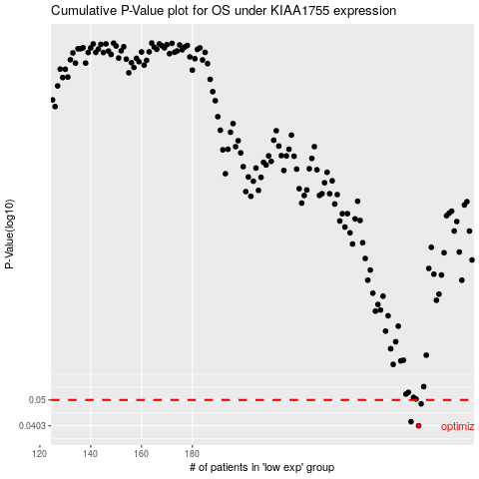

 |  |  |  |  |  | cases_OS | p_OS | rank | exp
 |  |  |  |  |  | 269 | 0.0403 | 329 | -3.3169008669E-05
 |  |  |  |  |  | 266 | 0.0417 | 34 | -0.0094328709874
 |  |  |  |  |  | 270 | 0.0484 | 311 | 0.0003750739414
 |  |  |  |  |  |  | cases_RFS | p_RFS | rank | exp
 |  |  |  |  |  |  | 268 | 0.0403 | 375 | -0.00095815190905
 |  |  |  |  |  |  | 265 | 0.0417 | 86 | -0.011167903525
 |  |  |  |  |  |  | 269 | 0.0484 | 329 | -3.3169008669E-05

