KIAA1797 _multivariate
Reported by Tex Li-Hsing Chi. tex@gate.sinica.edu.tw 2019-08-18

Table 2. The clinicopathological features of HNSCC cohort and KIAA1797 expression. (Chi square test)
Cutoff at -0.219 (49.8%)
 |  | KIAA1797 expression |  | KIAA1797 expression |  | (Optimised)
 | Features | Low | (%) | High | (%) | Case no | P-value | Remark | Matthews
Gender | Female | 158 | 38.1 | 148 | 35.7 | 415 | 0.2774 | 0 | 0
2 | Male | 49 | 11.8 | 60 | 14.5
Age at diagnosis | <=65y | 139 | 33.5 | 135 | 32.5 | 415 | 0.7044 | 0 | 0
4 | >65y | 68 | 16.4 | 73 | 17.6
Clinical T Status | T1+T2 | 74 | 17.8 | 75 | 18.1 | 415 | 1 | 0 | 0
6 | T3+T4 | 133 | 32 | 133 | 32
Clinical N Status | N0 | 101 | 24.3 | 115 | 27.7 | 415 | 0.2201 | 0 | 0
8 | N1-3 | 106 | 25.5 | 93 | 22.4
Clinical M Status | M0 | 204 | 49.2 | 208 | 50.1 | 415 | 0.1232 | 0 | 0
10 | M1 | 3 | 0.7 | 0 | 0
Clinical Stage | Stage I+II | 49 | 11.8 | 53 | 12.8 | 415 | 0.7535 | 0 | 0
12 | Stage III+IV | 158 | 38.1 | 155 | 37.3
Surgical Margin status | Negative | 159 | 38.3 | 159 | 38.3 | 415 | 1 | 0 | 0
14 | Positive | 48 | 11.6 | 49 | 11.8
Tobacco Exposure | Low | 70 | 16.9 | 91 | 21.9 | 415 | 0.0439 | 1 | 0
16 | High | 137 | 33 | 117 | 28.2

Table 3. Univariate/Multivariate Cox's proportional hazards regression analyses on OS time of KIAA1797 gene expression in HNSCC

 |  | Univariate |  |  |  | Multivariate
 | Features | HR | CI95%(L) | CI95%(H) | P-value | HR | CI95%(L) | CI95%(H) | P-value
1 | Female | 1 |  |  |  | 1
Gender | Male | 1.157 | 0.843 | 1.587 | 0.367 | 1.2 | 0.859 | 1.676 | 0.286
11 | <=65y | 1 |  |  |  | 1
Age at diagnosis | >65y | 1.329 | 0.99 | 1.784 | 0.058 | 1.4 | 1.028 | 1.904 | 0.032
12 | T1+T2 | 1 |  |  |  | 1
Clinical T Status | T3+T4 | 1.409 | 1.028 | 1.931 | 0.033 | 2.24 | 1.183 | 4.238 | 0.013
13 | N0 | 1 |  |  |  | 1
Clinical N Status | N1-3 | 1.185 | 0.89 | 1.577 | 0.246 | 1.258 | 0.881 | 1.796 | 0.207
14 | M0 | 1 |  |  |  | 1
Clinical M Status | M1 | 4.097 | 1.009 | 16.644 | 0.049 | 10.498 | 2.266 | 48.641 | 0.003
15 | Stage I+II | 1 |  |  |  | 1
Clinical Stage | Stage III+IV | 1.245 | 0.882 | 1.759 | 0.213 | 0.495 | 0.231 | 1.063 | 0.071
16 | Negative | 1 |  |  |  | 1
Surgical Margin status | Positive | 1.591 | 1.155 | 2.191 | 0.004 | 1.701 | 1.229 | 2.354 | 0.001
17 | Low | 1 |  |  |  | 1
Tobacco Exposure | High | 1.364 | 1.008 | 1.844 | 0.044 | 1.486 | 1.076 | 2.052 | 0.016
18 | Low | 1 |  |  |  | 1
RNAseq(z-score) | High | 1.092 | 0.819 | 1.456 | 0.55 | 1.208 | 0.901 | 1.62 | 0.207

Table 4. Univariate/Multivariate Cox's proportional hazards regression analyses on RFS time of KIAA1797 gene expression in HNSCC

 |  | Univariate |  |  |  | Multivariate
 | Features | HR | CI95%(L) | CI95%(H) | P-value | HR | CI95%(L) | CI95%(H) | P-value
1 | Female | 1 |  |  |  | 1
Gender | Male | 1.157 | 0.843 | 1.587 | 0.367 | 1.2 | 0.859 | 1.676 | 0.286
11 | <=65y | 1 |  |  |  | 1
Age at diagnosis | >65y | 1.329 | 0.99 | 1.784 | 0.058 | 1.4 | 1.028 | 1.904 | 0.032
12 | T1+T2 | 1 |  |  |  | 1
Clinical T Status | T3+T4 | 1.409 | 1.028 | 1.931 | 0.033 | 2.24 | 1.183 | 4.238 | 0.013
13 | N0 | 1 |  |  |  | 1
Clinical N Status | N1-3 | 1.185 | 0.89 | 1.577 | 0.246 | 1.258 | 0.881 | 1.796 | 0.207
14 | M0 | 1 |  |  |  | 1
Clinical M Status | M1 | 4.097 | 1.009 | 16.644 | 0.049 | 10.498 | 2.266 | 48.641 | 0.003
15 | Stage I+II | 1 |  |  |  | 1
Clinical Stage | Stage III+IV | 1.245 | 0.882 | 1.759 | 0.213 | 0.495 | 0.231 | 1.063 | 0.071
16 | Negative | 1 |  |  |  | 1
Surgical Margin status | Positive | 1.591 | 1.155 | 2.191 | 0.004 | 1.701 | 1.229 | 2.354 | 0.001
17 | Low | 1 |  |  |  | 1
Tobacco Exposure | High | 1.364 | 1.008 | 1.844 | 0.044 | 1.486 | 1.076 | 2.052 | 0.016
18 | Low | 1 |  |  |  | 1
RNAseq(z-score) | High | 1.092 | 0.819 | 1.456 | 0.55 | 1.208 | 0.901 | 1.62 | 0.207

Kaplan-Meier survival estimate: Cutoff at -0.219 (49.8%)



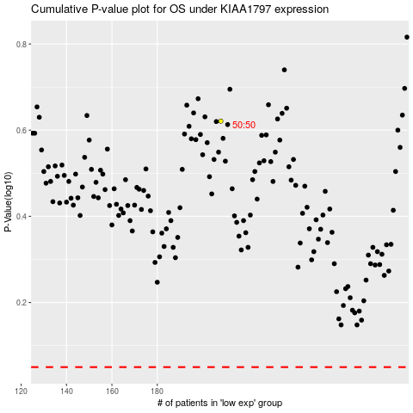

 |  |  |  |  |  | cases_OS | p_OS | rank | exp
 |  |  |  |  |  |  | cases_RFS | p_RFS | rank | exp

