KIAA1804 _multivariate
Reported by Tex Li-Hsing Chi. tex@gate.sinica.edu.tw 2019-08-18

Table 2. The clinicopathological features of HNSCC cohort and KIAA1804 expression. (Chi square test)
Cutoff at -0.253 (49.8%)
 |  | KIAA1804 expression |  | KIAA1804 expression |  | (Optimised)
 | Features | Low | (%) | High | (%) | Case no | P-value | Remark | Matthews
Gender | Female | 147 | 35.4 | 159 | 38.3 | 415 | 0.2523 | 0 | 0
2 | Male | 60 | 14.5 | 49 | 11.8
Age at diagnosis | <=65y | 139 | 33.5 | 135 | 32.5 | 415 | 0.7044 | 0 | 0
4 | >65y | 68 | 16.4 | 73 | 17.6
Clinical T Status | T1+T2 | 93 | 22.4 | 56 | 13.5 | 415 | 2e-04 | 1 | 0
6 | T3+T4 | 114 | 27.5 | 152 | 36.6
Clinical N Status | N0 | 108 | 26 | 108 | 26 | 415 | 1 | 0 | 0
8 | N1-3 | 99 | 23.9 | 100 | 24.1
Clinical M Status | M0 | 205 | 49.4 | 207 | 49.9 | 415 | 0.6232 | 0 | 0
10 | M1 | 2 | 0.5 | 1 | 0.2
Clinical Stage | Stage I+II | 65 | 15.7 | 37 | 8.9 | 415 | 0.0019 | 1 | 0
12 | Stage III+IV | 142 | 34.2 | 171 | 41.2
Surgical Margin status | Negative | 157 | 37.8 | 161 | 38.8 | 415 | 0.729 | 0 | 0
14 | Positive | 50 | 12 | 47 | 11.3
Tobacco Exposure | Low | 96 | 23.1 | 65 | 15.7 | 415 | 0.0018 | 1 | 0
16 | High | 111 | 26.7 | 143 | 34.5

Table 3. Univariate/Multivariate Cox's proportional hazards regression analyses on OS time of KIAA1804 gene expression in HNSCC

 |  | Univariate |  |  |  | Multivariate
 | Features | HR | CI95%(L) | CI95%(H) | P-value | HR | CI95%(L) | CI95%(H) | P-value
1 | Female | 1 |  |  |  | 1
Gender | Male | 1.157 | 0.843 | 1.587 | 0.367 | 1.201 | 0.858 | 1.679 | 0.285
11 | <=65y | 1 |  |  |  | 1
Age at diagnosis | >65y | 1.329 | 0.99 | 1.784 | 0.058 | 1.391 | 1.023 | 1.892 | 0.035
12 | T1+T2 | 1 |  |  |  | 1
Clinical T Status | T3+T4 | 1.409 | 1.028 | 1.931 | 0.033 | 2.203 | 1.165 | 4.166 | 0.015
13 | N0 | 1 |  |  |  | 1
Clinical N Status | N1-3 | 1.185 | 0.89 | 1.577 | 0.246 | 1.24 | 0.868 | 1.77 | 0.237
14 | M0 | 1 |  |  |  | 1
Clinical M Status | M1 | 4.097 | 1.009 | 16.644 | 0.049 | 9.377 | 2.039 | 43.137 | 0.004
15 | Stage I+II | 1 |  |  |  | 1
Clinical Stage | Stage III+IV | 1.245 | 0.882 | 1.759 | 0.213 | 0.506 | 0.235 | 1.09 | 0.082
16 | Negative | 1 |  |  |  | 1
Surgical Margin status | Positive | 1.591 | 1.155 | 2.191 | 0.004 | 1.671 | 1.208 | 2.31 | 0.002
17 | Low | 1 |  |  |  | 1
Tobacco Exposure | High | 1.364 | 1.008 | 1.844 | 0.044 | 1.455 | 1.053 | 2.01 | 0.023
18 | Low | 1 |  |  |  | 1
RNAseq(z-score) | High | 1.019 | 0.765 | 1.358 | 0.897 | 0.991 | 0.733 | 1.34 | 0.953

Table 4. Univariate/Multivariate Cox's proportional hazards regression analyses on RFS time of KIAA1804 gene expression in HNSCC

 |  | Univariate |  |  |  | Multivariate
 | Features | HR | CI95%(L) | CI95%(H) | P-value | HR | CI95%(L) | CI95%(H) | P-value
1 | Female | 1 |  |  |  | 1
Gender | Male | 1.157 | 0.843 | 1.587 | 0.367 | 1.201 | 0.858 | 1.679 | 0.285
11 | <=65y | 1 |  |  |  | 1
Age at diagnosis | >65y | 1.329 | 0.99 | 1.784 | 0.058 | 1.391 | 1.023 | 1.892 | 0.035
12 | T1+T2 | 1 |  |  |  | 1
Clinical T Status | T3+T4 | 1.409 | 1.028 | 1.931 | 0.033 | 2.203 | 1.165 | 4.166 | 0.015
13 | N0 | 1 |  |  |  | 1
Clinical N Status | N1-3 | 1.185 | 0.89 | 1.577 | 0.246 | 1.24 | 0.868 | 1.77 | 0.237
14 | M0 | 1 |  |  |  | 1
Clinical M Status | M1 | 4.097 | 1.009 | 16.644 | 0.049 | 9.377 | 2.039 | 43.137 | 0.004
15 | Stage I+II | 1 |  |  |  | 1
Clinical Stage | Stage III+IV | 1.245 | 0.882 | 1.759 | 0.213 | 0.506 | 0.235 | 1.09 | 0.082
16 | Negative | 1 |  |  |  | 1
Surgical Margin status | Positive | 1.591 | 1.155 | 2.191 | 0.004 | 1.671 | 1.208 | 2.31 | 0.002
17 | Low | 1 |  |  |  | 1
Tobacco Exposure | High | 1.364 | 1.008 | 1.844 | 0.044 | 1.455 | 1.053 | 2.01 | 0.023
18 | Low | 1 |  |  |  | 1
RNAseq(z-score) | High | 1.019 | 0.765 | 1.358 | 0.897 | 0.991 | 0.733 | 1.34 | 0.953

Kaplan-Meier survival estimate: Cutoff at -0.253 (49.8%)



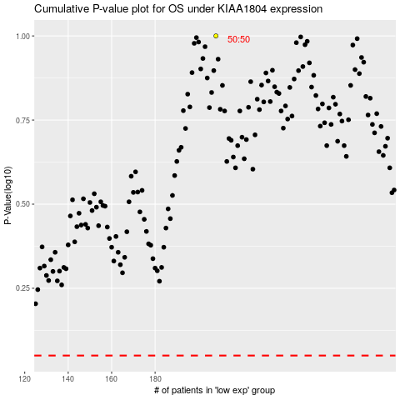

 |  |  |  |  |  | cases_OS | p_OS | rank | exp
 |  |  |  |  |  |  | cases_RFS | p_RFS | rank | exp

