KIAA1826 _multivariate
Reported by Tex Li-Hsing Chi. tex@gate.sinica.edu.tw 2019-08-18

Table 2. The clinicopathological features of HNSCC cohort and KIAA1826 expression. (Chi square test)
Cutoff at -0.102 (49.8%)
 |  | KIAA1826 expression |  | KIAA1826 expression |  | (Optimised)
 | Features | Low | (%) | High | (%) | Case no | P-value | Remark | Matthews
Gender | Female | 149 | 35.9 | 157 | 37.8 | 415 | 0.4848 | 0 | 0
2 | Male | 58 | 14 | 51 | 12.3
Age at diagnosis | <=65y | 133 | 32 | 141 | 34 | 415 | 0.5111 | 0 | 0
4 | >65y | 74 | 17.8 | 67 | 16.1
Clinical T Status | T1+T2 | 69 | 16.6 | 80 | 19.3 | 415 | 0.3239 | 0 | 0
6 | T3+T4 | 138 | 33.3 | 128 | 30.8
Clinical N Status | N0 | 98 | 23.6 | 118 | 28.4 | 415 | 0.0694 | 0 | 0
8 | N1-3 | 109 | 26.3 | 90 | 21.7
Clinical M Status | M0 | 204 | 49.2 | 208 | 50.1 | 415 | 0.1232 | 0 | 0
10 | M1 | 3 | 0.7 | 0 | 0
Clinical Stage | Stage I+II | 44 | 10.6 | 58 | 14 | 415 | 0.1459 | 0 | 0
12 | Stage III+IV | 163 | 39.3 | 150 | 36.1
Surgical Margin status | Negative | 155 | 37.3 | 163 | 39.3 | 415 | 0.4187 | 0 | 0
14 | Positive | 52 | 12.5 | 45 | 10.8
Tobacco Exposure | Low | 87 | 21 | 74 | 17.8 | 415 | 0.1911 | 0 | 0
16 | High | 120 | 28.9 | 134 | 32.3

Table 3. Univariate/Multivariate Cox's proportional hazards regression analyses on OS time of KIAA1826 gene expression in HNSCC

 |  | Univariate |  |  |  | Multivariate
 | Features | HR | CI95%(L) | CI95%(H) | P-value | HR | CI95%(L) | CI95%(H) | P-value
1 | Female | 1 |  |  |  | 1
Gender | Male | 1.157 | 0.843 | 1.587 | 0.367 | 1.195 | 0.855 | 1.669 | 0.296
11 | <=65y | 1 |  |  |  | 1
Age at diagnosis | >65y | 1.329 | 0.99 | 1.784 | 0.058 | 1.411 | 1.037 | 1.92 | 0.028
12 | T1+T2 | 1 |  |  |  | 1
Clinical T Status | T3+T4 | 1.409 | 1.028 | 1.931 | 0.033 | 2.218 | 1.173 | 4.195 | 0.014
13 | N0 | 1 |  |  |  | 1
Clinical N Status | N1-3 | 1.185 | 0.89 | 1.577 | 0.246 | 1.26 | 0.882 | 1.799 | 0.203
14 | M0 | 1 |  |  |  | 1
Clinical M Status | M1 | 4.097 | 1.009 | 16.644 | 0.049 | 10.165 | 2.201 | 46.944 | 0.003
15 | Stage I+II | 1 |  |  |  | 1
Clinical Stage | Stage III+IV | 1.245 | 0.882 | 1.759 | 0.213 | 0.505 | 0.235 | 1.083 | 0.079
16 | Negative | 1 |  |  |  | 1
Surgical Margin status | Positive | 1.591 | 1.155 | 2.191 | 0.004 | 1.698 | 1.227 | 2.349 | 0.001
17 | Low | 1 |  |  |  | 1
Tobacco Exposure | High | 1.364 | 1.008 | 1.844 | 0.044 | 1.427 | 1.034 | 1.968 | 0.03
18 | Low | 1 |  |  |  | 1
RNAseq(z-score) | High | 1.066 | 0.8 | 1.42 | 0.662 | 1.168 | 0.87 | 1.568 | 0.302

Table 4. Univariate/Multivariate Cox's proportional hazards regression analyses on RFS time of KIAA1826 gene expression in HNSCC

 |  | Univariate |  |  |  | Multivariate
 | Features | HR | CI95%(L) | CI95%(H) | P-value | HR | CI95%(L) | CI95%(H) | P-value
1 | Female | 1 |  |  |  | 1
Gender | Male | 1.157 | 0.843 | 1.587 | 0.367 | 1.195 | 0.855 | 1.669 | 0.296
11 | <=65y | 1 |  |  |  | 1
Age at diagnosis | >65y | 1.329 | 0.99 | 1.784 | 0.058 | 1.411 | 1.037 | 1.92 | 0.028
12 | T1+T2 | 1 |  |  |  | 1
Clinical T Status | T3+T4 | 1.409 | 1.028 | 1.931 | 0.033 | 2.218 | 1.173 | 4.195 | 0.014
13 | N0 | 1 |  |  |  | 1
Clinical N Status | N1-3 | 1.185 | 0.89 | 1.577 | 0.246 | 1.26 | 0.882 | 1.799 | 0.203
14 | M0 | 1 |  |  |  | 1
Clinical M Status | M1 | 4.097 | 1.009 | 16.644 | 0.049 | 10.165 | 2.201 | 46.944 | 0.003
15 | Stage I+II | 1 |  |  |  | 1
Clinical Stage | Stage III+IV | 1.245 | 0.882 | 1.759 | 0.213 | 0.505 | 0.235 | 1.083 | 0.079
16 | Negative | 1 |  |  |  | 1
Surgical Margin status | Positive | 1.591 | 1.155 | 2.191 | 0.004 | 1.698 | 1.227 | 2.349 | 0.001
17 | Low | 1 |  |  |  | 1
Tobacco Exposure | High | 1.364 | 1.008 | 1.844 | 0.044 | 1.427 | 1.034 | 1.968 | 0.03
18 | Low | 1 |  |  |  | 1
RNAseq(z-score) | High | 1.066 | 0.8 | 1.42 | 0.662 | 1.168 | 0.87 | 1.568 | 0.302

Kaplan-Meier survival estimate: Cutoff at -0.102 (49.8%)



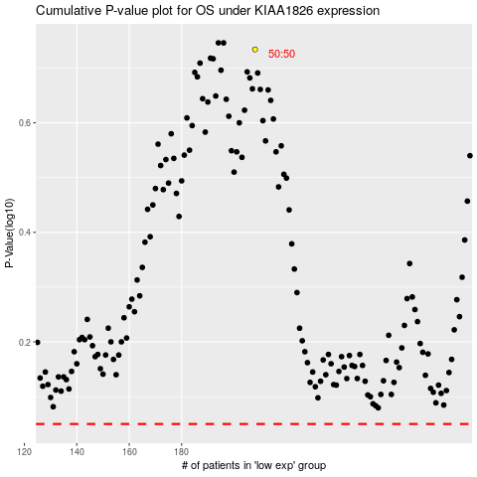

 |  |  |  |  |  | cases_OS | p_OS | rank | exp
 |  |  |  |  |  |  | cases_RFS | p_RFS | rank | exp

