KIAA1841 _multivariate
Reported by Tex Li-Hsing Chi. tex@gate.sinica.edu.tw 2019-08-18

Table 2. The clinicopathological features of HNSCC cohort and KIAA1841 expression. (Chi square test)
Cutoff at -0.227 (51.7%)
 |  | KIAA1841 expression |  | KIAA1841 expression |  | (Optimised)
 | Features | Low | (%) | High | (%) | Case no | P-value | Remark | Matthews
Gender | Female | 152 | 36.6 | 154 | 37.1 | 415 | 0.1783 | 0 | 0
2 | Male | 63 | 15.2 | 46 | 11.1
Age at diagnosis | <=65y | 140 | 33.7 | 134 | 32.3 | 415 | 0.7633 | 0 | 0
4 | >65y | 75 | 18.1 | 66 | 15.9
Clinical T Status | T1+T2 | 75 | 18.1 | 74 | 17.8 | 415 | 0.7288 | 0 | 0
6 | T3+T4 | 140 | 33.7 | 126 | 30.4
Clinical N Status | N0 | 110 | 26.5 | 106 | 25.5 | 415 | 0.7825 | 0 | 0
8 | N1-3 | 105 | 25.3 | 94 | 22.7
Clinical M Status | M0 | 212 | 51.1 | 200 | 48.2 | 415 | 0.2492 | 0 | 0
10 | M1 | 3 | 0.7 | 0 | 0
Clinical Stage | Stage I+II | 52 | 12.5 | 50 | 12 | 415 | 0.9376 | 0 | 0
12 | Stage III+IV | 163 | 39.3 | 150 | 36.1
Surgical Margin status | Negative | 173 | 41.7 | 145 | 34.9 | 415 | 0.0634 | 0 | 0
14 | Positive | 42 | 10.1 | 55 | 13.3
Tobacco Exposure | Low | 81 | 19.5 | 80 | 19.3 | 415 | 0.6869 | 0 | 0
16 | High | 134 | 32.3 | 120 | 28.9

Table 3. Univariate/Multivariate Cox's proportional hazards regression analyses on OS time of KIAA1841 gene expression in HNSCC

 |  | Univariate |  |  |  | Multivariate
 | Features | HR | CI95%(L) | CI95%(H) | P-value | HR | CI95%(L) | CI95%(H) | P-value
1 | Female | 1 |  |  |  | 1
Gender | Male | 1.157 | 0.843 | 1.587 | 0.367 | 1.159 | 0.826 | 1.627 | 0.393
11 | <=65y | 1 |  |  |  | 1
Age at diagnosis | >65y | 1.329 | 0.99 | 1.784 | 0.058 | 1.375 | 1.011 | 1.871 | 0.043
12 | T1+T2 | 1 |  |  |  | 1
Clinical T Status | T3+T4 | 1.409 | 1.028 | 1.931 | 0.033 | 2.198 | 1.163 | 4.153 | 0.015
13 | N0 | 1 |  |  |  | 1
Clinical N Status | N1-3 | 1.185 | 0.89 | 1.577 | 0.246 | 1.266 | 0.887 | 1.808 | 0.193
14 | M0 | 1 |  |  |  | 1
Clinical M Status | M1 | 4.097 | 1.009 | 16.644 | 0.049 | 7.99 | 1.732 | 36.858 | 0.008
15 | Stage I+II | 1 |  |  |  | 1
Clinical Stage | Stage III+IV | 1.245 | 0.882 | 1.759 | 0.213 | 0.503 | 0.234 | 1.081 | 0.078
16 | Negative | 1 |  |  |  | 1
Surgical Margin status | Positive | 1.591 | 1.155 | 2.191 | 0.004 | 1.74 | 1.257 | 2.409 | 0.001
17 | Low | 1 |  |  |  | 1
Tobacco Exposure | High | 1.364 | 1.008 | 1.844 | 0.044 | 1.478 | 1.07 | 2.041 | 0.018
18 | Low | 1 |  |  |  | 1
RNAseq(z-score) | High | 0.741 | 0.555 | 0.99 | 0.043 | 0.728 | 0.541 | 0.98 | 0.036

Table 4. Univariate/Multivariate Cox's proportional hazards regression analyses on RFS time of KIAA1841 gene expression in HNSCC

 |  | Univariate |  |  |  | Multivariate
 | Features | HR | CI95%(L) | CI95%(H) | P-value | HR | CI95%(L) | CI95%(H) | P-value
1 | Female | 1 |  |  |  | 1
Gender | Male | 1.157 | 0.843 | 1.587 | 0.367 | 1.159 | 0.826 | 1.627 | 0.393
11 | <=65y | 1 |  |  |  | 1
Age at diagnosis | >65y | 1.329 | 0.99 | 1.784 | 0.058 | 1.375 | 1.011 | 1.871 | 0.043
12 | T1+T2 | 1 |  |  |  | 1
Clinical T Status | T3+T4 | 1.409 | 1.028 | 1.931 | 0.033 | 2.198 | 1.163 | 4.153 | 0.015
13 | N0 | 1 |  |  |  | 1
Clinical N Status | N1-3 | 1.185 | 0.89 | 1.577 | 0.246 | 1.266 | 0.887 | 1.808 | 0.193
14 | M0 | 1 |  |  |  | 1
Clinical M Status | M1 | 4.097 | 1.009 | 16.644 | 0.049 | 7.99 | 1.732 | 36.858 | 0.008
15 | Stage I+II | 1 |  |  |  | 1
Clinical Stage | Stage III+IV | 1.245 | 0.882 | 1.759 | 0.213 | 0.503 | 0.234 | 1.081 | 0.078
16 | Negative | 1 |  |  |  | 1
Surgical Margin status | Positive | 1.591 | 1.155 | 2.191 | 0.004 | 1.74 | 1.257 | 2.409 | 0.001
17 | Low | 1 |  |  |  | 1
Tobacco Exposure | High | 1.364 | 1.008 | 1.844 | 0.044 | 1.478 | 1.07 | 2.041 | 0.018
18 | Low | 1 |  |  |  | 1
RNAseq(z-score) | High | 0.741 | 0.555 | 0.99 | 0.043 | 0.728 | 0.541 | 0.98 | 0.036

Kaplan-Meier survival estimate: Cutoff at -0.227 (51.7%)



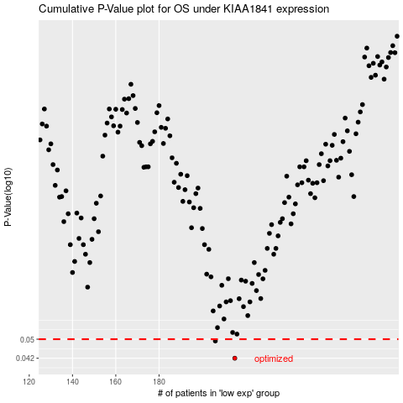

 |  |  |  |  |  | cases_OS | p_OS | rank | exp
 |  |  |  |  |  | 215 | 0.042 | 400 | -0.2270772124
 |  |  |  |  |  | 206 | 0.0492 | 351 | -0.25346726787
 |  |  |  |  |  |  | cases_RFS | p_RFS | rank | exp
 |  |  |  |  |  |  | 214 | 0.042 | 237 | -0.22840626082
 |  |  |  |  |  |  | 205 | 0.0492 | 68 | -0.25353906423

