KIAA1908 _multivariate
Reported by Tex Li-Hsing Chi. tex@gate.sinica.edu.tw 2019-08-18

Table 2. The clinicopathological features of HNSCC cohort and KIAA1908 expression. (Chi square test)
Cutoff at -0.373 (49.8%)
 |  | KIAA1908 expression |  | KIAA1908 expression |  | (Optimised)
 | Features | Low | (%) | High | (%) | Case no | P-value | Remark | Matthews
Gender | Female | 152 | 36.6 | 154 | 37.1 | 415 | 0.9766 | 0 | 0
2 | Male | 55 | 13.3 | 54 | 13
Age at diagnosis | <=65y | 139 | 33.5 | 135 | 32.5 | 415 | 0.7044 | 0 | 0
4 | >65y | 68 | 16.4 | 73 | 17.6
Clinical T Status | T1+T2 | 61 | 14.7 | 88 | 21.2 | 415 | 0.0087 | 1 | 0
6 | T3+T4 | 146 | 35.2 | 120 | 28.9
Clinical N Status | N0 | 104 | 25.1 | 112 | 27 | 415 | 0.5243 | 0 | 0
8 | N1-3 | 103 | 24.8 | 96 | 23.1
Clinical M Status | M0 | 207 | 49.9 | 205 | 49.4 | 415 | 0.2482 | 0 | 0
10 | M1 | 0 | 0 | 3 | 0.7
Clinical Stage | Stage I+II | 42 | 10.1 | 60 | 14.5 | 415 | 0.0561 | 0 | 0
12 | Stage III+IV | 165 | 39.8 | 148 | 35.7
Surgical Margin status | Negative | 155 | 37.3 | 163 | 39.3 | 415 | 0.4187 | 0 | 0
14 | Positive | 52 | 12.5 | 45 | 10.8
Tobacco Exposure | Low | 79 | 19 | 82 | 19.8 | 415 | 0.8405 | 0 | 0
16 | High | 128 | 30.8 | 126 | 30.4

Table 3. Univariate/Multivariate Cox's proportional hazards regression analyses on OS time of KIAA1908 gene expression in HNSCC

 |  | Univariate |  |  |  | Multivariate
 | Features | HR | CI95%(L) | CI95%(H) | P-value | HR | CI95%(L) | CI95%(H) | P-value
1 | Female | 1 |  |  |  | 1
Gender | Male | 1.157 | 0.843 | 1.587 | 0.367 | 1.197 | 0.857 | 1.671 | 0.292
11 | <=65y | 1 |  |  |  | 1
Age at diagnosis | >65y | 1.329 | 0.99 | 1.784 | 0.058 | 1.4 | 1.03 | 1.905 | 0.032
12 | T1+T2 | 1 |  |  |  | 1
Clinical T Status | T3+T4 | 1.409 | 1.028 | 1.931 | 0.033 | 2.185 | 1.155 | 4.133 | 0.016
13 | N0 | 1 |  |  |  | 1
Clinical N Status | N1-3 | 1.185 | 0.89 | 1.577 | 0.246 | 1.25 | 0.875 | 1.785 | 0.22
14 | M0 | 1 |  |  |  | 1
Clinical M Status | M1 | 4.097 | 1.009 | 16.644 | 0.049 | 9.798 | 2.125 | 45.188 | 0.003
15 | Stage I+II | 1 |  |  |  | 1
Clinical Stage | Stage III+IV | 1.245 | 0.882 | 1.759 | 0.213 | 0.498 | 0.232 | 1.07 | 0.074
16 | Negative | 1 |  |  |  | 1
Surgical Margin status | Positive | 1.591 | 1.155 | 2.191 | 0.004 | 1.667 | 1.206 | 2.304 | 0.002
17 | Low | 1 |  |  |  | 1
Tobacco Exposure | High | 1.364 | 1.008 | 1.844 | 0.044 | 1.452 | 1.054 | 2.002 | 0.023
18 | Low | 1 |  |  |  | 1
RNAseq(z-score) | High | 0.898 | 0.674 | 1.197 | 0.463 | 0.914 | 0.681 | 1.225 | 0.546

Table 4. Univariate/Multivariate Cox's proportional hazards regression analyses on RFS time of KIAA1908 gene expression in HNSCC

 |  | Univariate |  |  |  | Multivariate
 | Features | HR | CI95%(L) | CI95%(H) | P-value | HR | CI95%(L) | CI95%(H) | P-value
1 | Female | 1 |  |  |  | 1
Gender | Male | 1.157 | 0.843 | 1.587 | 0.367 | 1.197 | 0.857 | 1.671 | 0.292
11 | <=65y | 1 |  |  |  | 1
Age at diagnosis | >65y | 1.329 | 0.99 | 1.784 | 0.058 | 1.4 | 1.03 | 1.905 | 0.032
12 | T1+T2 | 1 |  |  |  | 1
Clinical T Status | T3+T4 | 1.409 | 1.028 | 1.931 | 0.033 | 2.185 | 1.155 | 4.133 | 0.016
13 | N0 | 1 |  |  |  | 1
Clinical N Status | N1-3 | 1.185 | 0.89 | 1.577 | 0.246 | 1.25 | 0.875 | 1.785 | 0.22
14 | M0 | 1 |  |  |  | 1
Clinical M Status | M1 | 4.097 | 1.009 | 16.644 | 0.049 | 9.798 | 2.125 | 45.188 | 0.003
15 | Stage I+II | 1 |  |  |  | 1
Clinical Stage | Stage III+IV | 1.245 | 0.882 | 1.759 | 0.213 | 0.498 | 0.232 | 1.07 | 0.074
16 | Negative | 1 |  |  |  | 1
Surgical Margin status | Positive | 1.591 | 1.155 | 2.191 | 0.004 | 1.667 | 1.206 | 2.304 | 0.002
17 | Low | 1 |  |  |  | 1
Tobacco Exposure | High | 1.364 | 1.008 | 1.844 | 0.044 | 1.452 | 1.054 | 2.002 | 0.023
18 | Low | 1 |  |  |  | 1
RNAseq(z-score) | High | 0.898 | 0.674 | 1.197 | 0.463 | 0.914 | 0.681 | 1.225 | 0.546

Kaplan-Meier survival estimate: Cutoff at -0.373 (49.8%)



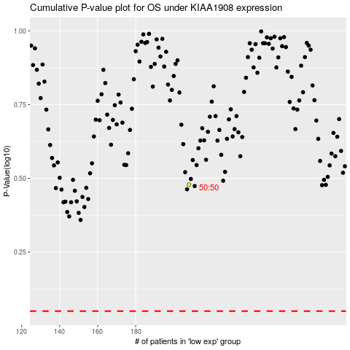

 |  |  |  |  |  | cases_OS | p_OS | rank | exp
 |  |  |  |  |  |  | cases_RFS | p_RFS | rank | exp

