KIAA1919 _multivariate
Reported by Tex Li-Hsing Chi. tex@gate.sinica.edu.tw 2019-08-18

Table 2. The clinicopathological features of HNSCC cohort and KIAA1919 expression. (Chi square test)
Cutoff at 0.025 (53.6%)
 |  | KIAA1919 expression |  | KIAA1919 expression |  | (Optimised)
 | Features | Low | (%) | High | (%) | Case no | P-value | Remark | Matthews
Gender | Female | 165 | 39.8 | 141 | 34 | 415 | 0.9873 | 0 | 0
2 | Male | 58 | 14 | 51 | 12.3
Age at diagnosis | <=65y | 153 | 36.9 | 121 | 29.2 | 415 | 0.2737 | 0 | 0
4 | >65y | 70 | 16.9 | 71 | 17.1
Clinical T Status | T1+T2 | 86 | 20.7 | 63 | 15.2 | 415 | 0.2647 | 0 | 0
6 | T3+T4 | 137 | 33 | 129 | 31.1
Clinical N Status | N0 | 109 | 26.3 | 107 | 25.8 | 415 | 0.1956 | 0 | 0
8 | N1-3 | 114 | 27.5 | 85 | 20.5
Clinical M Status | M0 | 221 | 53.3 | 191 | 46 | 415 | 1 | 0 | 0
10 | M1 | 2 | 0.5 | 1 | 0.2
Clinical Stage | Stage I+II | 56 | 13.5 | 46 | 11.1 | 415 | 0.8746 | 0 | 0
12 | Stage III+IV | 167 | 40.2 | 146 | 35.2
Surgical Margin status | Negative | 173 | 41.7 | 145 | 34.9 | 415 | 0.643 | 0 | 0
14 | Positive | 50 | 12 | 47 | 11.3
Tobacco Exposure | Low | 93 | 22.4 | 68 | 16.4 | 415 | 0.2254 | 0 | 0
16 | High | 130 | 31.3 | 124 | 29.9

Table 3. Univariate/Multivariate Cox's proportional hazards regression analyses on OS time of KIAA1919 gene expression in HNSCC

 |  | Univariate |  |  |  | Multivariate
 | Features | HR | CI95%(L) | CI95%(H) | P-value | HR | CI95%(L) | CI95%(H) | P-value
1 | Female | 1 |  |  |  | 1
Gender | Male | 1.157 | 0.843 | 1.587 | 0.367 | 1.215 | 0.871 | 1.695 | 0.252
11 | <=65y | 1 |  |  |  | 1
Age at diagnosis | >65y | 1.329 | 0.99 | 1.784 | 0.058 | 1.36 | 0.999 | 1.851 | 0.05
12 | T1+T2 | 1 |  |  |  | 1
Clinical T Status | T3+T4 | 1.409 | 1.028 | 1.931 | 0.033 | 2.214 | 1.171 | 4.188 | 0.014
13 | N0 | 1 |  |  |  | 1
Clinical N Status | N1-3 | 1.185 | 0.89 | 1.577 | 0.246 | 1.292 | 0.904 | 1.847 | 0.16
14 | M0 | 1 |  |  |  | 1
Clinical M Status | M1 | 4.097 | 1.009 | 16.644 | 0.049 | 9.545 | 2.081 | 43.783 | 0.004
15 | Stage I+II | 1 |  |  |  | 1
Clinical Stage | Stage III+IV | 1.245 | 0.882 | 1.759 | 0.213 | 0.495 | 0.231 | 1.062 | 0.071
16 | Negative | 1 |  |  |  | 1
Surgical Margin status | Positive | 1.591 | 1.155 | 2.191 | 0.004 | 1.684 | 1.218 | 2.33 | 0.002
17 | Low | 1 |  |  |  | 1
Tobacco Exposure | High | 1.364 | 1.008 | 1.844 | 0.044 | 1.433 | 1.039 | 1.977 | 0.028
18 | Low | 1 |  |  |  | 1
RNAseq(z-score) | High | 1.342 | 1.008 | 1.787 | 0.044 | 1.349 | 1.008 | 1.806 | 0.044

Table 4. Univariate/Multivariate Cox's proportional hazards regression analyses on RFS time of KIAA1919 gene expression in HNSCC

 |  | Univariate |  |  |  | Multivariate
 | Features | HR | CI95%(L) | CI95%(H) | P-value | HR | CI95%(L) | CI95%(H) | P-value
1 | Female | 1 |  |  |  | 1
Gender | Male | 1.157 | 0.843 | 1.587 | 0.367 | 1.215 | 0.871 | 1.695 | 0.252
11 | <=65y | 1 |  |  |  | 1
Age at diagnosis | >65y | 1.329 | 0.99 | 1.784 | 0.058 | 1.36 | 0.999 | 1.851 | 0.05
12 | T1+T2 | 1 |  |  |  | 1
Clinical T Status | T3+T4 | 1.409 | 1.028 | 1.931 | 0.033 | 2.214 | 1.171 | 4.188 | 0.014
13 | N0 | 1 |  |  |  | 1
Clinical N Status | N1-3 | 1.185 | 0.89 | 1.577 | 0.246 | 1.292 | 0.904 | 1.847 | 0.16
14 | M0 | 1 |  |  |  | 1
Clinical M Status | M1 | 4.097 | 1.009 | 16.644 | 0.049 | 9.545 | 2.081 | 43.783 | 0.004
15 | Stage I+II | 1 |  |  |  | 1
Clinical Stage | Stage III+IV | 1.245 | 0.882 | 1.759 | 0.213 | 0.495 | 0.231 | 1.062 | 0.071
16 | Negative | 1 |  |  |  | 1
Surgical Margin status | Positive | 1.591 | 1.155 | 2.191 | 0.004 | 1.684 | 1.218 | 2.33 | 0.002
17 | Low | 1 |  |  |  | 1
Tobacco Exposure | High | 1.364 | 1.008 | 1.844 | 0.044 | 1.433 | 1.039 | 1.977 | 0.028
18 | Low | 1 |  |  |  | 1
RNAseq(z-score) | High | 1.342 | 1.008 | 1.787 | 0.044 | 1.349 | 1.008 | 1.806 | 0.044

Kaplan-Meier survival estimate: Cutoff at 0.025 (53.6%)



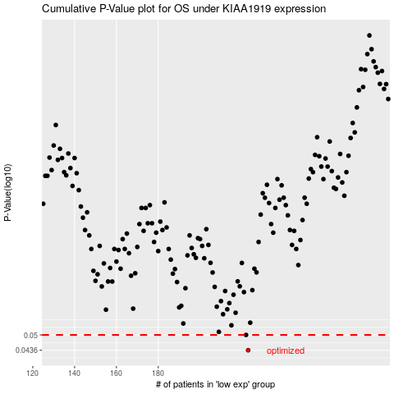

 |  |  |  |  |  | cases_OS | p_OS | rank | exp
 |  |  |  |  |  | 223 | 0.0436 | 117 | 0.025039721182
 |  |  |  |  |  | 222 | 0.05 | 269 | 0.021978383001
 |  |  |  |  |  |  | cases_RFS | p_RFS | rank | exp
 |  |  |  |  |  |  | 222 | 0.0436 | 269 | 0.021978383001
 |  |  |  |  |  |  | 221 | 0.05 | 232 | 0.019632210992

