KIAA1967 _multivariate
Reported by Tex Li-Hsing Chi. tex@gate.sinica.edu.tw 2019-08-18

Table 2. The clinicopathological features of HNSCC cohort and KIAA1967 expression. (Chi square test)
Cutoff at -0.228 (49.8%)
 |  | KIAA1967 expression |  | KIAA1967 expression |  | (Optimised)
 | Features | Low | (%) | High | (%) | Case no | P-value | Remark | Matthews
Gender | Female | 153 | 36.9 | 153 | 36.9 | 415 | 1 | 0 | 0
2 | Male | 54 | 13 | 55 | 13.3
Age at diagnosis | <=65y | 137 | 33 | 137 | 33 | 415 | 1 | 0 | 0
4 | >65y | 70 | 16.9 | 71 | 17.1
Clinical T Status | T1+T2 | 72 | 17.3 | 77 | 18.6 | 415 | 0.7095 | 0 | 0
6 | T3+T4 | 135 | 32.5 | 131 | 31.6
Clinical N Status | N0 | 112 | 27 | 104 | 25.1 | 415 | 0.4599 | 0 | 0
8 | N1-3 | 95 | 22.9 | 104 | 25.1
Clinical M Status | M0 | 204 | 49.2 | 208 | 50.1 | 415 | 0.1232 | 0 | 0
10 | M1 | 3 | 0.7 | 0 | 0
Clinical Stage | Stage I+II | 50 | 12 | 52 | 12.5 | 415 | 0.9315 | 0 | 0
12 | Stage III+IV | 157 | 37.8 | 156 | 37.6
Surgical Margin status | Negative | 157 | 37.8 | 161 | 38.8 | 415 | 0.729 | 0 | 0
14 | Positive | 50 | 12 | 47 | 11.3
Tobacco Exposure | Low | 89 | 21.4 | 72 | 17.3 | 415 | 0.0872 | 0 | 0
16 | High | 118 | 28.4 | 136 | 32.8

Table 3. Univariate/Multivariate Cox's proportional hazards regression analyses on OS time of KIAA1967 gene expression in HNSCC

 |  | Univariate |  |  |  | Multivariate
 | Features | HR | CI95%(L) | CI95%(H) | P-value | HR | CI95%(L) | CI95%(H) | P-value
1 | Female | 1 |  |  |  | 1
Gender | Male | 1.157 | 0.843 | 1.587 | 0.367 | 1.222 | 0.875 | 1.706 | 0.24
11 | <=65y | 1 |  |  |  | 1
Age at diagnosis | >65y | 1.329 | 0.99 | 1.784 | 0.058 | 1.412 | 1.038 | 1.92 | 0.028
12 | T1+T2 | 1 |  |  |  | 1
Clinical T Status | T3+T4 | 1.409 | 1.028 | 1.931 | 0.033 | 2.13 | 1.125 | 4.034 | 0.02
13 | N0 | 1 |  |  |  | 1
Clinical N Status | N1-3 | 1.185 | 0.89 | 1.577 | 0.246 | 1.252 | 0.877 | 1.786 | 0.215
14 | M0 | 1 |  |  |  | 1
Clinical M Status | M1 | 4.097 | 1.009 | 16.644 | 0.049 | 8.332 | 1.799 | 38.582 | 0.007
15 | Stage I+II | 1 |  |  |  | 1
Clinical Stage | Stage III+IV | 1.245 | 0.882 | 1.759 | 0.213 | 0.523 | 0.243 | 1.124 | 0.097
16 | Negative | 1 |  |  |  | 1
Surgical Margin status | Positive | 1.591 | 1.155 | 2.191 | 0.004 | 1.669 | 1.208 | 2.306 | 0.002
17 | Low | 1 |  |  |  | 1
Tobacco Exposure | High | 1.364 | 1.008 | 1.844 | 0.044 | 1.479 | 1.072 | 2.041 | 0.017
18 | Low | 1 |  |  |  | 1
RNAseq(z-score) | High | 0.859 | 0.645 | 1.144 | 0.299 | 0.826 | 0.617 | 1.106 | 0.198

Table 4. Univariate/Multivariate Cox's proportional hazards regression analyses on RFS time of KIAA1967 gene expression in HNSCC

 |  | Univariate |  |  |  | Multivariate
 | Features | HR | CI95%(L) | CI95%(H) | P-value | HR | CI95%(L) | CI95%(H) | P-value
1 | Female | 1 |  |  |  | 1
Gender | Male | 1.157 | 0.843 | 1.587 | 0.367 | 1.222 | 0.875 | 1.706 | 0.24
11 | <=65y | 1 |  |  |  | 1
Age at diagnosis | >65y | 1.329 | 0.99 | 1.784 | 0.058 | 1.412 | 1.038 | 1.92 | 0.028
12 | T1+T2 | 1 |  |  |  | 1
Clinical T Status | T3+T4 | 1.409 | 1.028 | 1.931 | 0.033 | 2.13 | 1.125 | 4.034 | 0.02
13 | N0 | 1 |  |  |  | 1
Clinical N Status | N1-3 | 1.185 | 0.89 | 1.577 | 0.246 | 1.252 | 0.877 | 1.786 | 0.215
14 | M0 | 1 |  |  |  | 1
Clinical M Status | M1 | 4.097 | 1.009 | 16.644 | 0.049 | 8.332 | 1.799 | 38.582 | 0.007
15 | Stage I+II | 1 |  |  |  | 1
Clinical Stage | Stage III+IV | 1.245 | 0.882 | 1.759 | 0.213 | 0.523 | 0.243 | 1.124 | 0.097
16 | Negative | 1 |  |  |  | 1
Surgical Margin status | Positive | 1.591 | 1.155 | 2.191 | 0.004 | 1.669 | 1.208 | 2.306 | 0.002
17 | Low | 1 |  |  |  | 1
Tobacco Exposure | High | 1.364 | 1.008 | 1.844 | 0.044 | 1.479 | 1.072 | 2.041 | 0.017
18 | Low | 1 |  |  |  | 1
RNAseq(z-score) | High | 0.859 | 0.645 | 1.144 | 0.299 | 0.826 | 0.617 | 1.106 | 0.198

Kaplan-Meier survival estimate: Cutoff at -0.228 (49.8%)



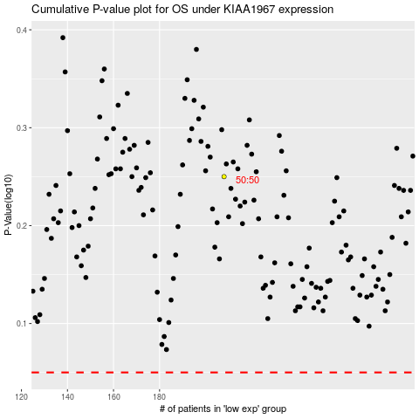

 |  |  |  |  |  | cases_OS | p_OS | rank | exp
 |  |  |  |  |  |  | cases_RFS | p_RFS | rank | exp

