KIAA1984 _multivariate
Reported by Tex Li-Hsing Chi. tex@gate.sinica.edu.tw 2019-08-18

Table 2. The clinicopathological features of HNSCC cohort and KIAA1984 expression. (Chi square test)
Cutoff at -0.214 (50.0%)
 |  | KIAA1984 expression |  | KIAA1984 expression |  | (Optimised)
 | Features | Low | (%) | High | (%) | Case no | P-value | Remark | Matthews
Gender | Female | 149 | 35.9 | 157 | 37.8 | 415 | 0.4848 | 0 | 0
2 | Male | 58 | 14 | 51 | 12.3
Age at diagnosis | <=65y | 134 | 32.3 | 140 | 33.7 | 415 | 0.6529 | 0 | 0
4 | >65y | 73 | 17.6 | 68 | 16.4
Clinical T Status | T1+T2 | 78 | 18.8 | 71 | 17.1 | 415 | 0.5152 | 0 | 0
6 | T3+T4 | 129 | 31.1 | 137 | 33
Clinical N Status | N0 | 113 | 27.2 | 103 | 24.8 | 415 | 0.3495 | 1 | 0
8 | N1-3 | 94 | 22.7 | 105 | 25.3
Clinical M Status | M0 | 204 | 49.2 | 208 | 50.1 | 415 | 0.1232 | 0 | 0
10 | M1 | 3 | 0.7 | 0 | 0
Clinical Stage | Stage I+II | 58 | 14 | 44 | 10.6 | 415 | 0.131 | 0 | 0
12 | Stage III+IV | 149 | 35.9 | 164 | 39.5
Surgical Margin status | Negative | 164 | 39.5 | 154 | 37.1 | 415 | 0.2462 | 0 | 0
14 | Positive | 43 | 10.4 | 54 | 13
Tobacco Exposure | Low | 85 | 20.5 | 76 | 18.3 | 415 | 0.3655 | 0 | 0
16 | High | 122 | 29.4 | 132 | 31.8

Table 3. Univariate/Multivariate Cox's proportional hazards regression analyses on OS time of KIAA1984 gene expression in HNSCC

 |  | Univariate |  |  |  | Multivariate
 | Features | HR | CI95%(L) | CI95%(H) | P-value | HR | CI95%(L) | CI95%(H) | P-value
1 | Female | 1 |  |  |  | 1
Gender | Male | 1.157 | 0.843 | 1.587 | 0.367 | 1.195 | 0.855 | 1.669 | 0.297
11 | <=65y | 1 |  |  |  | 1
Age at diagnosis | >65y | 1.329 | 0.99 | 1.784 | 0.058 | 1.409 | 1.036 | 1.917 | 0.029
12 | T1+T2 | 1 |  |  |  | 1
Clinical T Status | T3+T4 | 1.409 | 1.028 | 1.931 | 0.033 | 2.236 | 1.182 | 4.231 | 0.013
13 | N0 | 1 |  |  |  | 1
Clinical N Status | N1-3 | 1.185 | 0.89 | 1.577 | 0.246 | 1.235 | 0.865 | 1.761 | 0.245
14 | M0 | 1 |  |  |  | 1
Clinical M Status | M1 | 4.097 | 1.009 | 16.644 | 0.049 | 8.5 | 1.845 | 39.152 | 0.006
15 | Stage I+II | 1 |  |  |  | 1
Clinical Stage | Stage III+IV | 1.245 | 0.882 | 1.759 | 0.213 | 0.517 | 0.24 | 1.111 | 0.091
16 | Negative | 1 |  |  |  | 1
Surgical Margin status | Positive | 1.591 | 1.155 | 2.191 | 0.004 | 1.727 | 1.246 | 2.393 | 0.001
17 | Low | 1 |  |  |  | 1
Tobacco Exposure | High | 1.364 | 1.008 | 1.844 | 0.044 | 1.472 | 1.067 | 2.031 | 0.018
18 | Low | 1 |  |  |  | 1
RNAseq(z-score) | High | 0.855 | 0.64 | 1.141 | 0.287 | 0.791 | 0.588 | 1.064 | 0.122

Table 4. Univariate/Multivariate Cox's proportional hazards regression analyses on RFS time of KIAA1984 gene expression in HNSCC

 |  | Univariate |  |  |  | Multivariate
 | Features | HR | CI95%(L) | CI95%(H) | P-value | HR | CI95%(L) | CI95%(H) | P-value
1 | Female | 1 |  |  |  | 1
Gender | Male | 1.157 | 0.843 | 1.587 | 0.367 | 1.195 | 0.855 | 1.669 | 0.297
11 | <=65y | 1 |  |  |  | 1
Age at diagnosis | >65y | 1.329 | 0.99 | 1.784 | 0.058 | 1.409 | 1.036 | 1.917 | 0.029
12 | T1+T2 | 1 |  |  |  | 1
Clinical T Status | T3+T4 | 1.409 | 1.028 | 1.931 | 0.033 | 2.236 | 1.182 | 4.231 | 0.013
13 | N0 | 1 |  |  |  | 1
Clinical N Status | N1-3 | 1.185 | 0.89 | 1.577 | 0.246 | 1.235 | 0.865 | 1.761 | 0.245
14 | M0 | 1 |  |  |  | 1
Clinical M Status | M1 | 4.097 | 1.009 | 16.644 | 0.049 | 8.5 | 1.845 | 39.152 | 0.006
15 | Stage I+II | 1 |  |  |  | 1
Clinical Stage | Stage III+IV | 1.245 | 0.882 | 1.759 | 0.213 | 0.517 | 0.24 | 1.111 | 0.091
16 | Negative | 1 |  |  |  | 1
Surgical Margin status | Positive | 1.591 | 1.155 | 2.191 | 0.004 | 1.727 | 1.246 | 2.393 | 0.001
17 | Low | 1 |  |  |  | 1
Tobacco Exposure | High | 1.364 | 1.008 | 1.844 | 0.044 | 1.472 | 1.067 | 2.031 | 0.018
18 | Low | 1 |  |  |  | 1
RNAseq(z-score) | High | 0.855 | 0.64 | 1.141 | 0.287 | 0.791 | 0.588 | 1.064 | 0.122

Kaplan-Meier survival estimate: Cutoff at -0.214 (50.0%)



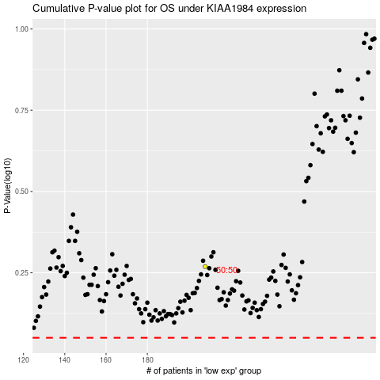

 |  |  |  |  |  | cases_OS | p_OS | rank | exp
 |  |  |  |  |  |  | cases_RFS | p_RFS | rank | exp

