KIAA2022 _multivariate
Reported by Tex Li-Hsing Chi. tex@gate.sinica.edu.tw 2019-08-18

Table 2. The clinicopathological features of HNSCC cohort and KIAA2022 expression. (Chi square test)
Cutoff at -0.376 (49.8%)
 |  | KIAA2022 expression |  | KIAA2022 expression |  | (Optimised)
 | Features | Low | (%) | High | (%) | Case no | P-value | Remark | Matthews
Gender | Female | 151 | 36.4 | 155 | 37.3 | 415 | 0.8007 | 0 | 0
2 | Male | 56 | 13.5 | 53 | 12.8
Age at diagnosis | <=65y | 129 | 31.1 | 145 | 34.9 | 415 | 0.1372 | 0 | 0
4 | >65y | 78 | 18.8 | 63 | 15.2
Clinical T Status | T1+T2 | 62 | 14.9 | 87 | 21 | 415 | 0.0156 | 1 | 0
6 | T3+T4 | 145 | 34.9 | 121 | 29.2
Clinical N Status | N0 | 104 | 25.1 | 112 | 27 | 415 | 0.5243 | 0 | 0
8 | N1-3 | 103 | 24.8 | 96 | 23.1
Clinical M Status | M0 | 204 | 49.2 | 208 | 50.1 | 415 | 0.1232 | 0 | 0
10 | M1 | 3 | 0.7 | 0 | 0
Clinical Stage | Stage I+II | 42 | 10.1 | 60 | 14.5 | 415 | 0.0561 | 0 | 0
12 | Stage III+IV | 165 | 39.8 | 148 | 35.7
Surgical Margin status | Negative | 161 | 38.8 | 157 | 37.8 | 415 | 0.6429 | 0 | 0
14 | Positive | 46 | 11.1 | 51 | 12.3
Tobacco Exposure | Low | 93 | 22.4 | 68 | 16.4 | 415 | 0.0118 | 1 | 0
16 | High | 114 | 27.5 | 140 | 33.7

Table 3. Univariate/Multivariate Cox's proportional hazards regression analyses on OS time of KIAA2022 gene expression in HNSCC

 |  | Univariate |  |  |  | Multivariate
 | Features | HR | CI95%(L) | CI95%(H) | P-value | HR | CI95%(L) | CI95%(H) | P-value
1 | Female | 1 |  |  |  | 1
Gender | Male | 1.157 | 0.843 | 1.587 | 0.367 | 1.204 | 0.861 | 1.682 | 0.278
11 | <=65y | 1 |  |  |  | 1
Age at diagnosis | >65y | 1.329 | 0.99 | 1.784 | 0.058 | 1.387 | 1.02 | 1.886 | 0.037
12 | T1+T2 | 1 |  |  |  | 1
Clinical T Status | T3+T4 | 1.409 | 1.028 | 1.931 | 0.033 | 2.184 | 1.154 | 4.133 | 0.016
13 | N0 | 1 |  |  |  | 1
Clinical N Status | N1-3 | 1.185 | 0.89 | 1.577 | 0.246 | 1.242 | 0.871 | 1.772 | 0.232
14 | M0 | 1 |  |  |  | 1
Clinical M Status | M1 | 4.097 | 1.009 | 16.644 | 0.049 | 9.025 | 1.952 | 41.719 | 0.005
15 | Stage I+II | 1 |  |  |  | 1
Clinical Stage | Stage III+IV | 1.245 | 0.882 | 1.759 | 0.213 | 0.503 | 0.234 | 1.079 | 0.078
16 | Negative | 1 |  |  |  | 1
Surgical Margin status | Positive | 1.591 | 1.155 | 2.191 | 0.004 | 1.677 | 1.213 | 2.318 | 0.002
17 | Low | 1 |  |  |  | 1
Tobacco Exposure | High | 1.364 | 1.008 | 1.844 | 0.044 | 1.47 | 1.063 | 2.033 | 0.02
18 | Low | 1 |  |  |  | 1
RNAseq(z-score) | High | 0.922 | 0.692 | 1.228 | 0.577 | 0.928 | 0.692 | 1.245 | 0.617

Table 4. Univariate/Multivariate Cox's proportional hazards regression analyses on RFS time of KIAA2022 gene expression in HNSCC

 |  | Univariate |  |  |  | Multivariate
 | Features | HR | CI95%(L) | CI95%(H) | P-value | HR | CI95%(L) | CI95%(H) | P-value
1 | Female | 1 |  |  |  | 1
Gender | Male | 1.157 | 0.843 | 1.587 | 0.367 | 1.204 | 0.861 | 1.682 | 0.278
11 | <=65y | 1 |  |  |  | 1
Age at diagnosis | >65y | 1.329 | 0.99 | 1.784 | 0.058 | 1.387 | 1.02 | 1.886 | 0.037
12 | T1+T2 | 1 |  |  |  | 1
Clinical T Status | T3+T4 | 1.409 | 1.028 | 1.931 | 0.033 | 2.184 | 1.154 | 4.133 | 0.016
13 | N0 | 1 |  |  |  | 1
Clinical N Status | N1-3 | 1.185 | 0.89 | 1.577 | 0.246 | 1.242 | 0.871 | 1.772 | 0.232
14 | M0 | 1 |  |  |  | 1
Clinical M Status | M1 | 4.097 | 1.009 | 16.644 | 0.049 | 9.025 | 1.952 | 41.719 | 0.005
15 | Stage I+II | 1 |  |  |  | 1
Clinical Stage | Stage III+IV | 1.245 | 0.882 | 1.759 | 0.213 | 0.503 | 0.234 | 1.079 | 0.078
16 | Negative | 1 |  |  |  | 1
Surgical Margin status | Positive | 1.591 | 1.155 | 2.191 | 0.004 | 1.677 | 1.213 | 2.318 | 0.002
17 | Low | 1 |  |  |  | 1
Tobacco Exposure | High | 1.364 | 1.008 | 1.844 | 0.044 | 1.47 | 1.063 | 2.033 | 0.02
18 | Low | 1 |  |  |  | 1
RNAseq(z-score) | High | 0.922 | 0.692 | 1.228 | 0.577 | 0.928 | 0.692 | 1.245 | 0.617

Kaplan-Meier survival estimate: Cutoff at -0.376 (49.8%)



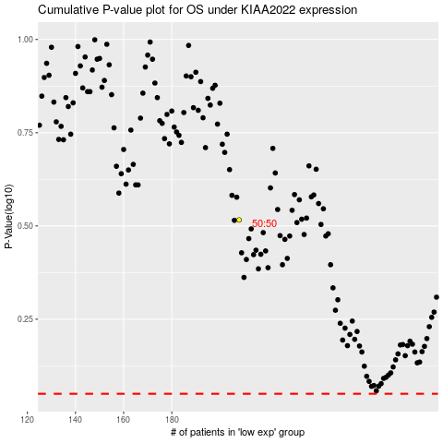

 |  |  |  |  |  | cases_OS | p_OS | rank | exp
 |  |  |  |  |  |  | cases_RFS | p_RFS | rank | exp

