KIAA2026 _multivariate
Reported by Tex Li-Hsing Chi. tex@gate.sinica.edu.tw 2019-08-18

Table 2. The clinicopathological features of HNSCC cohort and KIAA2026 expression. (Chi square test)
Cutoff at -0.135 (50.0%)
 |  | KIAA2026 expression |  | KIAA2026 expression |  | (Optimised)
 | Features | Low | (%) | High | (%) | Case no | P-value | Remark | Matthews
Gender | Female | 158 | 38.1 | 148 | 35.7 | 415 | 0.2774 | 0 | 0
2 | Male | 49 | 11.8 | 60 | 14.5
Age at diagnosis | <=65y | 141 | 34 | 133 | 32 | 415 | 0.4272 | 0 | 0
4 | >65y | 66 | 15.9 | 75 | 18.1
Clinical T Status | T1+T2 | 65 | 15.7 | 84 | 20.2 | 415 | 0.0711 | 0 | 0
6 | T3+T4 | 142 | 34.2 | 124 | 29.9
Clinical N Status | N0 | 112 | 27 | 104 | 25.1 | 415 | 0.4599 | 0 | 0
8 | N1-3 | 95 | 22.9 | 104 | 25.1
Clinical M Status | M0 | 205 | 49.4 | 207 | 49.9 | 415 | 0.6232 | 0 | 0
10 | M1 | 2 | 0.5 | 1 | 0.2
Clinical Stage | Stage I+II | 46 | 11.1 | 56 | 13.5 | 415 | 0.3182 | 0 | 0
12 | Stage III+IV | 161 | 38.8 | 152 | 36.6
Surgical Margin status | Negative | 165 | 39.8 | 153 | 36.9 | 415 | 0.1639 | 0 | 0
14 | Positive | 42 | 10.1 | 55 | 13.3
Tobacco Exposure | Low | 68 | 16.4 | 93 | 22.4 | 415 | 0.0156 | 1 | 0
16 | High | 139 | 33.5 | 115 | 27.7

Table 3. Univariate/Multivariate Cox's proportional hazards regression analyses on OS time of KIAA2026 gene expression in HNSCC

 |  | Univariate |  |  |  | Multivariate
 | Features | HR | CI95%(L) | CI95%(H) | P-value | HR | CI95%(L) | CI95%(H) | P-value
1 | Female | 1 |  |  |  | 1
Gender | Male | 1.157 | 0.843 | 1.587 | 0.367 | 1.213 | 0.868 | 1.696 | 0.257
11 | <=65y | 1 |  |  |  | 1
Age at diagnosis | >65y | 1.329 | 0.99 | 1.784 | 0.058 | 1.379 | 1.014 | 1.876 | 0.04
12 | T1+T2 | 1 |  |  |  | 1
Clinical T Status | T3+T4 | 1.409 | 1.028 | 1.931 | 0.033 | 2.249 | 1.188 | 4.26 | 0.013
13 | N0 | 1 |  |  |  | 1
Clinical N Status | N1-3 | 1.185 | 0.89 | 1.577 | 0.246 | 1.22 | 0.854 | 1.742 | 0.274
14 | M0 | 1 |  |  |  | 1
Clinical M Status | M1 | 4.097 | 1.009 | 16.644 | 0.049 | 10.163 | 2.204 | 46.865 | 0.003
15 | Stage I+II | 1 |  |  |  | 1
Clinical Stage | Stage III+IV | 1.245 | 0.882 | 1.759 | 0.213 | 0.506 | 0.236 | 1.087 | 0.081
16 | Negative | 1 |  |  |  | 1
Surgical Margin status | Positive | 1.591 | 1.155 | 2.191 | 0.004 | 1.66 | 1.201 | 2.295 | 0.002
17 | Low | 1 |  |  |  | 1
Tobacco Exposure | High | 1.364 | 1.008 | 1.844 | 0.044 | 1.495 | 1.081 | 2.068 | 0.015
18 | Low | 1 |  |  |  | 1
RNAseq(z-score) | High | 1.119 | 0.84 | 1.492 | 0.442 | 1.192 | 0.887 | 1.602 | 0.245

Table 4. Univariate/Multivariate Cox's proportional hazards regression analyses on RFS time of KIAA2026 gene expression in HNSCC

 |  | Univariate |  |  |  | Multivariate
 | Features | HR | CI95%(L) | CI95%(H) | P-value | HR | CI95%(L) | CI95%(H) | P-value
1 | Female | 1 |  |  |  | 1
Gender | Male | 1.157 | 0.843 | 1.587 | 0.367 | 1.213 | 0.868 | 1.696 | 0.257
11 | <=65y | 1 |  |  |  | 1
Age at diagnosis | >65y | 1.329 | 0.99 | 1.784 | 0.058 | 1.379 | 1.014 | 1.876 | 0.04
12 | T1+T2 | 1 |  |  |  | 1
Clinical T Status | T3+T4 | 1.409 | 1.028 | 1.931 | 0.033 | 2.249 | 1.188 | 4.26 | 0.013
13 | N0 | 1 |  |  |  | 1
Clinical N Status | N1-3 | 1.185 | 0.89 | 1.577 | 0.246 | 1.22 | 0.854 | 1.742 | 0.274
14 | M0 | 1 |  |  |  | 1
Clinical M Status | M1 | 4.097 | 1.009 | 16.644 | 0.049 | 10.163 | 2.204 | 46.865 | 0.003
15 | Stage I+II | 1 |  |  |  | 1
Clinical Stage | Stage III+IV | 1.245 | 0.882 | 1.759 | 0.213 | 0.506 | 0.236 | 1.087 | 0.081
16 | Negative | 1 |  |  |  | 1
Surgical Margin status | Positive | 1.591 | 1.155 | 2.191 | 0.004 | 1.66 | 1.201 | 2.295 | 0.002
17 | Low | 1 |  |  |  | 1
Tobacco Exposure | High | 1.364 | 1.008 | 1.844 | 0.044 | 1.495 | 1.081 | 2.068 | 0.015
18 | Low | 1 |  |  |  | 1
RNAseq(z-score) | High | 1.119 | 0.84 | 1.492 | 0.442 | 1.192 | 0.887 | 1.602 | 0.245

Kaplan-Meier survival estimate: Cutoff at -0.135 (50.0%)



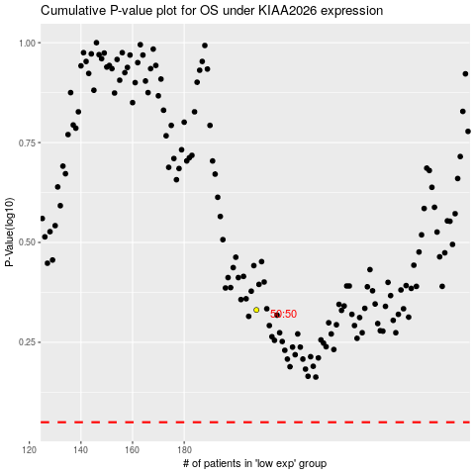

 |  |  |  |  |  | cases_OS | p_OS | rank | exp
 |  |  |  |  |  |  | cases_RFS | p_RFS | rank | exp

