KIDINS220 _multivariate
Reported by Tex Li-Hsing Chi. tex@gate.sinica.edu.tw 2019-08-18

Table 2. The clinicopathological features of HNSCC cohort and KIDINS220 expression. (Chi square test)
Cutoff at 0.022 (50.0%)
 |  | KIDINS220 expression |  | KIDINS220 expression |  | (Optimised)
 | Features | Low | (%) | High | (%) | Case no | P-value | Remark | Matthews
Gender | Female | 159 | 38.3 | 147 | 35.4 | 415 | 0.1905 | 0 | 0
2 | Male | 48 | 11.6 | 61 | 14.7
Age at diagnosis | <=65y | 132 | 31.8 | 142 | 34.2 | 415 | 0.3874 | 0 | 0
4 | >65y | 75 | 18.1 | 66 | 15.9
Clinical T Status | T1+T2 | 77 | 18.6 | 72 | 17.3 | 415 | 0.6556 | 0 | 0
6 | T3+T4 | 130 | 31.3 | 136 | 32.8
Clinical N Status | N0 | 109 | 26.3 | 107 | 25.8 | 415 | 0.8812 | 0 | 0
8 | N1-3 | 98 | 23.6 | 101 | 24.3
Clinical M Status | M0 | 204 | 49.2 | 208 | 50.1 | 415 | 0.1232 | 0 | 0
10 | M1 | 3 | 0.7 | 0 | 0
Clinical Stage | Stage I+II | 49 | 11.8 | 53 | 12.8 | 415 | 0.7535 | 0 | 0
12 | Stage III+IV | 158 | 38.1 | 155 | 37.3
Surgical Margin status | Negative | 159 | 38.3 | 159 | 38.3 | 415 | 1 | 0 | 0
14 | Positive | 48 | 11.6 | 49 | 11.8
Tobacco Exposure | Low | 88 | 21.2 | 73 | 17.6 | 415 | 0.1314 | 0 | 0
16 | High | 119 | 28.7 | 135 | 32.5

Table 3. Univariate/Multivariate Cox's proportional hazards regression analyses on OS time of KIDINS220 gene expression in HNSCC

 |  | Univariate |  |  |  | Multivariate
 | Features | HR | CI95%(L) | CI95%(H) | P-value | HR | CI95%(L) | CI95%(H) | P-value
1 | Female | 1 |  |  |  | 1
Gender | Male | 1.157 | 0.843 | 1.587 | 0.367 | 1.203 | 0.861 | 1.68 | 0.278
11 | <=65y | 1 |  |  |  | 1
Age at diagnosis | >65y | 1.329 | 0.99 | 1.784 | 0.058 | 1.423 | 1.045 | 1.937 | 0.025
12 | T1+T2 | 1 |  |  |  | 1
Clinical T Status | T3+T4 | 1.409 | 1.028 | 1.931 | 0.033 | 2.143 | 1.133 | 4.055 | 0.019
13 | N0 | 1 |  |  |  | 1
Clinical N Status | N1-3 | 1.185 | 0.89 | 1.577 | 0.246 | 1.241 | 0.869 | 1.773 | 0.235
14 | M0 | 1 |  |  |  | 1
Clinical M Status | M1 | 4.097 | 1.009 | 16.644 | 0.049 | 10.452 | 2.266 | 48.207 | 0.003
15 | Stage I+II | 1 |  |  |  | 1
Clinical Stage | Stage III+IV | 1.245 | 0.882 | 1.759 | 0.213 | 0.522 | 0.243 | 1.122 | 0.096
16 | Negative | 1 |  |  |  | 1
Surgical Margin status | Positive | 1.591 | 1.155 | 2.191 | 0.004 | 1.671 | 1.209 | 2.309 | 0.002
17 | Low | 1 |  |  |  | 1
Tobacco Exposure | High | 1.364 | 1.008 | 1.844 | 0.044 | 1.444 | 1.049 | 1.989 | 0.024
18 | Low | 1 |  |  |  | 1
RNAseq(z-score) | High | 1.233 | 0.924 | 1.646 | 0.154 | 1.267 | 0.945 | 1.7 | 0.113

Table 4. Univariate/Multivariate Cox's proportional hazards regression analyses on RFS time of KIDINS220 gene expression in HNSCC

 |  | Univariate |  |  |  | Multivariate
 | Features | HR | CI95%(L) | CI95%(H) | P-value | HR | CI95%(L) | CI95%(H) | P-value
1 | Female | 1 |  |  |  | 1
Gender | Male | 1.157 | 0.843 | 1.587 | 0.367 | 1.203 | 0.861 | 1.68 | 0.278
11 | <=65y | 1 |  |  |  | 1
Age at diagnosis | >65y | 1.329 | 0.99 | 1.784 | 0.058 | 1.423 | 1.045 | 1.937 | 0.025
12 | T1+T2 | 1 |  |  |  | 1
Clinical T Status | T3+T4 | 1.409 | 1.028 | 1.931 | 0.033 | 2.143 | 1.133 | 4.055 | 0.019
13 | N0 | 1 |  |  |  | 1
Clinical N Status | N1-3 | 1.185 | 0.89 | 1.577 | 0.246 | 1.241 | 0.869 | 1.773 | 0.235
14 | M0 | 1 |  |  |  | 1
Clinical M Status | M1 | 4.097 | 1.009 | 16.644 | 0.049 | 10.452 | 2.266 | 48.207 | 0.003
15 | Stage I+II | 1 |  |  |  | 1
Clinical Stage | Stage III+IV | 1.245 | 0.882 | 1.759 | 0.213 | 0.522 | 0.243 | 1.122 | 0.096
16 | Negative | 1 |  |  |  | 1
Surgical Margin status | Positive | 1.591 | 1.155 | 2.191 | 0.004 | 1.671 | 1.209 | 2.309 | 0.002
17 | Low | 1 |  |  |  | 1
Tobacco Exposure | High | 1.364 | 1.008 | 1.844 | 0.044 | 1.444 | 1.049 | 1.989 | 0.024
18 | Low | 1 |  |  |  | 1
RNAseq(z-score) | High | 1.233 | 0.924 | 1.646 | 0.154 | 1.267 | 0.945 | 1.7 | 0.113

Kaplan-Meier survival estimate: Cutoff at 0.022 (50.0%)



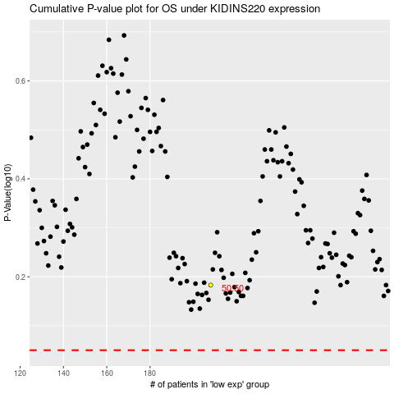

 |  |  |  |  |  | cases_OS | p_OS | rank | exp
 |  |  |  |  |  |  | cases_RFS | p_RFS | rank | exp

