KIF14 _multivariate
Reported by Tex Li-Hsing Chi. tex@gate.sinica.edu.tw 2019-08-18

Table 2. The clinicopathological features of HNSCC cohort and KIF14 expression. (Chi square test)
Cutoff at -0.079 (49.8%)
 |  | KIF14 expression |  | KIF14 expression |  | (Optimised)
 | Features | Low | (%) | High | (%) | Case no | P-value | Remark | Matthews
Gender | Female | 148 | 35.7 | 158 | 38.1 | 415 | 0.3567 | 0 | 0
2 | Male | 59 | 14.2 | 50 | 12
Age at diagnosis | <=65y | 134 | 32.3 | 140 | 33.7 | 415 | 0.6529 | 0 | 0
4 | >65y | 73 | 17.6 | 68 | 16.4
Clinical T Status | T1+T2 | 75 | 18.1 | 74 | 17.8 | 415 | 0.9707 | 0 | 0
6 | T3+T4 | 132 | 31.8 | 134 | 32.3
Clinical N Status | N0 | 117 | 28.2 | 99 | 23.9 | 415 | 0.0852 | 1 | 0
8 | N1-3 | 90 | 21.7 | 109 | 26.3
Clinical M Status | M0 | 206 | 49.6 | 206 | 49.6 | 415 | 1 | 0 | 0
10 | M1 | 1 | 0.2 | 2 | 0.5
Clinical Stage | Stage I+II | 54 | 13 | 48 | 11.6 | 415 | 0.5498 | 0 | 0
12 | Stage III+IV | 153 | 36.9 | 160 | 38.6
Surgical Margin status | Negative | 155 | 37.3 | 163 | 39.3 | 415 | 0.4187 | 0 | 0
14 | Positive | 52 | 12.5 | 45 | 10.8
Tobacco Exposure | Low | 95 | 22.9 | 66 | 15.9 | 415 | 0.0035 | 1 | 0
16 | High | 112 | 27 | 142 | 34.2

Table 3. Univariate/Multivariate Cox's proportional hazards regression analyses on OS time of KIF14 gene expression in HNSCC

 |  | Univariate |  |  |  | Multivariate
 | Features | HR | CI95%(L) | CI95%(H) | P-value | HR | CI95%(L) | CI95%(H) | P-value
1 | Female | 1 |  |  |  | 1
Gender | Male | 1.157 | 0.843 | 1.587 | 0.367 | 1.215 | 0.869 | 1.7 | 0.255
11 | <=65y | 1 |  |  |  | 1
Age at diagnosis | >65y | 1.329 | 0.99 | 1.784 | 0.058 | 1.388 | 1.021 | 1.886 | 0.037
12 | T1+T2 | 1 |  |  |  | 1
Clinical T Status | T3+T4 | 1.409 | 1.028 | 1.931 | 0.033 | 2.218 | 1.173 | 4.195 | 0.014
13 | N0 | 1 |  |  |  | 1
Clinical N Status | N1-3 | 1.185 | 0.89 | 1.577 | 0.246 | 1.223 | 0.856 | 1.749 | 0.269
14 | M0 | 1 |  |  |  | 1
Clinical M Status | M1 | 4.097 | 1.009 | 16.644 | 0.049 | 9.479 | 2.067 | 43.462 | 0.004
15 | Stage I+II | 1 |  |  |  | 1
Clinical Stage | Stage III+IV | 1.245 | 0.882 | 1.759 | 0.213 | 0.503 | 0.234 | 1.08 | 0.078
16 | Negative | 1 |  |  |  | 1
Surgical Margin status | Positive | 1.591 | 1.155 | 2.191 | 0.004 | 1.694 | 1.223 | 2.346 | 0.002
17 | Low | 1 |  |  |  | 1
Tobacco Exposure | High | 1.364 | 1.008 | 1.844 | 0.044 | 1.447 | 1.05 | 1.994 | 0.024
18 | Low | 1 |  |  |  | 1
RNAseq(z-score) | High | 1.079 | 0.81 | 1.437 | 0.604 | 1.115 | 0.831 | 1.494 | 0.468

Table 4. Univariate/Multivariate Cox's proportional hazards regression analyses on RFS time of KIF14 gene expression in HNSCC

 |  | Univariate |  |  |  | Multivariate
 | Features | HR | CI95%(L) | CI95%(H) | P-value | HR | CI95%(L) | CI95%(H) | P-value
1 | Female | 1 |  |  |  | 1
Gender | Male | 1.157 | 0.843 | 1.587 | 0.367 | 1.215 | 0.869 | 1.7 | 0.255
11 | <=65y | 1 |  |  |  | 1
Age at diagnosis | >65y | 1.329 | 0.99 | 1.784 | 0.058 | 1.388 | 1.021 | 1.886 | 0.037
12 | T1+T2 | 1 |  |  |  | 1
Clinical T Status | T3+T4 | 1.409 | 1.028 | 1.931 | 0.033 | 2.218 | 1.173 | 4.195 | 0.014
13 | N0 | 1 |  |  |  | 1
Clinical N Status | N1-3 | 1.185 | 0.89 | 1.577 | 0.246 | 1.223 | 0.856 | 1.749 | 0.269
14 | M0 | 1 |  |  |  | 1
Clinical M Status | M1 | 4.097 | 1.009 | 16.644 | 0.049 | 9.479 | 2.067 | 43.462 | 0.004
15 | Stage I+II | 1 |  |  |  | 1
Clinical Stage | Stage III+IV | 1.245 | 0.882 | 1.759 | 0.213 | 0.503 | 0.234 | 1.08 | 0.078
16 | Negative | 1 |  |  |  | 1
Surgical Margin status | Positive | 1.591 | 1.155 | 2.191 | 0.004 | 1.694 | 1.223 | 2.346 | 0.002
17 | Low | 1 |  |  |  | 1
Tobacco Exposure | High | 1.364 | 1.008 | 1.844 | 0.044 | 1.447 | 1.05 | 1.994 | 0.024
18 | Low | 1 |  |  |  | 1
RNAseq(z-score) | High | 1.079 | 0.81 | 1.437 | 0.604 | 1.115 | 0.831 | 1.494 | 0.468

Kaplan-Meier survival estimate: Cutoff at -0.079 (49.8%)

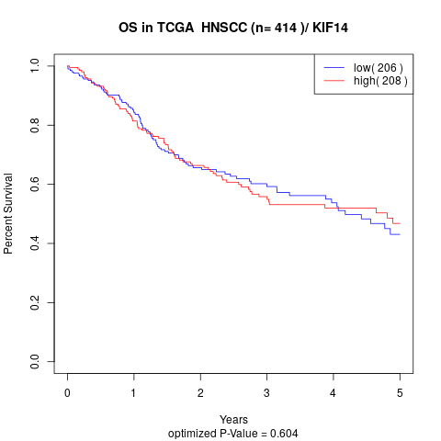

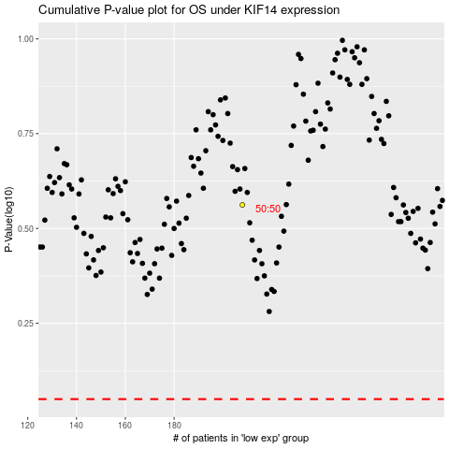

 |  |  |  |  |  | cases_OS | p_OS | rank | exp
 |  |  |  |  |  |  | cases_RFS | p_RFS | rank | exp

