KIF15 _multivariate
Reported by Tex Li-Hsing Chi. tex@gate.sinica.edu.tw 2019-08-18

Table 2. The clinicopathological features of HNSCC cohort and KIF15 expression. (Chi square test)
Cutoff at -0.502 (32.9%)
 |  | KIF15 expression |  | KIF15 expression |  | (Optimised)
 | Features | Low | (%) | High | (%) | Case no | P-value | Remark | Matthews
Gender | Female | 98 | 23.6 | 208 | 50.1 | 415 | 0.5505 | 0 | 0
2 | Male | 39 | 9.4 | 70 | 16.9
Age at diagnosis | <=65y | 94 | 22.7 | 180 | 43.4 | 415 | 0.5019 | 0 | 0
4 | >65y | 43 | 10.4 | 98 | 23.6
Clinical T Status | T1+T2 | 52 | 12.5 | 97 | 23.4 | 415 | 0.6149 | 0 | 0
6 | T3+T4 | 85 | 20.5 | 181 | 43.6
Clinical N Status | N0 | 79 | 19 | 137 | 33 | 415 | 0.1328 | 0 | 0
8 | N1-3 | 58 | 14 | 141 | 34
Clinical M Status | M0 | 136 | 32.8 | 276 | 66.5 | 415 | 1 | 0 | 0
10 | M1 | 1 | 0.2 | 2 | 0.5
Clinical Stage | Stage I+II | 39 | 9.4 | 63 | 15.2 | 415 | 0.2418 | 0 | 0
12 | Stage III+IV | 98 | 23.6 | 215 | 51.8
Surgical Margin status | Negative | 112 | 27 | 206 | 49.6 | 415 | 0.086 | 0 | 0
14 | Positive | 25 | 6 | 72 | 17.3
Tobacco Exposure | Low | 68 | 16.4 | 93 | 22.4 | 415 | 0.0019 | 1 | 0
16 | High | 69 | 16.6 | 185 | 44.6

Table 3. Univariate/Multivariate Cox's proportional hazards regression analyses on OS time of KIF15 gene expression in HNSCC

 |  | Univariate |  |  |  | Multivariate
 | Features | HR | CI95%(L) | CI95%(H) | P-value | HR | CI95%(L) | CI95%(H) | P-value
1 | Female | 1 |  |  |  | 1
Gender | Male | 1.157 | 0.843 | 1.587 | 0.367 | 1.213 | 0.867 | 1.695 | 0.259
11 | <=65y | 1 |  |  |  | 1
Age at diagnosis | >65y | 1.329 | 0.99 | 1.784 | 0.058 | 1.369 | 1.005 | 1.863 | 0.046
12 | T1+T2 | 1 |  |  |  | 1
Clinical T Status | T3+T4 | 1.409 | 1.028 | 1.931 | 0.033 | 2.273 | 1.201 | 4.302 | 0.012
13 | N0 | 1 |  |  |  | 1
Clinical N Status | N1-3 | 1.185 | 0.89 | 1.577 | 0.246 | 1.249 | 0.875 | 1.784 | 0.222
14 | M0 | 1 |  |  |  | 1
Clinical M Status | M1 | 4.097 | 1.009 | 16.644 | 0.049 | 9.865 | 2.149 | 45.274 | 0.003
15 | Stage I+II | 1 |  |  |  | 1
Clinical Stage | Stage III+IV | 1.245 | 0.882 | 1.759 | 0.213 | 0.49 | 0.228 | 1.054 | 0.068
16 | Negative | 1 |  |  |  | 1
Surgical Margin status | Positive | 1.591 | 1.155 | 2.191 | 0.004 | 1.626 | 1.175 | 2.25 | 0.003
17 | Low | 1 |  |  |  | 1
Tobacco Exposure | High | 1.364 | 1.008 | 1.844 | 0.044 | 1.398 | 1.011 | 1.932 | 0.043
18 | Low | 1 |  |  |  | 1
RNAseq(z-score) | High | 1.403 | 1.02 | 1.929 | 0.037 | 1.306 | 0.943 | 1.809 | 0.108

Table 4. Univariate/Multivariate Cox's proportional hazards regression analyses on RFS time of KIF15 gene expression in HNSCC

 |  | Univariate |  |  |  | Multivariate
 | Features | HR | CI95%(L) | CI95%(H) | P-value | HR | CI95%(L) | CI95%(H) | P-value
1 | Female | 1 |  |  |  | 1
Gender | Male | 1.157 | 0.843 | 1.587 | 0.367 | 1.213 | 0.867 | 1.695 | 0.259
11 | <=65y | 1 |  |  |  | 1
Age at diagnosis | >65y | 1.329 | 0.99 | 1.784 | 0.058 | 1.369 | 1.005 | 1.863 | 0.046
12 | T1+T2 | 1 |  |  |  | 1
Clinical T Status | T3+T4 | 1.409 | 1.028 | 1.931 | 0.033 | 2.273 | 1.201 | 4.302 | 0.012
13 | N0 | 1 |  |  |  | 1
Clinical N Status | N1-3 | 1.185 | 0.89 | 1.577 | 0.246 | 1.249 | 0.875 | 1.784 | 0.222
14 | M0 | 1 |  |  |  | 1
Clinical M Status | M1 | 4.097 | 1.009 | 16.644 | 0.049 | 9.865 | 2.149 | 45.274 | 0.003
15 | Stage I+II | 1 |  |  |  | 1
Clinical Stage | Stage III+IV | 1.245 | 0.882 | 1.759 | 0.213 | 0.49 | 0.228 | 1.054 | 0.068
16 | Negative | 1 |  |  |  | 1
Surgical Margin status | Positive | 1.591 | 1.155 | 2.191 | 0.004 | 1.626 | 1.175 | 2.25 | 0.003
17 | Low | 1 |  |  |  | 1
Tobacco Exposure | High | 1.364 | 1.008 | 1.844 | 0.044 | 1.398 | 1.011 | 1.932 | 0.043
18 | Low | 1 |  |  |  | 1
RNAseq(z-score) | High | 1.403 | 1.02 | 1.929 | 0.037 | 1.306 | 0.943 | 1.809 | 0.108

Kaplan-Meier survival estimate: Cutoff at -0.502 (32.9%)



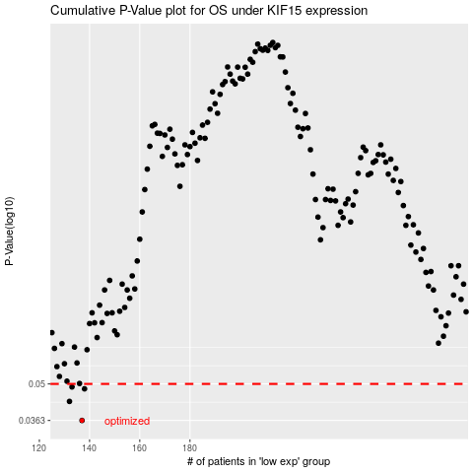

 |  |  |  |  |  | cases_OS | p_OS | rank | exp
 |  |  |  |  |  | 137 | 0.0363 | 385 | -0.50211285904
 |  |  |  |  |  | 132 | 0.0429 | 226 | -0.51672713642
 |  |  |  |  |  | 138 | 0.0479 | 241 | -0.4991746021
 |  |  |  |  |  | 133 | 0.0487 | 250 | -0.50663176245
 |  |  |  |  |  |  | cases_RFS | p_RFS | rank | exp
 |  |  |  |  |  |  | 136 | 0.0363 | 35 | -0.50394278105
 |  |  |  |  |  |  | 131 | 0.0429 | 262 | -0.52946642825
 |  |  |  |  |  |  | 137 | 0.0479 | 385 | -0.50211285904
 |  |  |  |  |  |  | 132 | 0.0487 | 226 | -0.51672713642

