KIF16B _multivariate
Reported by Tex Li-Hsing Chi. tex@gate.sinica.edu.tw 2019-08-18

Table 2. The clinicopathological features of HNSCC cohort and KIF16B expression. (Chi square test)
Cutoff at -0.027 (50.0%)
 |  | KIF16B expression |  | KIF16B expression |  | (Optimised)
 | Features | Low | (%) | High | (%) | Case no | P-value | Remark | Matthews
Gender | Female | 153 | 36.9 | 153 | 36.9 | 415 | 1 | 0 | 0
2 | Male | 54 | 13 | 55 | 13.3
Age at diagnosis | <=65y | 134 | 32.3 | 140 | 33.7 | 415 | 0.6529 | 0 | 0
4 | >65y | 73 | 17.6 | 68 | 16.4
Clinical T Status | T1+T2 | 72 | 17.3 | 77 | 18.6 | 415 | 0.7095 | 0 | 0
6 | T3+T4 | 135 | 32.5 | 131 | 31.6
Clinical N Status | N0 | 92 | 22.2 | 124 | 29.9 | 415 | 0.0027 | 1 | 0
8 | N1-3 | 115 | 27.7 | 84 | 20.2
Clinical M Status | M0 | 207 | 49.9 | 205 | 49.4 | 415 | 0.2482 | 0 | 0
10 | M1 | 0 | 0 | 3 | 0.7
Clinical Stage | Stage I+II | 45 | 10.8 | 57 | 13.7 | 415 | 0.2202 | 0 | 0
12 | Stage III+IV | 162 | 39 | 151 | 36.4
Surgical Margin status | Negative | 148 | 35.7 | 170 | 41 | 415 | 0.015 | 1 | 0
14 | Positive | 59 | 14.2 | 38 | 9.2
Tobacco Exposure | Low | 80 | 19.3 | 81 | 19.5 | 415 | 1 | 0 | 0
16 | High | 127 | 30.6 | 127 | 30.6

Table 3. Univariate/Multivariate Cox's proportional hazards regression analyses on OS time of KIF16B gene expression in HNSCC

 |  | Univariate |  |  |  | Multivariate
 | Features | HR | CI95%(L) | CI95%(H) | P-value | HR | CI95%(L) | CI95%(H) | P-value
1 | Female | 1 |  |  |  | 1
Gender | Male | 1.157 | 0.843 | 1.587 | 0.367 | 1.2 | 0.86 | 1.675 | 0.283
11 | <=65y | 1 |  |  |  | 1
Age at diagnosis | >65y | 1.329 | 0.99 | 1.784 | 0.058 | 1.398 | 1.028 | 1.899 | 0.032
12 | T1+T2 | 1 |  |  |  | 1
Clinical T Status | T3+T4 | 1.409 | 1.028 | 1.931 | 0.033 | 2.23 | 1.178 | 4.219 | 0.014
13 | N0 | 1 |  |  |  | 1
Clinical N Status | N1-3 | 1.185 | 0.89 | 1.577 | 0.246 | 1.275 | 0.89 | 1.825 | 0.185
14 | M0 | 1 |  |  |  | 1
Clinical M Status | M1 | 4.097 | 1.009 | 16.644 | 0.049 | 8.726 | 1.892 | 40.249 | 0.005
15 | Stage I+II | 1 |  |  |  | 1
Clinical Stage | Stage III+IV | 1.245 | 0.882 | 1.759 | 0.213 | 0.491 | 0.228 | 1.055 | 0.068
16 | Negative | 1 |  |  |  | 1
Surgical Margin status | Positive | 1.591 | 1.155 | 2.191 | 0.004 | 1.732 | 1.244 | 2.412 | 0.001
17 | Low | 1 |  |  |  | 1
Tobacco Exposure | High | 1.364 | 1.008 | 1.844 | 0.044 | 1.444 | 1.049 | 1.989 | 0.024
18 | Low | 1 |  |  |  | 1
RNAseq(z-score) | High | 1.066 | 0.8 | 1.42 | 0.663 | 1.173 | 0.871 | 1.579 | 0.295

Table 4. Univariate/Multivariate Cox's proportional hazards regression analyses on RFS time of KIF16B gene expression in HNSCC

 |  | Univariate |  |  |  | Multivariate
 | Features | HR | CI95%(L) | CI95%(H) | P-value | HR | CI95%(L) | CI95%(H) | P-value
1 | Female | 1 |  |  |  | 1
Gender | Male | 1.157 | 0.843 | 1.587 | 0.367 | 1.2 | 0.86 | 1.675 | 0.283
11 | <=65y | 1 |  |  |  | 1
Age at diagnosis | >65y | 1.329 | 0.99 | 1.784 | 0.058 | 1.398 | 1.028 | 1.899 | 0.032
12 | T1+T2 | 1 |  |  |  | 1
Clinical T Status | T3+T4 | 1.409 | 1.028 | 1.931 | 0.033 | 2.23 | 1.178 | 4.219 | 0.014
13 | N0 | 1 |  |  |  | 1
Clinical N Status | N1-3 | 1.185 | 0.89 | 1.577 | 0.246 | 1.275 | 0.89 | 1.825 | 0.185
14 | M0 | 1 |  |  |  | 1
Clinical M Status | M1 | 4.097 | 1.009 | 16.644 | 0.049 | 8.726 | 1.892 | 40.249 | 0.005
15 | Stage I+II | 1 |  |  |  | 1
Clinical Stage | Stage III+IV | 1.245 | 0.882 | 1.759 | 0.213 | 0.491 | 0.228 | 1.055 | 0.068
16 | Negative | 1 |  |  |  | 1
Surgical Margin status | Positive | 1.591 | 1.155 | 2.191 | 0.004 | 1.732 | 1.244 | 2.412 | 0.001
17 | Low | 1 |  |  |  | 1
Tobacco Exposure | High | 1.364 | 1.008 | 1.844 | 0.044 | 1.444 | 1.049 | 1.989 | 0.024
18 | Low | 1 |  |  |  | 1
RNAseq(z-score) | High | 1.066 | 0.8 | 1.42 | 0.663 | 1.173 | 0.871 | 1.579 | 0.295

Kaplan-Meier survival estimate: Cutoff at -0.027 (50.0%)



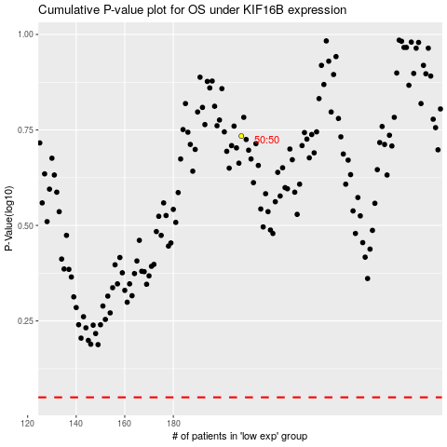

 |  |  |  |  |  | cases_OS | p_OS | rank | exp
 |  |  |  |  |  |  | cases_RFS | p_RFS | rank | exp

