KIF18B _multivariate
Reported by Tex Li-Hsing Chi. tex@gate.sinica.edu.tw 2019-08-18

Table 2. The clinicopathological features of HNSCC cohort and KIF18B expression. (Chi square test)
Cutoff at -0.093 (49.8%)
 |  | KIF18B expression |  | KIF18B expression |  | (Optimised)
 | Features | Low | (%) | High | (%) | Case no | P-value | Remark | Matthews
Gender | Female | 145 | 34.9 | 161 | 38.8 | 415 | 0.1116 | 0 | 0
2 | Male | 62 | 14.9 | 47 | 11.3
Age at diagnosis | <=65y | 134 | 32.3 | 140 | 33.7 | 415 | 0.6529 | 0 | 0
4 | >65y | 73 | 17.6 | 68 | 16.4
Clinical T Status | T1+T2 | 78 | 18.8 | 71 | 17.1 | 415 | 0.5152 | 0 | 0
6 | T3+T4 | 129 | 31.1 | 137 | 33
Clinical N Status | N0 | 121 | 29.2 | 95 | 22.9 | 415 | 0.0122 | 1 | 0
8 | N1-3 | 86 | 20.7 | 113 | 27.2
Clinical M Status | M0 | 206 | 49.6 | 206 | 49.6 | 415 | 1 | 0 | 0
10 | M1 | 1 | 0.2 | 2 | 0.5
Clinical Stage | Stage I+II | 59 | 14.2 | 43 | 10.4 | 415 | 0.0822 | 0 | 0
12 | Stage III+IV | 148 | 35.7 | 165 | 39.8
Surgical Margin status | Negative | 161 | 38.8 | 157 | 37.8 | 415 | 0.6429 | 0 | 0
14 | Positive | 46 | 11.1 | 51 | 12.3
Tobacco Exposure | Low | 95 | 22.9 | 66 | 15.9 | 415 | 0.0035 | 1 | 0
16 | High | 112 | 27 | 142 | 34.2

Table 3. Univariate/Multivariate Cox's proportional hazards regression analyses on OS time of KIF18B gene expression in HNSCC

 |  | Univariate |  |  |  | Multivariate
 | Features | HR | CI95%(L) | CI95%(H) | P-value | HR | CI95%(L) | CI95%(H) | P-value
1 | Female | 1 |  |  |  | 1
Gender | Male | 1.157 | 0.843 | 1.587 | 0.367 | 1.239 | 0.885 | 1.736 | 0.213
11 | <=65y | 1 |  |  |  | 1
Age at diagnosis | >65y | 1.329 | 0.99 | 1.784 | 0.058 | 1.363 | 1.001 | 1.856 | 0.049
12 | T1+T2 | 1 |  |  |  | 1
Clinical T Status | T3+T4 | 1.409 | 1.028 | 1.931 | 0.033 | 2.247 | 1.187 | 4.252 | 0.013
13 | N0 | 1 |  |  |  | 1
Clinical N Status | N1-3 | 1.185 | 0.89 | 1.577 | 0.246 | 1.219 | 0.854 | 1.741 | 0.276
14 | M0 | 1 |  |  |  | 1
Clinical M Status | M1 | 4.097 | 1.009 | 16.644 | 0.049 | 9.584 | 2.089 | 43.967 | 0.004
15 | Stage I+II | 1 |  |  |  | 1
Clinical Stage | Stage III+IV | 1.245 | 0.882 | 1.759 | 0.213 | 0.49 | 0.228 | 1.053 | 0.068
16 | Negative | 1 |  |  |  | 1
Surgical Margin status | Positive | 1.591 | 1.155 | 2.191 | 0.004 | 1.684 | 1.218 | 2.328 | 0.002
17 | Low | 1 |  |  |  | 1
Tobacco Exposure | High | 1.364 | 1.008 | 1.844 | 0.044 | 1.425 | 1.033 | 1.965 | 0.031
18 | Low | 1 |  |  |  | 1
RNAseq(z-score) | High | 1.262 | 0.947 | 1.683 | 0.112 | 1.236 | 0.919 | 1.662 | 0.162

Table 4. Univariate/Multivariate Cox's proportional hazards regression analyses on RFS time of KIF18B gene expression in HNSCC

 |  | Univariate |  |  |  | Multivariate
 | Features | HR | CI95%(L) | CI95%(H) | P-value | HR | CI95%(L) | CI95%(H) | P-value
1 | Female | 1 |  |  |  | 1
Gender | Male | 1.157 | 0.843 | 1.587 | 0.367 | 1.239 | 0.885 | 1.736 | 0.213
11 | <=65y | 1 |  |  |  | 1
Age at diagnosis | >65y | 1.329 | 0.99 | 1.784 | 0.058 | 1.363 | 1.001 | 1.856 | 0.049
12 | T1+T2 | 1 |  |  |  | 1
Clinical T Status | T3+T4 | 1.409 | 1.028 | 1.931 | 0.033 | 2.247 | 1.187 | 4.252 | 0.013
13 | N0 | 1 |  |  |  | 1
Clinical N Status | N1-3 | 1.185 | 0.89 | 1.577 | 0.246 | 1.219 | 0.854 | 1.741 | 0.276
14 | M0 | 1 |  |  |  | 1
Clinical M Status | M1 | 4.097 | 1.009 | 16.644 | 0.049 | 9.584 | 2.089 | 43.967 | 0.004
15 | Stage I+II | 1 |  |  |  | 1
Clinical Stage | Stage III+IV | 1.245 | 0.882 | 1.759 | 0.213 | 0.49 | 0.228 | 1.053 | 0.068
16 | Negative | 1 |  |  |  | 1
Surgical Margin status | Positive | 1.591 | 1.155 | 2.191 | 0.004 | 1.684 | 1.218 | 2.328 | 0.002
17 | Low | 1 |  |  |  | 1
Tobacco Exposure | High | 1.364 | 1.008 | 1.844 | 0.044 | 1.425 | 1.033 | 1.965 | 0.031
18 | Low | 1 |  |  |  | 1
RNAseq(z-score) | High | 1.262 | 0.947 | 1.683 | 0.112 | 1.236 | 0.919 | 1.662 | 0.162

Kaplan-Meier survival estimate: Cutoff at -0.093 (49.8%)



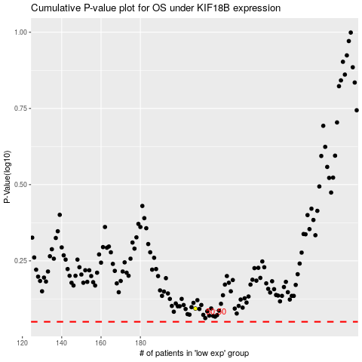

 |  |  |  |  |  | cases_OS | p_OS | rank | exp
 |  |  |  |  |  |  | cases_RFS | p_RFS | rank | exp

