KIF1A _multivariate
Reported by Tex Li-Hsing Chi. tex@gate.sinica.edu.tw 2019-08-18

Table 2. The clinicopathological features of HNSCC cohort and KIF1A expression. (Chi square test)
Cutoff at -0.264 (63.0%)
 |  | KIF1A expression |  | KIF1A expression |  | (Optimised)
 | Features | Low | (%) | High | (%) | Case no | P-value | Remark | Matthews
Gender | Female | 194 | 46.7 | 112 | 27 | 415 | 0.8081 | 0 | 0
2 | Male | 67 | 16.1 | 42 | 10.1
Age at diagnosis | <=65y | 170 | 41 | 104 | 25.1 | 415 | 0.6957 | 0 | 0
4 | >65y | 91 | 21.9 | 50 | 12
Clinical T Status | T1+T2 | 91 | 21.9 | 58 | 14 | 415 | 0.6399 | 0 | 0
6 | T3+T4 | 170 | 41 | 96 | 23.1
Clinical N Status | N0 | 136 | 32.8 | 80 | 19.3 | 415 | 1 | 0 | 0
8 | N1-3 | 125 | 30.1 | 74 | 17.8
Clinical M Status | M0 | 258 | 62.2 | 154 | 37.1 | 415 | 0.2982 | 0 | 0
10 | M1 | 3 | 0.7 | 0 | 0
Clinical Stage | Stage I+II | 65 | 15.7 | 37 | 8.9 | 415 | 0.9341 | 0 | 0
12 | Stage III+IV | 196 | 47.2 | 117 | 28.2
Surgical Margin status | Negative | 210 | 50.6 | 108 | 26 | 415 | 0.0222 | 1 | 0
14 | Positive | 51 | 12.3 | 46 | 11.1
Tobacco Exposure | Low | 108 | 26 | 53 | 12.8 | 415 | 0.1758 | 0 | 0
16 | High | 153 | 36.9 | 101 | 24.3

Table 3. Univariate/Multivariate Cox's proportional hazards regression analyses on OS time of KIF1A gene expression in HNSCC

 |  | Univariate |  |  |  | Multivariate
 | Features | HR | CI95%(L) | CI95%(H) | P-value | HR | CI95%(L) | CI95%(H) | P-value
1 | Female | 1 |  |  |  | 1
Gender | Male | 1.157 | 0.843 | 1.587 | 0.367 | 1.192 | 0.853 | 1.666 | 0.304
11 | <=65y | 1 |  |  |  | 1
Age at diagnosis | >65y | 1.329 | 0.99 | 1.784 | 0.058 | 1.374 | 1.009 | 1.87 | 0.043
12 | T1+T2 | 1 |  |  |  | 1
Clinical T Status | T3+T4 | 1.409 | 1.028 | 1.931 | 0.033 | 2.252 | 1.19 | 4.265 | 0.013
13 | N0 | 1 |  |  |  | 1
Clinical N Status | N1-3 | 1.185 | 0.89 | 1.577 | 0.246 | 1.238 | 0.867 | 1.769 | 0.24
14 | M0 | 1 |  |  |  | 1
Clinical M Status | M1 | 4.097 | 1.009 | 16.644 | 0.049 | 10.545 | 2.283 | 48.703 | 0.003
15 | Stage I+II | 1 |  |  |  | 1
Clinical Stage | Stage III+IV | 1.245 | 0.882 | 1.759 | 0.213 | 0.486 | 0.226 | 1.046 | 0.065
16 | Negative | 1 |  |  |  | 1
Surgical Margin status | Positive | 1.591 | 1.155 | 2.191 | 0.004 | 1.622 | 1.171 | 2.247 | 0.004
17 | Low | 1 |  |  |  | 1
Tobacco Exposure | High | 1.364 | 1.008 | 1.844 | 0.044 | 1.428 | 1.036 | 1.968 | 0.029
18 | Low | 1 |  |  |  | 1
RNAseq(z-score) | High | 1.346 | 1.004 | 1.806 | 0.047 | 1.274 | 0.945 | 1.718 | 0.112

Table 4. Univariate/Multivariate Cox's proportional hazards regression analyses on RFS time of KIF1A gene expression in HNSCC

 |  | Univariate |  |  |  | Multivariate
 | Features | HR | CI95%(L) | CI95%(H) | P-value | HR | CI95%(L) | CI95%(H) | P-value
1 | Female | 1 |  |  |  | 1
Gender | Male | 1.157 | 0.843 | 1.587 | 0.367 | 1.192 | 0.853 | 1.666 | 0.304
11 | <=65y | 1 |  |  |  | 1
Age at diagnosis | >65y | 1.329 | 0.99 | 1.784 | 0.058 | 1.374 | 1.009 | 1.87 | 0.043
12 | T1+T2 | 1 |  |  |  | 1
Clinical T Status | T3+T4 | 1.409 | 1.028 | 1.931 | 0.033 | 2.252 | 1.19 | 4.265 | 0.013
13 | N0 | 1 |  |  |  | 1
Clinical N Status | N1-3 | 1.185 | 0.89 | 1.577 | 0.246 | 1.238 | 0.867 | 1.769 | 0.24
14 | M0 | 1 |  |  |  | 1
Clinical M Status | M1 | 4.097 | 1.009 | 16.644 | 0.049 | 10.545 | 2.283 | 48.703 | 0.003
15 | Stage I+II | 1 |  |  |  | 1
Clinical Stage | Stage III+IV | 1.245 | 0.882 | 1.759 | 0.213 | 0.486 | 0.226 | 1.046 | 0.065
16 | Negative | 1 |  |  |  | 1
Surgical Margin status | Positive | 1.591 | 1.155 | 2.191 | 0.004 | 1.622 | 1.171 | 2.247 | 0.004
17 | Low | 1 |  |  |  | 1
Tobacco Exposure | High | 1.364 | 1.008 | 1.844 | 0.044 | 1.428 | 1.036 | 1.968 | 0.029
18 | Low | 1 |  |  |  | 1
RNAseq(z-score) | High | 1.346 | 1.004 | 1.806 | 0.047 | 1.274 | 0.945 | 1.718 | 0.112

Kaplan-Meier survival estimate: Cutoff at -0.264 (63.0%)



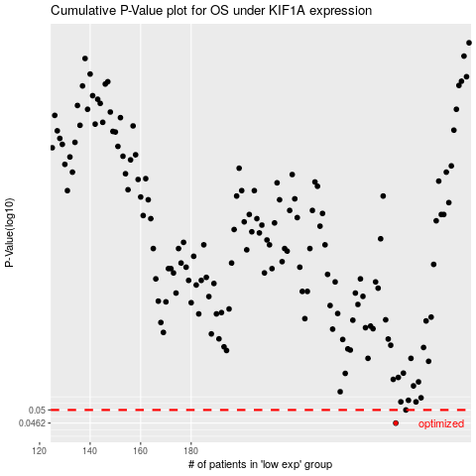

 |  |  |  |  |  | cases_OS | p_OS | rank | exp
 |  |  |  |  |  | 261 | 0.0462 | 58 | -0.26405121164
 |  |  |  |  |  | 265 | 0.05 | 7 | -0.26285857139
 |  |  |  |  |  |  | cases_RFS | p_RFS | rank | exp
 |  |  |  |  |  |  | 260 | 0.0462 | 109 | -0.26407650896
 |  |  |  |  |  |  | 264 | 0.05 | 34 | -0.26301365495

