KIF1B _multivariate
Reported by Tex Li-Hsing Chi. tex@gate.sinica.edu.tw 2019-08-18

Table 2. The clinicopathological features of HNSCC cohort and KIF1B expression. (Chi square test)
Cutoff at -0.488 (30.2%)
 |  | KIF1B expression |  | KIF1B expression |  | (Optimised)
 | Features | Low | (%) | High | (%) | Case no | P-value | Remark | Matthews
Gender | Female | 102 | 24.6 | 204 | 49.2 | 415 | 0.0233 | 1 | 0
2 | Male | 23 | 5.5 | 86 | 20.7
Age at diagnosis | <=65y | 86 | 20.7 | 188 | 45.3 | 415 | 0.5023 | 0 | 0
4 | >65y | 39 | 9.4 | 102 | 24.6
Clinical T Status | T1+T2 | 39 | 9.4 | 110 | 26.5 | 415 | 0.2302 | 0 | 0
6 | T3+T4 | 86 | 20.7 | 180 | 43.4
Clinical N Status | N0 | 59 | 14.2 | 157 | 37.8 | 415 | 0.2337 | 0 | 0
8 | N1-3 | 66 | 15.9 | 133 | 32
Clinical M Status | M0 | 123 | 29.6 | 289 | 69.6 | 415 | 0.2169 | 0 | 0
10 | M1 | 2 | 0.5 | 1 | 0.2
Clinical Stage | Stage I+II | 24 | 5.8 | 78 | 18.8 | 415 | 0.122 | 0 | 0
12 | Stage III+IV | 101 | 24.3 | 212 | 51.1
Surgical Margin status | Negative | 93 | 22.4 | 225 | 54.2 | 415 | 0.5276 | 0 | 0
14 | Positive | 32 | 7.7 | 65 | 15.7
Tobacco Exposure | Low | 44 | 10.6 | 117 | 28.2 | 415 | 0.3798 | 0 | 0
16 | High | 81 | 19.5 | 173 | 41.7

Table 3. Univariate/Multivariate Cox's proportional hazards regression analyses on OS time of KIF1B gene expression in HNSCC

 |  | Univariate |  |  |  | Multivariate
 | Features | HR | CI95%(L) | CI95%(H) | P-value | HR | CI95%(L) | CI95%(H) | P-value
1 | Female | 1 |  |  |  | 1
Gender | Male | 1.157 | 0.843 | 1.587 | 0.367 | 1.195 | 0.856 | 1.666 | 0.295
11 | <=65y | 1 |  |  |  | 1
Age at diagnosis | >65y | 1.329 | 0.99 | 1.784 | 0.058 | 1.399 | 1.027 | 1.906 | 0.033
12 | T1+T2 | 1 |  |  |  | 1
Clinical T Status | T3+T4 | 1.409 | 1.028 | 1.931 | 0.033 | 2.332 | 1.231 | 4.416 | 0.009
13 | N0 | 1 |  |  |  | 1
Clinical N Status | N1-3 | 1.185 | 0.89 | 1.577 | 0.246 | 1.282 | 0.897 | 1.832 | 0.172
14 | M0 | 1 |  |  |  | 1
Clinical M Status | M1 | 4.097 | 1.009 | 16.644 | 0.049 | 11.945 | 2.574 | 55.426 | 0.002
15 | Stage I+II | 1 |  |  |  | 1
Clinical Stage | Stage III+IV | 1.245 | 0.882 | 1.759 | 0.213 | 0.48 | 0.224 | 1.032 | 0.06
16 | Negative | 1 |  |  |  | 1
Surgical Margin status | Positive | 1.591 | 1.155 | 2.191 | 0.004 | 1.721 | 1.244 | 2.381 | 0.001
17 | Low | 1 |  |  |  | 1
Tobacco Exposure | High | 1.364 | 1.008 | 1.844 | 0.044 | 1.463 | 1.061 | 2.018 | 0.02
18 | Low | 1 |  |  |  | 1
RNAseq(z-score) | High | 1.384 | 1 | 1.915 | 0.05 | 1.522 | 1.096 | 2.115 | 0.012

Table 4. Univariate/Multivariate Cox's proportional hazards regression analyses on RFS time of KIF1B gene expression in HNSCC

 |  | Univariate |  |  |  | Multivariate
 | Features | HR | CI95%(L) | CI95%(H) | P-value | HR | CI95%(L) | CI95%(H) | P-value
1 | Female | 1 |  |  |  | 1
Gender | Male | 1.157 | 0.843 | 1.587 | 0.367 | 1.195 | 0.856 | 1.666 | 0.295
11 | <=65y | 1 |  |  |  | 1
Age at diagnosis | >65y | 1.329 | 0.99 | 1.784 | 0.058 | 1.399 | 1.027 | 1.906 | 0.033
12 | T1+T2 | 1 |  |  |  | 1
Clinical T Status | T3+T4 | 1.409 | 1.028 | 1.931 | 0.033 | 2.332 | 1.231 | 4.416 | 0.009
13 | N0 | 1 |  |  |  | 1
Clinical N Status | N1-3 | 1.185 | 0.89 | 1.577 | 0.246 | 1.282 | 0.897 | 1.832 | 0.172
14 | M0 | 1 |  |  |  | 1
Clinical M Status | M1 | 4.097 | 1.009 | 16.644 | 0.049 | 11.945 | 2.574 | 55.426 | 0.002
15 | Stage I+II | 1 |  |  |  | 1
Clinical Stage | Stage III+IV | 1.245 | 0.882 | 1.759 | 0.213 | 0.48 | 0.224 | 1.032 | 0.06
16 | Negative | 1 |  |  |  | 1
Surgical Margin status | Positive | 1.591 | 1.155 | 2.191 | 0.004 | 1.721 | 1.244 | 2.381 | 0.001
17 | Low | 1 |  |  |  | 1
Tobacco Exposure | High | 1.364 | 1.008 | 1.844 | 0.044 | 1.463 | 1.061 | 2.018 | 0.02
18 | Low | 1 |  |  |  | 1
RNAseq(z-score) | High | 1.384 | 1 | 1.915 | 0.05 | 1.522 | 1.096 | 2.115 | 0.012

Kaplan-Meier survival estimate: Cutoff at -0.488 (30.2%)



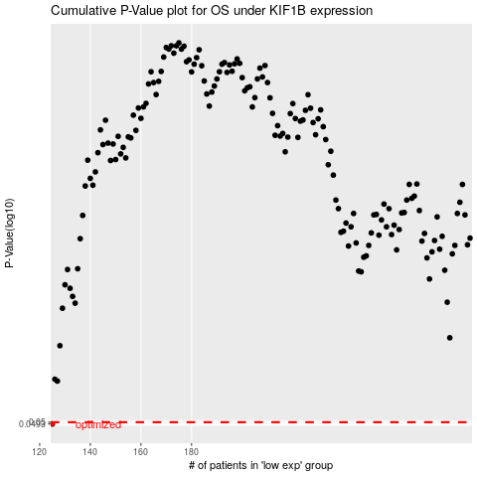

 |  |  |  |  |  | cases_OS | p_OS | rank | exp
 |  |  |  |  |  | 125 | 0.0493 | 250 | -0.48842398119
 |  |  |  |  |  |  | cases_RFS | p_RFS | rank | exp
 |  |  |  |  |  |  |  | 0.0493 | 87 | -0.48860622456

