KIF1C _multivariate
Reported by Tex Li-Hsing Chi. tex@gate.sinica.edu.tw 2019-08-18

Table 2. The clinicopathological features of HNSCC cohort and KIF1C expression. (Chi square test)
Cutoff at -0.26 (50.0%)
 |  | KIF1C expression |  | KIF1C expression |  | (Optimised)
 | Features | Low | (%) | High | (%) | Case no | P-value | Remark | Matthews
Gender | Female | 158 | 38.1 | 148 | 35.7 | 415 | 0.2774 | 0 | 0
2 | Male | 49 | 11.8 | 60 | 14.5
Age at diagnosis | <=65y | 139 | 33.5 | 135 | 32.5 | 415 | 0.7044 | 0 | 0
4 | >65y | 68 | 16.4 | 73 | 17.6
Clinical T Status | T1+T2 | 72 | 17.3 | 77 | 18.6 | 415 | 0.7095 | 0 | 0
6 | T3+T4 | 135 | 32.5 | 131 | 31.6
Clinical N Status | N0 | 98 | 23.6 | 118 | 28.4 | 415 | 0.0694 | 0 | 0
8 | N1-3 | 109 | 26.3 | 90 | 21.7
Clinical M Status | M0 | 205 | 49.4 | 207 | 49.9 | 415 | 0.6232 | 0 | 0
10 | M1 | 2 | 0.5 | 1 | 0.2
Clinical Stage | Stage I+II | 43 | 10.4 | 59 | 14.2 | 415 | 0.0925 | 0 | 0
12 | Stage III+IV | 164 | 39.5 | 149 | 35.9
Surgical Margin status | Negative | 152 | 36.6 | 166 | 40 | 415 | 0.1329 | 0 | 0
14 | Positive | 55 | 13.3 | 42 | 10.1
Tobacco Exposure | Low | 70 | 16.9 | 91 | 21.9 | 415 | 0.0439 | 1 | 0
16 | High | 137 | 33 | 117 | 28.2

Table 3. Univariate/Multivariate Cox's proportional hazards regression analyses on OS time of KIF1C gene expression in HNSCC

 |  | Univariate |  |  |  | Multivariate
 | Features | HR | CI95%(L) | CI95%(H) | P-value | HR | CI95%(L) | CI95%(H) | P-value
1 | Female | 1 |  |  |  | 1
Gender | Male | 1.157 | 0.843 | 1.587 | 0.367 | 1.204 | 0.861 | 1.682 | 0.278
11 | <=65y | 1 |  |  |  | 1
Age at diagnosis | >65y | 1.329 | 0.99 | 1.784 | 0.058 | 1.391 | 1.023 | 1.891 | 0.035
12 | T1+T2 | 1 |  |  |  | 1
Clinical T Status | T3+T4 | 1.409 | 1.028 | 1.931 | 0.033 | 2.209 | 1.167 | 4.183 | 0.015
13 | N0 | 1 |  |  |  | 1
Clinical N Status | N1-3 | 1.185 | 0.89 | 1.577 | 0.246 | 1.238 | 0.867 | 1.769 | 0.241
14 | M0 | 1 |  |  |  | 1
Clinical M Status | M1 | 4.097 | 1.009 | 16.644 | 0.049 | 9.42 | 2.055 | 43.187 | 0.004
15 | Stage I+II | 1 |  |  |  | 1
Clinical Stage | Stage III+IV | 1.245 | 0.882 | 1.759 | 0.213 | 0.503 | 0.234 | 1.081 | 0.078
16 | Negative | 1 |  |  |  | 1
Surgical Margin status | Positive | 1.591 | 1.155 | 2.191 | 0.004 | 1.668 | 1.205 | 2.308 | 0.002
17 | Low | 1 |  |  |  | 1
Tobacco Exposure | High | 1.364 | 1.008 | 1.844 | 0.044 | 1.45 | 1.051 | 2 | 0.023
18 | Low | 1 |  |  |  | 1
RNAseq(z-score) | High | 0.929 | 0.697 | 1.239 | 0.617 | 0.978 | 0.727 | 1.314 | 0.881

Table 4. Univariate/Multivariate Cox's proportional hazards regression analyses on RFS time of KIF1C gene expression in HNSCC

 |  | Univariate |  |  |  | Multivariate
 | Features | HR | CI95%(L) | CI95%(H) | P-value | HR | CI95%(L) | CI95%(H) | P-value
1 | Female | 1 |  |  |  | 1
Gender | Male | 1.157 | 0.843 | 1.587 | 0.367 | 1.204 | 0.861 | 1.682 | 0.278
11 | <=65y | 1 |  |  |  | 1
Age at diagnosis | >65y | 1.329 | 0.99 | 1.784 | 0.058 | 1.391 | 1.023 | 1.891 | 0.035
12 | T1+T2 | 1 |  |  |  | 1
Clinical T Status | T3+T4 | 1.409 | 1.028 | 1.931 | 0.033 | 2.209 | 1.167 | 4.183 | 0.015
13 | N0 | 1 |  |  |  | 1
Clinical N Status | N1-3 | 1.185 | 0.89 | 1.577 | 0.246 | 1.238 | 0.867 | 1.769 | 0.241
14 | M0 | 1 |  |  |  | 1
Clinical M Status | M1 | 4.097 | 1.009 | 16.644 | 0.049 | 9.42 | 2.055 | 43.187 | 0.004
15 | Stage I+II | 1 |  |  |  | 1
Clinical Stage | Stage III+IV | 1.245 | 0.882 | 1.759 | 0.213 | 0.503 | 0.234 | 1.081 | 0.078
16 | Negative | 1 |  |  |  | 1
Surgical Margin status | Positive | 1.591 | 1.155 | 2.191 | 0.004 | 1.668 | 1.205 | 2.308 | 0.002
17 | Low | 1 |  |  |  | 1
Tobacco Exposure | High | 1.364 | 1.008 | 1.844 | 0.044 | 1.45 | 1.051 | 2 | 0.023
18 | Low | 1 |  |  |  | 1
RNAseq(z-score) | High | 0.929 | 0.697 | 1.239 | 0.617 | 0.978 | 0.727 | 1.314 | 0.881

Kaplan-Meier survival estimate: Cutoff at -0.26 (50.0%)



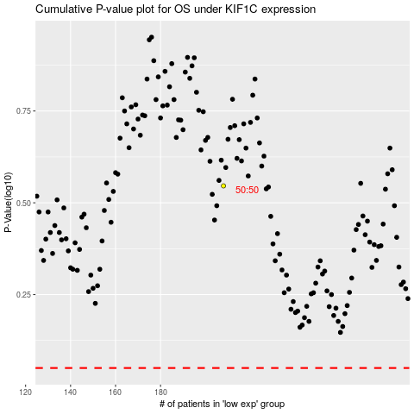

 |  |  |  |  |  | cases_OS | p_OS | rank | exp
 |  |  |  |  |  |  | cases_RFS | p_RFS | rank | exp

