KIF20A _multivariate
Reported by Tex Li-Hsing Chi. tex@gate.sinica.edu.tw 2019-08-18

Table 2. The clinicopathological features of HNSCC cohort and KIF20A expression. (Chi square test)
Cutoff at -0.159 (49.8%)
 |  | KIF20A expression |  | KIF20A expression |  | (Optimised)
 | Features | Low | (%) | High | (%) | Case no | P-value | Remark | Matthews
Gender | Female | 153 | 36.9 | 153 | 36.9 | 415 | 1 | 0 | 0
2 | Male | 54 | 13 | 55 | 13.3
Age at diagnosis | <=65y | 140 | 33.7 | 134 | 32.3 | 415 | 0.5574 | 0 | 0
4 | >65y | 67 | 16.1 | 74 | 17.8
Clinical T Status | T1+T2 | 61 | 14.7 | 88 | 21.2 | 415 | 0.0087 | 1 | 0
6 | T3+T4 | 146 | 35.2 | 120 | 28.9
Clinical N Status | N0 | 108 | 26 | 108 | 26 | 415 | 1 | 0 | 0
8 | N1-3 | 99 | 23.9 | 100 | 24.1
Clinical M Status | M0 | 206 | 49.6 | 206 | 49.6 | 415 | 1 | 0 | 0
10 | M1 | 1 | 0.2 | 2 | 0.5
Clinical Stage | Stage I+II | 43 | 10.4 | 59 | 14.2 | 415 | 0.0925 | 0 | 0
12 | Stage III+IV | 164 | 39.5 | 149 | 35.9
Surgical Margin status | Negative | 160 | 38.6 | 158 | 38.1 | 415 | 0.8167 | 0 | 0
14 | Positive | 47 | 11.3 | 50 | 12
Tobacco Exposure | Low | 81 | 19.5 | 80 | 19.3 | 415 | 0.9199 | 0 | 0
16 | High | 126 | 30.4 | 128 | 30.8

Table 3. Univariate/Multivariate Cox's proportional hazards regression analyses on OS time of KIF20A gene expression in HNSCC

 |  | Univariate |  |  |  | Multivariate
 | Features | HR | CI95%(L) | CI95%(H) | P-value | HR | CI95%(L) | CI95%(H) | P-value
1 | Female | 1 |  |  |  | 1
Gender | Male | 1.157 | 0.843 | 1.587 | 0.367 | 1.229 | 0.879 | 1.718 | 0.228
11 | <=65y | 1 |  |  |  | 1
Age at diagnosis | >65y | 1.329 | 0.99 | 1.784 | 0.058 | 1.381 | 1.016 | 1.877 | 0.04
12 | T1+T2 | 1 |  |  |  | 1
Clinical T Status | T3+T4 | 1.409 | 1.028 | 1.931 | 0.033 | 2.299 | 1.215 | 4.354 | 0.011
13 | N0 | 1 |  |  |  | 1
Clinical N Status | N1-3 | 1.185 | 0.89 | 1.577 | 0.246 | 1.236 | 0.866 | 1.763 | 0.243
14 | M0 | 1 |  |  |  | 1
Clinical M Status | M1 | 4.097 | 1.009 | 16.644 | 0.049 | 9.54 | 2.08 | 43.749 | 0.004
15 | Stage I+II | 1 |  |  |  | 1
Clinical Stage | Stage III+IV | 1.245 | 0.882 | 1.759 | 0.213 | 0.507 | 0.237 | 1.088 | 0.081
16 | Negative | 1 |  |  |  | 1
Surgical Margin status | Positive | 1.591 | 1.155 | 2.191 | 0.004 | 1.667 | 1.206 | 2.303 | 0.002
17 | Low | 1 |  |  |  | 1
Tobacco Exposure | High | 1.364 | 1.008 | 1.844 | 0.044 | 1.46 | 1.058 | 2.014 | 0.021
18 | Low | 1 |  |  |  | 1
RNAseq(z-score) | High | 1.224 | 0.918 | 1.632 | 0.168 | 1.292 | 0.964 | 1.731 | 0.087

Table 4. Univariate/Multivariate Cox's proportional hazards regression analyses on RFS time of KIF20A gene expression in HNSCC

 |  | Univariate |  |  |  | Multivariate
 | Features | HR | CI95%(L) | CI95%(H) | P-value | HR | CI95%(L) | CI95%(H) | P-value
1 | Female | 1 |  |  |  | 1
Gender | Male | 1.157 | 0.843 | 1.587 | 0.367 | 1.229 | 0.879 | 1.718 | 0.228
11 | <=65y | 1 |  |  |  | 1
Age at diagnosis | >65y | 1.329 | 0.99 | 1.784 | 0.058 | 1.381 | 1.016 | 1.877 | 0.04
12 | T1+T2 | 1 |  |  |  | 1
Clinical T Status | T3+T4 | 1.409 | 1.028 | 1.931 | 0.033 | 2.299 | 1.215 | 4.354 | 0.011
13 | N0 | 1 |  |  |  | 1
Clinical N Status | N1-3 | 1.185 | 0.89 | 1.577 | 0.246 | 1.236 | 0.866 | 1.763 | 0.243
14 | M0 | 1 |  |  |  | 1
Clinical M Status | M1 | 4.097 | 1.009 | 16.644 | 0.049 | 9.54 | 2.08 | 43.749 | 0.004
15 | Stage I+II | 1 |  |  |  | 1
Clinical Stage | Stage III+IV | 1.245 | 0.882 | 1.759 | 0.213 | 0.507 | 0.237 | 1.088 | 0.081
16 | Negative | 1 |  |  |  | 1
Surgical Margin status | Positive | 1.591 | 1.155 | 2.191 | 0.004 | 1.667 | 1.206 | 2.303 | 0.002
17 | Low | 1 |  |  |  | 1
Tobacco Exposure | High | 1.364 | 1.008 | 1.844 | 0.044 | 1.46 | 1.058 | 2.014 | 0.021
18 | Low | 1 |  |  |  | 1
RNAseq(z-score) | High | 1.224 | 0.918 | 1.632 | 0.168 | 1.292 | 0.964 | 1.731 | 0.087

Kaplan-Meier survival estimate: Cutoff at -0.159 (49.8%)



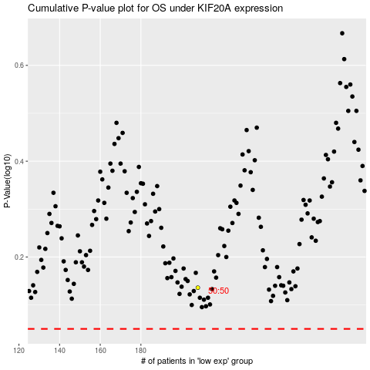

 |  |  |  |  |  | cases_OS | p_OS | rank | exp
 |  |  |  |  |  |  | cases_RFS | p_RFS | rank | exp

