KIF20B _multivariate
Reported by Tex Li-Hsing Chi. tex@gate.sinica.edu.tw 2019-08-18

Table 2. The clinicopathological features of HNSCC cohort and KIF20B expression. (Chi square test)
Cutoff at -0.162 (49.8%)
 |  | KIF20B expression |  | KIF20B expression |  | (Optimised)
 | Features | Low | (%) | High | (%) | Case no | P-value | Remark | Matthews
Gender | Female | 154 | 37.1 | 152 | 36.6 | 415 | 0.8463 | 0 | 0
2 | Male | 53 | 12.8 | 56 | 13.5
Age at diagnosis | <=65y | 139 | 33.5 | 135 | 32.5 | 415 | 0.7044 | 0 | 0
4 | >65y | 68 | 16.4 | 73 | 17.6
Clinical T Status | T1+T2 | 77 | 18.6 | 72 | 17.3 | 415 | 0.6556 | 0 | 0
6 | T3+T4 | 130 | 31.3 | 136 | 32.8
Clinical N Status | N0 | 115 | 27.7 | 101 | 24.3 | 415 | 0.184 | 1 | 0
8 | N1-3 | 92 | 22.2 | 107 | 25.8
Clinical M Status | M0 | 205 | 49.4 | 207 | 49.9 | 415 | 0.6232 | 0 | 0
10 | M1 | 2 | 0.5 | 1 | 0.2
Clinical Stage | Stage I+II | 53 | 12.8 | 49 | 11.8 | 415 | 0.7113 | 0 | 0
12 | Stage III+IV | 154 | 37.1 | 159 | 38.3
Surgical Margin status | Negative | 161 | 38.8 | 157 | 37.8 | 415 | 0.6429 | 0 | 0
14 | Positive | 46 | 11.1 | 51 | 12.3
Tobacco Exposure | Low | 76 | 18.3 | 85 | 20.5 | 415 | 0.4207 | 0 | 0
16 | High | 131 | 31.6 | 123 | 29.6

Table 3. Univariate/Multivariate Cox's proportional hazards regression analyses on OS time of KIF20B gene expression in HNSCC

 |  | Univariate |  |  |  | Multivariate
 | Features | HR | CI95%(L) | CI95%(H) | P-value | HR | CI95%(L) | CI95%(H) | P-value
1 | Female | 1 |  |  |  | 1
Gender | Male | 1.157 | 0.843 | 1.587 | 0.367 | 1.205 | 0.863 | 1.683 | 0.274
11 | <=65y | 1 |  |  |  | 1
Age at diagnosis | >65y | 1.329 | 0.99 | 1.784 | 0.058 | 1.391 | 1.023 | 1.89 | 0.035
12 | T1+T2 | 1 |  |  |  | 1
Clinical T Status | T3+T4 | 1.409 | 1.028 | 1.931 | 0.033 | 2.205 | 1.166 | 4.169 | 0.015
13 | N0 | 1 |  |  |  | 1
Clinical N Status | N1-3 | 1.185 | 0.89 | 1.577 | 0.246 | 1.227 | 0.859 | 1.754 | 0.261
14 | M0 | 1 |  |  |  | 1
Clinical M Status | M1 | 4.097 | 1.009 | 16.644 | 0.049 | 9.599 | 2.092 | 44.055 | 0.004
15 | Stage I+II | 1 |  |  |  | 1
Clinical Stage | Stage III+IV | 1.245 | 0.882 | 1.759 | 0.213 | 0.505 | 0.235 | 1.085 | 0.08
16 | Negative | 1 |  |  |  | 1
Surgical Margin status | Positive | 1.591 | 1.155 | 2.191 | 0.004 | 1.675 | 1.212 | 2.315 | 0.002
17 | Low | 1 |  |  |  | 1
Tobacco Exposure | High | 1.364 | 1.008 | 1.844 | 0.044 | 1.471 | 1.066 | 2.031 | 0.019
18 | Low | 1 |  |  |  | 1
RNAseq(z-score) | High | 1.081 | 0.812 | 1.441 | 0.594 | 1.108 | 0.829 | 1.482 | 0.487

Table 4. Univariate/Multivariate Cox's proportional hazards regression analyses on RFS time of KIF20B gene expression in HNSCC

 |  | Univariate |  |  |  | Multivariate
 | Features | HR | CI95%(L) | CI95%(H) | P-value | HR | CI95%(L) | CI95%(H) | P-value
1 | Female | 1 |  |  |  | 1
Gender | Male | 1.157 | 0.843 | 1.587 | 0.367 | 1.205 | 0.863 | 1.683 | 0.274
11 | <=65y | 1 |  |  |  | 1
Age at diagnosis | >65y | 1.329 | 0.99 | 1.784 | 0.058 | 1.391 | 1.023 | 1.89 | 0.035
12 | T1+T2 | 1 |  |  |  | 1
Clinical T Status | T3+T4 | 1.409 | 1.028 | 1.931 | 0.033 | 2.205 | 1.166 | 4.169 | 0.015
13 | N0 | 1 |  |  |  | 1
Clinical N Status | N1-3 | 1.185 | 0.89 | 1.577 | 0.246 | 1.227 | 0.859 | 1.754 | 0.261
14 | M0 | 1 |  |  |  | 1
Clinical M Status | M1 | 4.097 | 1.009 | 16.644 | 0.049 | 9.599 | 2.092 | 44.055 | 0.004
15 | Stage I+II | 1 |  |  |  | 1
Clinical Stage | Stage III+IV | 1.245 | 0.882 | 1.759 | 0.213 | 0.505 | 0.235 | 1.085 | 0.08
16 | Negative | 1 |  |  |  | 1
Surgical Margin status | Positive | 1.591 | 1.155 | 2.191 | 0.004 | 1.675 | 1.212 | 2.315 | 0.002
17 | Low | 1 |  |  |  | 1
Tobacco Exposure | High | 1.364 | 1.008 | 1.844 | 0.044 | 1.471 | 1.066 | 2.031 | 0.019
18 | Low | 1 |  |  |  | 1
RNAseq(z-score) | High | 1.081 | 0.812 | 1.441 | 0.594 | 1.108 | 0.829 | 1.482 | 0.487

Kaplan-Meier survival estimate: Cutoff at -0.162 (49.8%)



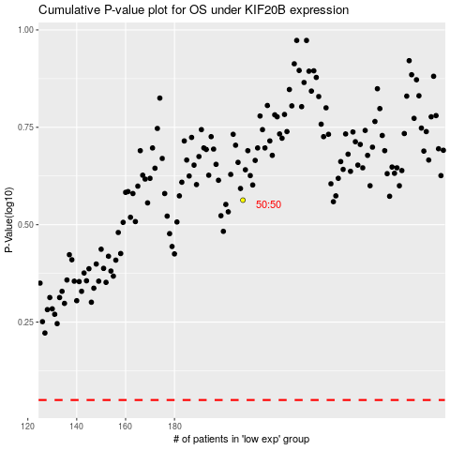

 |  |  |  |  |  | cases_OS | p_OS | rank | exp
 |  |  |  |  |  |  | cases_RFS | p_RFS | rank | exp

