KIF21A _multivariate
Reported by Tex Li-Hsing Chi. tex@gate.sinica.edu.tw 2019-08-18

Table 2. The clinicopathological features of HNSCC cohort and KIF21A expression. (Chi square test)
Cutoff at -0.241 (50.0%)
 |  | KIF21A expression |  | KIF21A expression |  | (Optimised)
 | Features | Low | (%) | High | (%) | Case no | P-value | Remark | Matthews
Gender | Female | 151 | 36.4 | 155 | 37.3 | 415 | 0.8007 | 0 | 0
2 | Male | 56 | 13.5 | 53 | 12.8
Age at diagnosis | <=65y | 137 | 33 | 137 | 33 | 415 | 1 | 0 | 0
4 | >65y | 70 | 16.9 | 71 | 17.1
Clinical T Status | T1+T2 | 80 | 19.3 | 69 | 16.6 | 415 | 0.2891 | 0 | 0
6 | T3+T4 | 127 | 30.6 | 139 | 33.5
Clinical N Status | N0 | 95 | 22.9 | 121 | 29.2 | 415 | 0.0162 | 1 | 0
8 | N1-3 | 112 | 27 | 87 | 21
Clinical M Status | M0 | 204 | 49.2 | 208 | 50.1 | 415 | 0.1232 | 0 | 0
10 | M1 | 3 | 0.7 | 0 | 0
Clinical Stage | Stage I+II | 52 | 12.5 | 50 | 12 | 415 | 0.8871 | 0 | 0
12 | Stage III+IV | 155 | 37.3 | 158 | 38.1
Surgical Margin status | Negative | 153 | 36.9 | 165 | 39.8 | 415 | 0.2036 | 0 | 0
14 | Positive | 54 | 13 | 43 | 10.4
Tobacco Exposure | Low | 86 | 20.7 | 75 | 18.1 | 415 | 0.2687 | 0 | 0
16 | High | 121 | 29.2 | 133 | 32

Table 3. Univariate/Multivariate Cox's proportional hazards regression analyses on OS time of KIF21A gene expression in HNSCC

 |  | Univariate |  |  |  | Multivariate
 | Features | HR | CI95%(L) | CI95%(H) | P-value | HR | CI95%(L) | CI95%(H) | P-value
1 | Female | 1 |  |  |  | 1
Gender | Male | 1.157 | 0.843 | 1.587 | 0.367 | 1.212 | 0.866 | 1.695 | 0.263
11 | <=65y | 1 |  |  |  | 1
Age at diagnosis | >65y | 1.329 | 0.99 | 1.784 | 0.058 | 1.392 | 1.024 | 1.893 | 0.035
12 | T1+T2 | 1 |  |  |  | 1
Clinical T Status | T3+T4 | 1.409 | 1.028 | 1.931 | 0.033 | 2.222 | 1.174 | 4.205 | 0.014
13 | N0 | 1 |  |  |  | 1
Clinical N Status | N1-3 | 1.185 | 0.89 | 1.577 | 0.246 | 1.259 | 0.878 | 1.805 | 0.21
14 | M0 | 1 |  |  |  | 1
Clinical M Status | M1 | 4.097 | 1.009 | 16.644 | 0.049 | 9.813 | 2.119 | 45.453 | 0.004
15 | Stage I+II | 1 |  |  |  | 1
Clinical Stage | Stage III+IV | 1.245 | 0.882 | 1.759 | 0.213 | 0.495 | 0.23 | 1.067 | 0.073
16 | Negative | 1 |  |  |  | 1
Surgical Margin status | Positive | 1.591 | 1.155 | 2.191 | 0.004 | 1.686 | 1.218 | 2.334 | 0.002
17 | Low | 1 |  |  |  | 1
Tobacco Exposure | High | 1.364 | 1.008 | 1.844 | 0.044 | 1.449 | 1.051 | 1.996 | 0.023
18 | Low | 1 |  |  |  | 1
RNAseq(z-score) | High | 0.987 | 0.741 | 1.316 | 0.931 | 1.075 | 0.798 | 1.447 | 0.636

Table 4. Univariate/Multivariate Cox's proportional hazards regression analyses on RFS time of KIF21A gene expression in HNSCC

 |  | Univariate |  |  |  | Multivariate
 | Features | HR | CI95%(L) | CI95%(H) | P-value | HR | CI95%(L) | CI95%(H) | P-value
1 | Female | 1 |  |  |  | 1
Gender | Male | 1.157 | 0.843 | 1.587 | 0.367 | 1.212 | 0.866 | 1.695 | 0.263
11 | <=65y | 1 |  |  |  | 1
Age at diagnosis | >65y | 1.329 | 0.99 | 1.784 | 0.058 | 1.392 | 1.024 | 1.893 | 0.035
12 | T1+T2 | 1 |  |  |  | 1
Clinical T Status | T3+T4 | 1.409 | 1.028 | 1.931 | 0.033 | 2.222 | 1.174 | 4.205 | 0.014
13 | N0 | 1 |  |  |  | 1
Clinical N Status | N1-3 | 1.185 | 0.89 | 1.577 | 0.246 | 1.259 | 0.878 | 1.805 | 0.21
14 | M0 | 1 |  |  |  | 1
Clinical M Status | M1 | 4.097 | 1.009 | 16.644 | 0.049 | 9.813 | 2.119 | 45.453 | 0.004
15 | Stage I+II | 1 |  |  |  | 1
Clinical Stage | Stage III+IV | 1.245 | 0.882 | 1.759 | 0.213 | 0.495 | 0.23 | 1.067 | 0.073
16 | Negative | 1 |  |  |  | 1
Surgical Margin status | Positive | 1.591 | 1.155 | 2.191 | 0.004 | 1.686 | 1.218 | 2.334 | 0.002
17 | Low | 1 |  |  |  | 1
Tobacco Exposure | High | 1.364 | 1.008 | 1.844 | 0.044 | 1.449 | 1.051 | 1.996 | 0.023
18 | Low | 1 |  |  |  | 1
RNAseq(z-score) | High | 0.987 | 0.741 | 1.316 | 0.931 | 1.075 | 0.798 | 1.447 | 0.636

Kaplan-Meier survival estimate: Cutoff at -0.241 (50.0%)

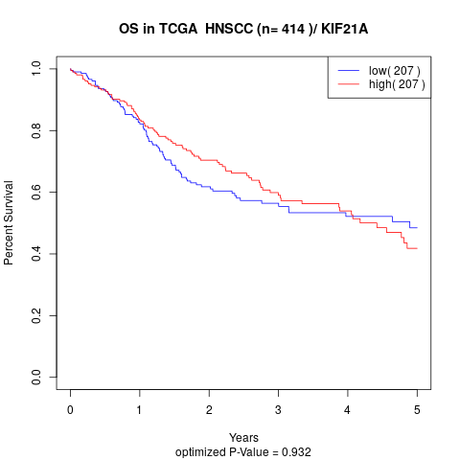

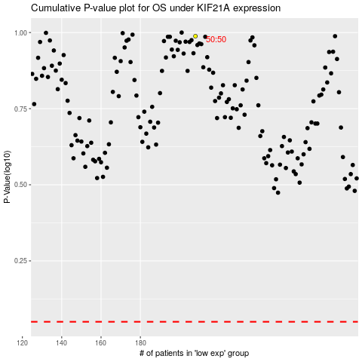

 |  |  |  |  |  | cases_OS | p_OS | rank | exp
 |  |  |  |  |  |  | cases_RFS | p_RFS | rank | exp

