KIF21B _multivariate
Reported by Tex Li-Hsing Chi. tex@gate.sinica.edu.tw 2019-08-18

Table 2. The clinicopathological features of HNSCC cohort and KIF21B expression. (Chi square test)
Cutoff at -0.297 (49.8%)
 |  | KIF21B expression |  | KIF21B expression |  | (Optimised)
 | Features | Low | (%) | High | (%) | Case no | P-value | Remark | Matthews
Gender | Female | 160 | 38.6 | 146 | 35.2 | 415 | 0.1254 | 0 | 0
2 | Male | 47 | 11.3 | 62 | 14.9
Age at diagnosis | <=65y | 145 | 34.9 | 129 | 31.1 | 415 | 0.1046 | 0 | 0
4 | >65y | 62 | 14.9 | 79 | 19
Clinical T Status | T1+T2 | 69 | 16.6 | 80 | 19.3 | 415 | 0.3239 | 0 | 0
6 | T3+T4 | 138 | 33.3 | 128 | 30.8
Clinical N Status | N0 | 108 | 26 | 108 | 26 | 415 | 1 | 0 | 0
8 | N1-3 | 99 | 23.9 | 100 | 24.1
Clinical M Status | M0 | 204 | 49.2 | 208 | 50.1 | 415 | 0.1232 | 0 | 0
10 | M1 | 3 | 0.7 | 0 | 0
Clinical Stage | Stage I+II | 46 | 11.1 | 56 | 13.5 | 415 | 0.3182 | 0 | 0
12 | Stage III+IV | 161 | 38.8 | 152 | 36.6
Surgical Margin status | Negative | 157 | 37.8 | 161 | 38.8 | 415 | 0.729 | 0 | 0
14 | Positive | 50 | 12 | 47 | 11.3
Tobacco Exposure | Low | 74 | 17.8 | 87 | 21 | 415 | 0.227 | 0 | 0
16 | High | 133 | 32 | 121 | 29.2

Table 3. Univariate/Multivariate Cox's proportional hazards regression analyses on OS time of KIF21B gene expression in HNSCC

 |  | Univariate |  |  |  | Multivariate
 | Features | HR | CI95%(L) | CI95%(H) | P-value | HR | CI95%(L) | CI95%(H) | P-value
1 | Female | 1 |  |  |  | 1
Gender | Male | 1.157 | 0.843 | 1.587 | 0.367 | 1.203 | 0.861 | 1.679 | 0.279
11 | <=65y | 1 |  |  |  | 1
Age at diagnosis | >65y | 1.329 | 0.99 | 1.784 | 0.058 | 1.399 | 1.03 | 1.902 | 0.032
12 | T1+T2 | 1 |  |  |  | 1
Clinical T Status | T3+T4 | 1.409 | 1.028 | 1.931 | 0.033 | 2.178 | 1.151 | 4.12 | 0.017
13 | N0 | 1 |  |  |  | 1
Clinical N Status | N1-3 | 1.185 | 0.89 | 1.577 | 0.246 | 1.239 | 0.869 | 1.767 | 0.237
14 | M0 | 1 |  |  |  | 1
Clinical M Status | M1 | 4.097 | 1.009 | 16.644 | 0.049 | 8.859 | 1.918 | 40.926 | 0.005
15 | Stage I+II | 1 |  |  |  | 1
Clinical Stage | Stage III+IV | 1.245 | 0.882 | 1.759 | 0.213 | 0.503 | 0.235 | 1.08 | 0.078
16 | Negative | 1 |  |  |  | 1
Surgical Margin status | Positive | 1.591 | 1.155 | 2.191 | 0.004 | 1.675 | 1.212 | 2.315 | 0.002
17 | Low | 1 |  |  |  | 1
Tobacco Exposure | High | 1.364 | 1.008 | 1.844 | 0.044 | 1.442 | 1.046 | 1.988 | 0.025
18 | Low | 1 |  |  |  | 1
RNAseq(z-score) | High | 0.862 | 0.647 | 1.149 | 0.311 | 0.896 | 0.669 | 1.2 | 0.462

Table 4. Univariate/Multivariate Cox's proportional hazards regression analyses on RFS time of KIF21B gene expression in HNSCC

 |  | Univariate |  |  |  | Multivariate
 | Features | HR | CI95%(L) | CI95%(H) | P-value | HR | CI95%(L) | CI95%(H) | P-value
1 | Female | 1 |  |  |  | 1
Gender | Male | 1.157 | 0.843 | 1.587 | 0.367 | 1.203 | 0.861 | 1.679 | 0.279
11 | <=65y | 1 |  |  |  | 1
Age at diagnosis | >65y | 1.329 | 0.99 | 1.784 | 0.058 | 1.399 | 1.03 | 1.902 | 0.032
12 | T1+T2 | 1 |  |  |  | 1
Clinical T Status | T3+T4 | 1.409 | 1.028 | 1.931 | 0.033 | 2.178 | 1.151 | 4.12 | 0.017
13 | N0 | 1 |  |  |  | 1
Clinical N Status | N1-3 | 1.185 | 0.89 | 1.577 | 0.246 | 1.239 | 0.869 | 1.767 | 0.237
14 | M0 | 1 |  |  |  | 1
Clinical M Status | M1 | 4.097 | 1.009 | 16.644 | 0.049 | 8.859 | 1.918 | 40.926 | 0.005
15 | Stage I+II | 1 |  |  |  | 1
Clinical Stage | Stage III+IV | 1.245 | 0.882 | 1.759 | 0.213 | 0.503 | 0.235 | 1.08 | 0.078
16 | Negative | 1 |  |  |  | 1
Surgical Margin status | Positive | 1.591 | 1.155 | 2.191 | 0.004 | 1.675 | 1.212 | 2.315 | 0.002
17 | Low | 1 |  |  |  | 1
Tobacco Exposure | High | 1.364 | 1.008 | 1.844 | 0.044 | 1.442 | 1.046 | 1.988 | 0.025
18 | Low | 1 |  |  |  | 1
RNAseq(z-score) | High | 0.862 | 0.647 | 1.149 | 0.311 | 0.896 | 0.669 | 1.2 | 0.462

Kaplan-Meier survival estimate: Cutoff at -0.297 (49.8%)



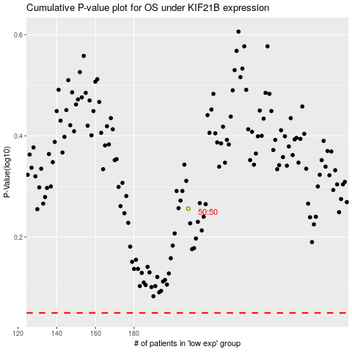

 |  |  |  |  |  | cases_OS | p_OS | rank | exp
 |  |  |  |  |  |  | cases_RFS | p_RFS | rank | exp

