KIF24 _multivariate
Reported by Tex Li-Hsing Chi. tex@gate.sinica.edu.tw 2019-08-18

Table 2. The clinicopathological features of HNSCC cohort and KIF24 expression. (Chi square test)
Cutoff at -0.261 (49.8%)
 |  | KIF24 expression |  | KIF24 expression |  | (Optimised)
 | Features | Low | (%) | High | (%) | Case no | P-value | Remark | Matthews
Gender | Female | 150 | 36.1 | 156 | 37.6 | 415 | 0.6344 | 0 | 0
2 | Male | 57 | 13.7 | 52 | 12.5
Age at diagnosis | <=65y | 139 | 33.5 | 135 | 32.5 | 415 | 0.7044 | 0 | 0
4 | >65y | 68 | 16.4 | 73 | 17.6
Clinical T Status | T1+T2 | 60 | 14.5 | 89 | 21.4 | 415 | 0.0047 | 1 | 0
6 | T3+T4 | 147 | 35.4 | 119 | 28.7
Clinical N Status | N0 | 111 | 26.7 | 105 | 25.3 | 415 | 0.5875 | 0 | 0
8 | N1-3 | 96 | 23.1 | 103 | 24.8
Clinical M Status | M0 | 206 | 49.6 | 206 | 49.6 | 415 | 1 | 0 | 0
10 | M1 | 1 | 0.2 | 2 | 0.5
Clinical Stage | Stage I+II | 44 | 10.6 | 58 | 14 | 415 | 0.1459 | 0 | 0
12 | Stage III+IV | 163 | 39.3 | 150 | 36.1
Surgical Margin status | Negative | 160 | 38.6 | 158 | 38.1 | 415 | 0.8167 | 0 | 0
14 | Positive | 47 | 11.3 | 50 | 12
Tobacco Exposure | Low | 75 | 18.1 | 86 | 20.7 | 415 | 0.3141 | 0 | 0
16 | High | 132 | 31.8 | 122 | 29.4

Table 3. Univariate/Multivariate Cox's proportional hazards regression analyses on OS time of KIF24 gene expression in HNSCC

 |  | Univariate |  |  |  | Multivariate
 | Features | HR | CI95%(L) | CI95%(H) | P-value | HR | CI95%(L) | CI95%(H) | P-value
1 | Female | 1 |  |  |  | 1
Gender | Male | 1.157 | 0.843 | 1.587 | 0.367 | 1.229 | 0.877 | 1.721 | 0.232
11 | <=65y | 1 |  |  |  | 1
Age at diagnosis | >65y | 1.329 | 0.99 | 1.784 | 0.058 | 1.373 | 1.009 | 1.87 | 0.044
12 | T1+T2 | 1 |  |  |  | 1
Clinical T Status | T3+T4 | 1.409 | 1.028 | 1.931 | 0.033 | 2.274 | 1.199 | 4.315 | 0.012
13 | N0 | 1 |  |  |  | 1
Clinical N Status | N1-3 | 1.185 | 0.89 | 1.577 | 0.246 | 1.231 | 0.863 | 1.757 | 0.252
14 | M0 | 1 |  |  |  | 1
Clinical M Status | M1 | 4.097 | 1.009 | 16.644 | 0.049 | 9.597 | 2.092 | 44.032 | 0.004
15 | Stage I+II | 1 |  |  |  | 1
Clinical Stage | Stage III+IV | 1.245 | 0.882 | 1.759 | 0.213 | 0.499 | 0.232 | 1.072 | 0.075
16 | Negative | 1 |  |  |  | 1
Surgical Margin status | Positive | 1.591 | 1.155 | 2.191 | 0.004 | 1.671 | 1.209 | 2.31 | 0.002
17 | Low | 1 |  |  |  | 1
Tobacco Exposure | High | 1.364 | 1.008 | 1.844 | 0.044 | 1.474 | 1.068 | 2.035 | 0.018
18 | Low | 1 |  |  |  | 1
RNAseq(z-score) | High | 1.095 | 0.822 | 1.459 | 0.533 | 1.164 | 0.867 | 1.561 | 0.312

Table 4. Univariate/Multivariate Cox's proportional hazards regression analyses on RFS time of KIF24 gene expression in HNSCC

 |  | Univariate |  |  |  | Multivariate
 | Features | HR | CI95%(L) | CI95%(H) | P-value | HR | CI95%(L) | CI95%(H) | P-value
1 | Female | 1 |  |  |  | 1
Gender | Male | 1.157 | 0.843 | 1.587 | 0.367 | 1.229 | 0.877 | 1.721 | 0.232
11 | <=65y | 1 |  |  |  | 1
Age at diagnosis | >65y | 1.329 | 0.99 | 1.784 | 0.058 | 1.373 | 1.009 | 1.87 | 0.044
12 | T1+T2 | 1 |  |  |  | 1
Clinical T Status | T3+T4 | 1.409 | 1.028 | 1.931 | 0.033 | 2.274 | 1.199 | 4.315 | 0.012
13 | N0 | 1 |  |  |  | 1
Clinical N Status | N1-3 | 1.185 | 0.89 | 1.577 | 0.246 | 1.231 | 0.863 | 1.757 | 0.252
14 | M0 | 1 |  |  |  | 1
Clinical M Status | M1 | 4.097 | 1.009 | 16.644 | 0.049 | 9.597 | 2.092 | 44.032 | 0.004
15 | Stage I+II | 1 |  |  |  | 1
Clinical Stage | Stage III+IV | 1.245 | 0.882 | 1.759 | 0.213 | 0.499 | 0.232 | 1.072 | 0.075
16 | Negative | 1 |  |  |  | 1
Surgical Margin status | Positive | 1.591 | 1.155 | 2.191 | 0.004 | 1.671 | 1.209 | 2.31 | 0.002
17 | Low | 1 |  |  |  | 1
Tobacco Exposure | High | 1.364 | 1.008 | 1.844 | 0.044 | 1.474 | 1.068 | 2.035 | 0.018
18 | Low | 1 |  |  |  | 1
RNAseq(z-score) | High | 1.095 | 0.822 | 1.459 | 0.533 | 1.164 | 0.867 | 1.561 | 0.312

Kaplan-Meier survival estimate: Cutoff at -0.261 (49.8%)



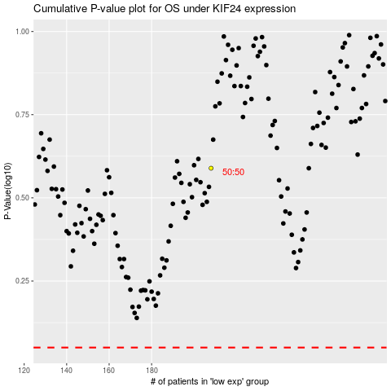

 |  |  |  |  |  | cases_OS | p_OS | rank | exp
 |  |  |  |  |  |  | cases_RFS | p_RFS | rank | exp

