KIF26A _multivariate
Reported by Tex Li-Hsing Chi. tex@gate.sinica.edu.tw 2019-08-18

Table 2. The clinicopathological features of HNSCC cohort and KIF26A expression. (Chi square test)
Cutoff at -0.264 (49.8%)
 |  | KIF26A expression |  | KIF26A expression |  | (Optimised)
 | Features | Low | (%) | High | (%) | Case no | P-value | Remark | Matthews
Gender | Female | 149 | 35.9 | 157 | 37.8 | 415 | 0.4848 | 0 | 0
2 | Male | 58 | 14 | 51 | 12.3
Age at diagnosis | <=65y | 142 | 34.2 | 132 | 31.8 | 415 | 0.3167 | 0 | 0
4 | >65y | 65 | 15.7 | 76 | 18.3
Clinical T Status | T1+T2 | 77 | 18.6 | 72 | 17.3 | 415 | 0.6556 | 0 | 0
6 | T3+T4 | 130 | 31.3 | 136 | 32.8
Clinical N Status | N0 | 103 | 24.8 | 113 | 27.2 | 415 | 0.4047 | 0 | 0
8 | N1-3 | 104 | 25.1 | 95 | 22.9
Clinical M Status | M0 | 205 | 49.4 | 207 | 49.9 | 415 | 0.6232 | 0 | 0
10 | M1 | 2 | 0.5 | 1 | 0.2
Clinical Stage | Stage I+II | 51 | 12.3 | 51 | 12.3 | 415 | 1 | 0 | 0
12 | Stage III+IV | 156 | 37.6 | 157 | 37.8
Surgical Margin status | Negative | 155 | 37.3 | 163 | 39.3 | 415 | 0.4187 | 0 | 0
14 | Positive | 52 | 12.5 | 45 | 10.8
Tobacco Exposure | Low | 84 | 20.2 | 77 | 18.6 | 415 | 0.4816 | 0 | 0
16 | High | 123 | 29.6 | 131 | 31.6

Table 3. Univariate/Multivariate Cox's proportional hazards regression analyses on OS time of KIF26A gene expression in HNSCC

 |  | Univariate |  |  |  | Multivariate
 | Features | HR | CI95%(L) | CI95%(H) | P-value | HR | CI95%(L) | CI95%(H) | P-value
1 | Female | 1 |  |  |  | 1
Gender | Male | 1.157 | 0.843 | 1.587 | 0.367 | 1.214 | 0.869 | 1.698 | 0.256
11 | <=65y | 1 |  |  |  | 1
Age at diagnosis | >65y | 1.329 | 0.99 | 1.784 | 0.058 | 1.38 | 1.014 | 1.878 | 0.04
12 | T1+T2 | 1 |  |  |  | 1
Clinical T Status | T3+T4 | 1.409 | 1.028 | 1.931 | 0.033 | 2.188 | 1.157 | 4.137 | 0.016
13 | N0 | 1 |  |  |  | 1
Clinical N Status | N1-3 | 1.185 | 0.89 | 1.577 | 0.246 | 1.253 | 0.877 | 1.79 | 0.215
14 | M0 | 1 |  |  |  | 1
Clinical M Status | M1 | 4.097 | 1.009 | 16.644 | 0.049 | 9.719 | 2.117 | 44.625 | 0.003
15 | Stage I+II | 1 |  |  |  | 1
Clinical Stage | Stage III+IV | 1.245 | 0.882 | 1.759 | 0.213 | 0.505 | 0.235 | 1.086 | 0.08
16 | Negative | 1 |  |  |  | 1
Surgical Margin status | Positive | 1.591 | 1.155 | 2.191 | 0.004 | 1.673 | 1.211 | 2.312 | 0.002
17 | Low | 1 |  |  |  | 1
Tobacco Exposure | High | 1.364 | 1.008 | 1.844 | 0.044 | 1.456 | 1.057 | 2.005 | 0.022
18 | Low | 1 |  |  |  | 1
RNAseq(z-score) | High | 1.124 | 0.844 | 1.498 | 0.423 | 1.142 | 0.854 | 1.528 | 0.369

Table 4. Univariate/Multivariate Cox's proportional hazards regression analyses on RFS time of KIF26A gene expression in HNSCC

 |  | Univariate |  |  |  | Multivariate
 | Features | HR | CI95%(L) | CI95%(H) | P-value | HR | CI95%(L) | CI95%(H) | P-value
1 | Female | 1 |  |  |  | 1
Gender | Male | 1.157 | 0.843 | 1.587 | 0.367 | 1.214 | 0.869 | 1.698 | 0.256
11 | <=65y | 1 |  |  |  | 1
Age at diagnosis | >65y | 1.329 | 0.99 | 1.784 | 0.058 | 1.38 | 1.014 | 1.878 | 0.04
12 | T1+T2 | 1 |  |  |  | 1
Clinical T Status | T3+T4 | 1.409 | 1.028 | 1.931 | 0.033 | 2.188 | 1.157 | 4.137 | 0.016
13 | N0 | 1 |  |  |  | 1
Clinical N Status | N1-3 | 1.185 | 0.89 | 1.577 | 0.246 | 1.253 | 0.877 | 1.79 | 0.215
14 | M0 | 1 |  |  |  | 1
Clinical M Status | M1 | 4.097 | 1.009 | 16.644 | 0.049 | 9.719 | 2.117 | 44.625 | 0.003
15 | Stage I+II | 1 |  |  |  | 1
Clinical Stage | Stage III+IV | 1.245 | 0.882 | 1.759 | 0.213 | 0.505 | 0.235 | 1.086 | 0.08
16 | Negative | 1 |  |  |  | 1
Surgical Margin status | Positive | 1.591 | 1.155 | 2.191 | 0.004 | 1.673 | 1.211 | 2.312 | 0.002
17 | Low | 1 |  |  |  | 1
Tobacco Exposure | High | 1.364 | 1.008 | 1.844 | 0.044 | 1.456 | 1.057 | 2.005 | 0.022
18 | Low | 1 |  |  |  | 1
RNAseq(z-score) | High | 1.124 | 0.844 | 1.498 | 0.423 | 1.142 | 0.854 | 1.528 | 0.369

Kaplan-Meier survival estimate: Cutoff at -0.264 (49.8%)



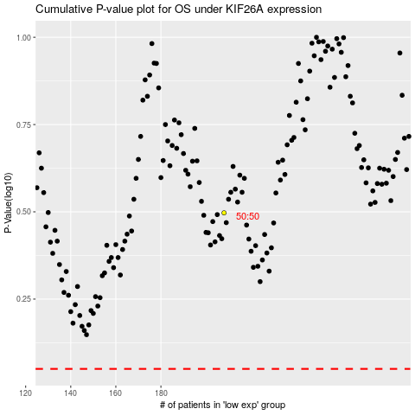

 |  |  |  |  |  | cases_OS | p_OS | rank | exp
 |  |  |  |  |  |  | cases_RFS | p_RFS | rank | exp

