KIF27 _multivariate
Reported by Tex Li-Hsing Chi. tex@gate.sinica.edu.tw 2019-08-18

Table 2. The clinicopathological features of HNSCC cohort and KIF27 expression. (Chi square test)
Cutoff at 0.041 (69.8%)
 |  | KIF27 expression |  | KIF27 expression |  | (Optimised)
 | Features | Low | (%) | High | (%) | Case no | P-value | Remark | Matthews
Gender | Female | 208 | 50.1 | 98 | 23.6 | 415 | 0.1949 | 0 | 0
2 | Male | 82 | 19.8 | 27 | 6.5
Age at diagnosis | <=65y | 191 | 46 | 83 | 20 | 415 | 1 | 0 | 0
4 | >65y | 99 | 23.9 | 42 | 10.1
Clinical T Status | T1+T2 | 98 | 23.6 | 51 | 12.3 | 415 | 0.21 | 0 | 0
6 | T3+T4 | 192 | 46.3 | 74 | 17.8
Clinical N Status | N0 | 157 | 37.8 | 59 | 14.2 | 415 | 0.2337 | 0 | 0
8 | N1-3 | 133 | 32 | 66 | 15.9
Clinical M Status | M0 | 288 | 69.4 | 124 | 29.9 | 415 | 1 | 0 | 0
10 | M1 | 2 | 0.5 | 1 | 0.2
Clinical Stage | Stage I+II | 73 | 17.6 | 29 | 7 | 415 | 0.7612 | 0 | 0
12 | Stage III+IV | 217 | 52.3 | 96 | 23.1
Surgical Margin status | Negative | 223 | 53.7 | 95 | 22.9 | 415 | 0.8995 | 0 | 0
14 | Positive | 67 | 16.1 | 30 | 7.2
Tobacco Exposure | Low | 116 | 28 | 45 | 10.8 | 415 | 0.5102 | 0 | 0
16 | High | 174 | 41.9 | 80 | 19.3

Table 3. Univariate/Multivariate Cox's proportional hazards regression analyses on OS time of KIF27 gene expression in HNSCC

 |  | Univariate |  |  |  | Multivariate
 | Features | HR | CI95%(L) | CI95%(H) | P-value | HR | CI95%(L) | CI95%(H) | P-value
1 | Female | 1 |  |  |  | 1
Gender | Male | 1.157 | 0.843 | 1.587 | 0.367 | 1.16 | 0.827 | 1.626 | 0.389
11 | <=65y | 1 |  |  |  | 1
Age at diagnosis | >65y | 1.329 | 0.99 | 1.784 | 0.058 | 1.44 | 1.057 | 1.961 | 0.021
12 | T1+T2 | 1 |  |  |  | 1
Clinical T Status | T3+T4 | 1.409 | 1.028 | 1.931 | 0.033 | 2.057 | 1.085 | 3.901 | 0.027
13 | N0 | 1 |  |  |  | 1
Clinical N Status | N1-3 | 1.185 | 0.89 | 1.577 | 0.246 | 1.276 | 0.893 | 1.823 | 0.18
14 | M0 | 1 |  |  |  | 1
Clinical M Status | M1 | 4.097 | 1.009 | 16.644 | 0.049 | 8.454 | 1.837 | 38.899 | 0.006
15 | Stage I+II | 1 |  |  |  | 1
Clinical Stage | Stage III+IV | 1.245 | 0.882 | 1.759 | 0.213 | 0.535 | 0.249 | 1.152 | 0.11
16 | Negative | 1 |  |  |  | 1
Surgical Margin status | Positive | 1.591 | 1.155 | 2.191 | 0.004 | 1.661 | 1.202 | 2.293 | 0.002
17 | Low | 1 |  |  |  | 1
Tobacco Exposure | High | 1.364 | 1.008 | 1.844 | 0.044 | 1.437 | 1.041 | 1.982 | 0.027
18 | Low | 1 |  |  |  | 1
RNAseq(z-score) | High | 0.71 | 0.509 | 0.991 | 0.044 | 0.733 | 0.522 | 1.031 | 0.075

Table 4. Univariate/Multivariate Cox's proportional hazards regression analyses on RFS time of KIF27 gene expression in HNSCC

 |  | Univariate |  |  |  | Multivariate
 | Features | HR | CI95%(L) | CI95%(H) | P-value | HR | CI95%(L) | CI95%(H) | P-value
1 | Female | 1 |  |  |  | 1
Gender | Male | 1.157 | 0.843 | 1.587 | 0.367 | 1.16 | 0.827 | 1.626 | 0.389
11 | <=65y | 1 |  |  |  | 1
Age at diagnosis | >65y | 1.329 | 0.99 | 1.784 | 0.058 | 1.44 | 1.057 | 1.961 | 0.021
12 | T1+T2 | 1 |  |  |  | 1
Clinical T Status | T3+T4 | 1.409 | 1.028 | 1.931 | 0.033 | 2.057 | 1.085 | 3.901 | 0.027
13 | N0 | 1 |  |  |  | 1
Clinical N Status | N1-3 | 1.185 | 0.89 | 1.577 | 0.246 | 1.276 | 0.893 | 1.823 | 0.18
14 | M0 | 1 |  |  |  | 1
Clinical M Status | M1 | 4.097 | 1.009 | 16.644 | 0.049 | 8.454 | 1.837 | 38.899 | 0.006
15 | Stage I+II | 1 |  |  |  | 1
Clinical Stage | Stage III+IV | 1.245 | 0.882 | 1.759 | 0.213 | 0.535 | 0.249 | 1.152 | 0.11
16 | Negative | 1 |  |  |  | 1
Surgical Margin status | Positive | 1.591 | 1.155 | 2.191 | 0.004 | 1.661 | 1.202 | 2.293 | 0.002
17 | Low | 1 |  |  |  | 1
Tobacco Exposure | High | 1.364 | 1.008 | 1.844 | 0.044 | 1.437 | 1.041 | 1.982 | 0.027
18 | Low | 1 |  |  |  | 1
RNAseq(z-score) | High | 0.71 | 0.509 | 0.991 | 0.044 | 0.733 | 0.522 | 1.031 | 0.075

Kaplan-Meier survival estimate: Cutoff at 0.041 (69.8%)



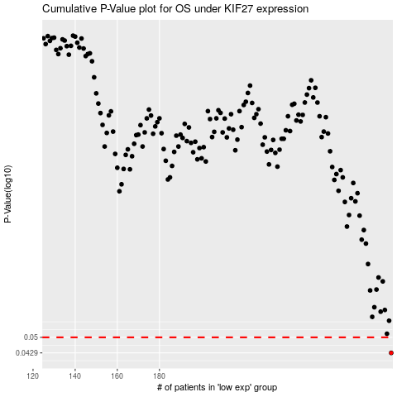

 |  |  |  |  |  | cases_OS | p_OS | rank | exp
 |  |  |  |  |  | 290 | 0.0429 | 383 | 0.040994224091
 |  |  |  |  |  |  | cases_RFS | p_RFS | rank | exp
 |  |  |  |  |  |  | 289 | 0.0429 | 199 | 0.034551743363

