KIF2C _multivariate
Reported by Tex Li-Hsing Chi. tex@gate.sinica.edu.tw 2019-08-18

Table 2. The clinicopathological features of HNSCC cohort and KIF2C expression. (Chi square test)
Cutoff at -0.059 (49.8%)
 |  | KIF2C expression |  | KIF2C expression |  | (Optimised)
 | Features | Low | (%) | High | (%) | Case no | P-value | Remark | Matthews
Gender | Female | 147 | 35.4 | 159 | 38.3 | 415 | 0.2523 | 0 | 0
2 | Male | 60 | 14.5 | 49 | 11.8
Age at diagnosis | <=65y | 131 | 31.6 | 143 | 34.5 | 415 | 0.2839 | 0 | 0
4 | >65y | 76 | 18.3 | 65 | 15.7
Clinical T Status | T1+T2 | 78 | 18.8 | 71 | 17.1 | 415 | 0.5152 | 0 | 0
6 | T3+T4 | 129 | 31.1 | 137 | 33
Clinical N Status | N0 | 123 | 29.6 | 93 | 22.4 | 415 | 0.0037 | 1 | 0
8 | N1-3 | 84 | 20.2 | 115 | 27.7
Clinical M Status | M0 | 207 | 49.9 | 205 | 49.4 | 415 | 0.2482 | 0 | 0
10 | M1 | 0 | 0 | 3 | 0.7
Clinical Stage | Stage I+II | 59 | 14.2 | 43 | 10.4 | 415 | 0.0822 | 0 | 0
12 | Stage III+IV | 148 | 35.7 | 165 | 39.8
Surgical Margin status | Negative | 160 | 38.6 | 158 | 38.1 | 415 | 0.8167 | 0 | 0
14 | Positive | 47 | 11.3 | 50 | 12
Tobacco Exposure | Low | 93 | 22.4 | 68 | 16.4 | 415 | 0.0118 | 1 | 0
16 | High | 114 | 27.5 | 140 | 33.7

Table 3. Univariate/Multivariate Cox's proportional hazards regression analyses on OS time of KIF2C gene expression in HNSCC

 |  | Univariate |  |  |  | Multivariate
 | Features | HR | CI95%(L) | CI95%(H) | P-value | HR | CI95%(L) | CI95%(H) | P-value
1 | Female | 1 |  |  |  | 1
Gender | Male | 1.157 | 0.843 | 1.587 | 0.367 | 1.207 | 0.864 | 1.686 | 0.271
11 | <=65y | 1 |  |  |  | 1
Age at diagnosis | >65y | 1.329 | 0.99 | 1.784 | 0.058 | 1.393 | 1.025 | 1.894 | 0.034
12 | T1+T2 | 1 |  |  |  | 1
Clinical T Status | T3+T4 | 1.409 | 1.028 | 1.931 | 0.033 | 2.209 | 1.168 | 4.176 | 0.015
13 | N0 | 1 |  |  |  | 1
Clinical N Status | N1-3 | 1.185 | 0.89 | 1.577 | 0.246 | 1.26 | 0.88 | 1.804 | 0.206
14 | M0 | 1 |  |  |  | 1
Clinical M Status | M1 | 4.097 | 1.009 | 16.644 | 0.049 | 9.843 | 2.133 | 45.427 | 0.003
15 | Stage I+II | 1 |  |  |  | 1
Clinical Stage | Stage III+IV | 1.245 | 0.882 | 1.759 | 0.213 | 0.504 | 0.235 | 1.082 | 0.079
16 | Negative | 1 |  |  |  | 1
Surgical Margin status | Positive | 1.591 | 1.155 | 2.191 | 0.004 | 1.682 | 1.216 | 2.325 | 0.002
17 | Low | 1 |  |  |  | 1
Tobacco Exposure | High | 1.364 | 1.008 | 1.844 | 0.044 | 1.47 | 1.064 | 2.029 | 0.019
18 | Low | 1 |  |  |  | 1
RNAseq(z-score) | High | 1.023 | 0.768 | 1.362 | 0.877 | 0.909 | 0.676 | 1.221 | 0.526

Table 4. Univariate/Multivariate Cox's proportional hazards regression analyses on RFS time of KIF2C gene expression in HNSCC

 |  | Univariate |  |  |  | Multivariate
 | Features | HR | CI95%(L) | CI95%(H) | P-value | HR | CI95%(L) | CI95%(H) | P-value
1 | Female | 1 |  |  |  | 1
Gender | Male | 1.157 | 0.843 | 1.587 | 0.367 | 1.207 | 0.864 | 1.686 | 0.271
11 | <=65y | 1 |  |  |  | 1
Age at diagnosis | >65y | 1.329 | 0.99 | 1.784 | 0.058 | 1.393 | 1.025 | 1.894 | 0.034
12 | T1+T2 | 1 |  |  |  | 1
Clinical T Status | T3+T4 | 1.409 | 1.028 | 1.931 | 0.033 | 2.209 | 1.168 | 4.176 | 0.015
13 | N0 | 1 |  |  |  | 1
Clinical N Status | N1-3 | 1.185 | 0.89 | 1.577 | 0.246 | 1.26 | 0.88 | 1.804 | 0.206
14 | M0 | 1 |  |  |  | 1
Clinical M Status | M1 | 4.097 | 1.009 | 16.644 | 0.049 | 9.843 | 2.133 | 45.427 | 0.003
15 | Stage I+II | 1 |  |  |  | 1
Clinical Stage | Stage III+IV | 1.245 | 0.882 | 1.759 | 0.213 | 0.504 | 0.235 | 1.082 | 0.079
16 | Negative | 1 |  |  |  | 1
Surgical Margin status | Positive | 1.591 | 1.155 | 2.191 | 0.004 | 1.682 | 1.216 | 2.325 | 0.002
17 | Low | 1 |  |  |  | 1
Tobacco Exposure | High | 1.364 | 1.008 | 1.844 | 0.044 | 1.47 | 1.064 | 2.029 | 0.019
18 | Low | 1 |  |  |  | 1
RNAseq(z-score) | High | 1.023 | 0.768 | 1.362 | 0.877 | 0.909 | 0.676 | 1.221 | 0.526

Kaplan-Meier survival estimate: Cutoff at -0.059 (49.8%)

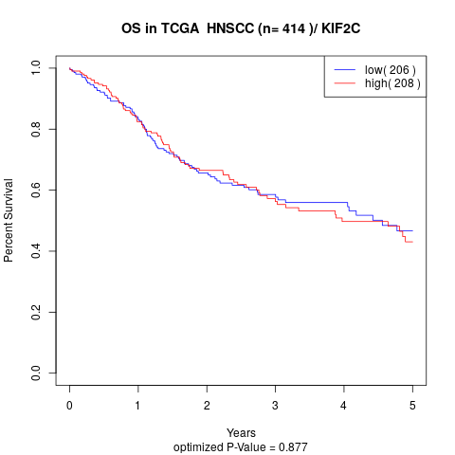

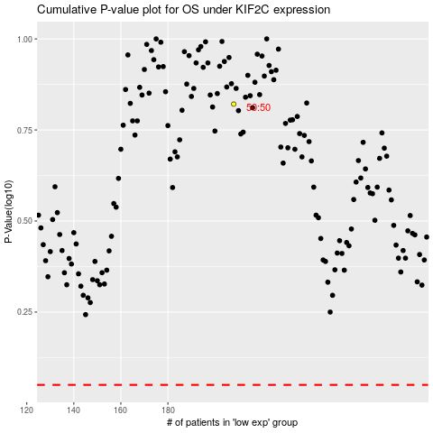

 |  |  |  |  |  | cases_OS | p_OS | rank | exp
 |  |  |  |  |  |  | cases_RFS | p_RFS | rank | exp

