KIF3B _multivariate
Reported by Tex Li-Hsing Chi. tex@gate.sinica.edu.tw 2019-08-18

Table 2. The clinicopathological features of HNSCC cohort and KIF3B expression. (Chi square test)
Cutoff at -0.114 (49.8%)
 |  | KIF3B expression |  | KIF3B expression |  | (Optimised)
 | Features | Low | (%) | High | (%) | Case no | P-value | Remark | Matthews
Gender | Female | 142 | 34.2 | 164 | 39.5 | 415 | 0.0238 | 1 | 0
2 | Male | 65 | 15.7 | 44 | 10.6
Age at diagnosis | <=65y | 127 | 30.6 | 147 | 35.4 | 415 | 0.0573 | 0 | 0
4 | >65y | 80 | 19.3 | 61 | 14.7
Clinical T Status | T1+T2 | 76 | 18.3 | 73 | 17.6 | 415 | 0.8092 | 0 | 0
6 | T3+T4 | 131 | 31.6 | 135 | 32.5
Clinical N Status | N0 | 114 | 27.5 | 102 | 24.6 | 415 | 0.2576 | 1 | 0
8 | N1-3 | 93 | 22.4 | 106 | 25.5
Clinical M Status | M0 | 204 | 49.2 | 208 | 50.1 | 415 | 0.1232 | 0 | 0
10 | M1 | 3 | 0.7 | 0 | 0
Clinical Stage | Stage I+II | 52 | 12.5 | 50 | 12 | 415 | 0.8871 | 0 | 0
12 | Stage III+IV | 155 | 37.3 | 158 | 38.1
Surgical Margin status | Negative | 152 | 36.6 | 166 | 40 | 415 | 0.1329 | 0 | 0
14 | Positive | 55 | 13.3 | 42 | 10.1
Tobacco Exposure | Low | 92 | 22.2 | 69 | 16.6 | 415 | 0.0206 | 1 | 0
16 | High | 115 | 27.7 | 139 | 33.5

Table 3. Univariate/Multivariate Cox's proportional hazards regression analyses on OS time of KIF3B gene expression in HNSCC

 |  | Univariate |  |  |  | Multivariate
 | Features | HR | CI95%(L) | CI95%(H) | P-value | HR | CI95%(L) | CI95%(H) | P-value
1 | Female | 1 |  |  |  | 1
Gender | Male | 1.157 | 0.843 | 1.587 | 0.367 | 1.242 | 0.884 | 1.744 | 0.211
11 | <=65y | 1 |  |  |  | 1
Age at diagnosis | >65y | 1.329 | 0.99 | 1.784 | 0.058 | 1.41 | 1.036 | 1.919 | 0.029
12 | T1+T2 | 1 |  |  |  | 1
Clinical T Status | T3+T4 | 1.409 | 1.028 | 1.931 | 0.033 | 2.239 | 1.183 | 4.237 | 0.013
13 | N0 | 1 |  |  |  | 1
Clinical N Status | N1-3 | 1.185 | 0.89 | 1.577 | 0.246 | 1.226 | 0.859 | 1.751 | 0.262
14 | M0 | 1 |  |  |  | 1
Clinical M Status | M1 | 4.097 | 1.009 | 16.644 | 0.049 | 10.544 | 2.263 | 49.126 | 0.003
15 | Stage I+II | 1 |  |  |  | 1
Clinical Stage | Stage III+IV | 1.245 | 0.882 | 1.759 | 0.213 | 0.5 | 0.233 | 1.073 | 0.075
16 | Negative | 1 |  |  |  | 1
Surgical Margin status | Positive | 1.591 | 1.155 | 2.191 | 0.004 | 1.711 | 1.234 | 2.372 | 0.001
17 | Low | 1 |  |  |  | 1
Tobacco Exposure | High | 1.364 | 1.008 | 1.844 | 0.044 | 1.444 | 1.048 | 1.989 | 0.025
18 | Low | 1 |  |  |  | 1
RNAseq(z-score) | High | 1.053 | 0.791 | 1.402 | 0.722 | 1.173 | 0.869 | 1.584 | 0.296

Table 4. Univariate/Multivariate Cox's proportional hazards regression analyses on RFS time of KIF3B gene expression in HNSCC

 |  | Univariate |  |  |  | Multivariate
 | Features | HR | CI95%(L) | CI95%(H) | P-value | HR | CI95%(L) | CI95%(H) | P-value
1 | Female | 1 |  |  |  | 1
Gender | Male | 1.157 | 0.843 | 1.587 | 0.367 | 1.242 | 0.884 | 1.744 | 0.211
11 | <=65y | 1 |  |  |  | 1
Age at diagnosis | >65y | 1.329 | 0.99 | 1.784 | 0.058 | 1.41 | 1.036 | 1.919 | 0.029
12 | T1+T2 | 1 |  |  |  | 1
Clinical T Status | T3+T4 | 1.409 | 1.028 | 1.931 | 0.033 | 2.239 | 1.183 | 4.237 | 0.013
13 | N0 | 1 |  |  |  | 1
Clinical N Status | N1-3 | 1.185 | 0.89 | 1.577 | 0.246 | 1.226 | 0.859 | 1.751 | 0.262
14 | M0 | 1 |  |  |  | 1
Clinical M Status | M1 | 4.097 | 1.009 | 16.644 | 0.049 | 10.544 | 2.263 | 49.126 | 0.003
15 | Stage I+II | 1 |  |  |  | 1
Clinical Stage | Stage III+IV | 1.245 | 0.882 | 1.759 | 0.213 | 0.5 | 0.233 | 1.073 | 0.075
16 | Negative | 1 |  |  |  | 1
Surgical Margin status | Positive | 1.591 | 1.155 | 2.191 | 0.004 | 1.711 | 1.234 | 2.372 | 0.001
17 | Low | 1 |  |  |  | 1
Tobacco Exposure | High | 1.364 | 1.008 | 1.844 | 0.044 | 1.444 | 1.048 | 1.989 | 0.025
18 | Low | 1 |  |  |  | 1
RNAseq(z-score) | High | 1.053 | 0.791 | 1.402 | 0.722 | 1.173 | 0.869 | 1.584 | 0.296

Kaplan-Meier survival estimate: Cutoff at -0.114 (49.8%)



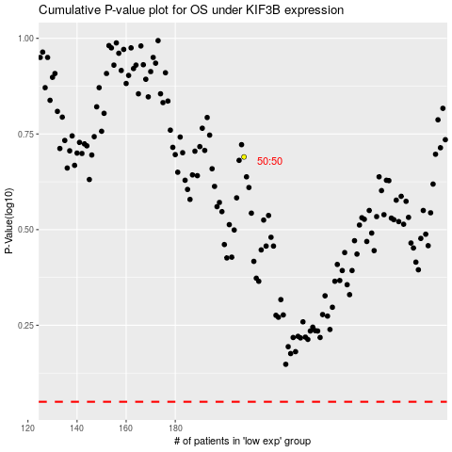

 |  |  |  |  |  | cases_OS | p_OS | rank | exp
 |  |  |  |  |  |  | cases_RFS | p_RFS | rank | exp

