KIF3C _multivariate
Reported by Tex Li-Hsing Chi. tex@gate.sinica.edu.tw 2019-08-18

Table 2. The clinicopathological features of HNSCC cohort and KIF3C expression. (Chi square test)
Cutoff at -0.093 (50.0%)
 |  | KIF3C expression |  | KIF3C expression |  | (Optimised)
 | Features | Low | (%) | High | (%) | Case no | P-value | Remark | Matthews
Gender | Female | 151 | 36.4 | 155 | 37.3 | 415 | 0.8007 | 0 | 0
2 | Male | 56 | 13.5 | 53 | 12.8
Age at diagnosis | <=65y | 129 | 31.1 | 145 | 34.9 | 415 | 0.1372 | 0 | 0
4 | >65y | 78 | 18.8 | 63 | 15.2
Clinical T Status | T1+T2 | 91 | 21.9 | 58 | 14 | 415 | 9e-04 | 1 | 0
6 | T3+T4 | 116 | 28 | 150 | 36.1
Clinical N Status | N0 | 119 | 28.7 | 97 | 23.4 | 415 | 0.0345 | 1 | 0
8 | N1-3 | 88 | 21.2 | 111 | 26.7
Clinical M Status | M0 | 204 | 49.2 | 208 | 50.1 | 415 | 0.1232 | 0 | 0
10 | M1 | 3 | 0.7 | 0 | 0
Clinical Stage | Stage I+II | 62 | 14.9 | 40 | 9.6 | 415 | 0.0154 | 1 | 0
12 | Stage III+IV | 145 | 34.9 | 168 | 40.5
Surgical Margin status | Negative | 154 | 37.1 | 164 | 39.5 | 415 | 0.2984 | 0 | 0
14 | Positive | 53 | 12.8 | 44 | 10.6
Tobacco Exposure | Low | 90 | 21.7 | 71 | 17.1 | 415 | 0.0559 | 0 | 0
16 | High | 117 | 28.2 | 137 | 33

Table 3. Univariate/Multivariate Cox's proportional hazards regression analyses on OS time of KIF3C gene expression in HNSCC

 |  | Univariate |  |  |  | Multivariate
 | Features | HR | CI95%(L) | CI95%(H) | P-value | HR | CI95%(L) | CI95%(H) | P-value
1 | Female | 1 |  |  |  | 1
Gender | Male | 1.157 | 0.843 | 1.587 | 0.367 | 1.205 | 0.862 | 1.685 | 0.275
11 | <=65y | 1 |  |  |  | 1
Age at diagnosis | >65y | 1.329 | 0.99 | 1.784 | 0.058 | 1.396 | 1.026 | 1.9 | 0.034
12 | T1+T2 | 1 |  |  |  | 1
Clinical T Status | T3+T4 | 1.409 | 1.028 | 1.931 | 0.033 | 2.18 | 1.146 | 4.146 | 0.018
13 | N0 | 1 |  |  |  | 1
Clinical N Status | N1-3 | 1.185 | 0.89 | 1.577 | 0.246 | 1.235 | 0.864 | 1.766 | 0.248
14 | M0 | 1 |  |  |  | 1
Clinical M Status | M1 | 4.097 | 1.009 | 16.644 | 0.049 | 9.53 | 2.071 | 43.863 | 0.004
15 | Stage I+II | 1 |  |  |  | 1
Clinical Stage | Stage III+IV | 1.245 | 0.882 | 1.759 | 0.213 | 0.508 | 0.236 | 1.094 | 0.084
16 | Negative | 1 |  |  |  | 1
Surgical Margin status | Positive | 1.591 | 1.155 | 2.191 | 0.004 | 1.675 | 1.212 | 2.316 | 0.002
17 | Low | 1 |  |  |  | 1
Tobacco Exposure | High | 1.364 | 1.008 | 1.844 | 0.044 | 1.45 | 1.052 | 1.999 | 0.023
18 | Low | 1 |  |  |  | 1
RNAseq(z-score) | High | 1.051 | 0.787 | 1.403 | 0.738 | 1.036 | 0.766 | 1.401 | 0.817

Table 4. Univariate/Multivariate Cox's proportional hazards regression analyses on RFS time of KIF3C gene expression in HNSCC

 |  | Univariate |  |  |  | Multivariate
 | Features | HR | CI95%(L) | CI95%(H) | P-value | HR | CI95%(L) | CI95%(H) | P-value
1 | Female | 1 |  |  |  | 1
Gender | Male | 1.157 | 0.843 | 1.587 | 0.367 | 1.205 | 0.862 | 1.685 | 0.275
11 | <=65y | 1 |  |  |  | 1
Age at diagnosis | >65y | 1.329 | 0.99 | 1.784 | 0.058 | 1.396 | 1.026 | 1.9 | 0.034
12 | T1+T2 | 1 |  |  |  | 1
Clinical T Status | T3+T4 | 1.409 | 1.028 | 1.931 | 0.033 | 2.18 | 1.146 | 4.146 | 0.018
13 | N0 | 1 |  |  |  | 1
Clinical N Status | N1-3 | 1.185 | 0.89 | 1.577 | 0.246 | 1.235 | 0.864 | 1.766 | 0.248
14 | M0 | 1 |  |  |  | 1
Clinical M Status | M1 | 4.097 | 1.009 | 16.644 | 0.049 | 9.53 | 2.071 | 43.863 | 0.004
15 | Stage I+II | 1 |  |  |  | 1
Clinical Stage | Stage III+IV | 1.245 | 0.882 | 1.759 | 0.213 | 0.508 | 0.236 | 1.094 | 0.084
16 | Negative | 1 |  |  |  | 1
Surgical Margin status | Positive | 1.591 | 1.155 | 2.191 | 0.004 | 1.675 | 1.212 | 2.316 | 0.002
17 | Low | 1 |  |  |  | 1
Tobacco Exposure | High | 1.364 | 1.008 | 1.844 | 0.044 | 1.45 | 1.052 | 1.999 | 0.023
18 | Low | 1 |  |  |  | 1
RNAseq(z-score) | High | 1.051 | 0.787 | 1.403 | 0.738 | 1.036 | 0.766 | 1.401 | 0.817

Kaplan-Meier survival estimate: Cutoff at -0.093 (50.0%)



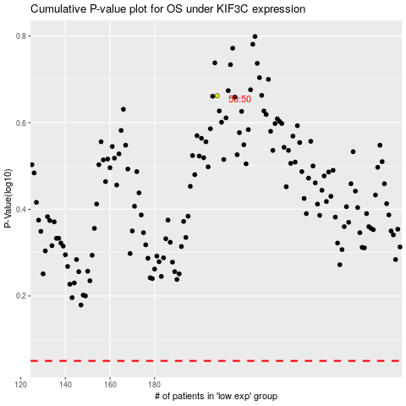

 |  |  |  |  |  | cases_OS | p_OS | rank | exp
 |  |  |  |  |  |  | cases_RFS | p_RFS | rank | exp

