KIF4B _multivariate
Reported by Tex Li-Hsing Chi. tex@gate.sinica.edu.tw 2019-08-18

Table 2. The clinicopathological features of HNSCC cohort and KIF4B expression. (Chi square test)
Cutoff at -0.052 (49.8%)
 |  | KIF4B expression |  | KIF4B expression |  | (Optimised)
 | Features | Low | (%) | High | (%) | Case no | P-value | Remark | Matthews
Gender | Female | 145 | 34.9 | 161 | 38.8 | 415 | 0.1116 | 0 | 0
2 | Male | 62 | 14.9 | 47 | 11.3
Age at diagnosis | <=65y | 134 | 32.3 | 140 | 33.7 | 415 | 0.6529 | 0 | 0
4 | >65y | 73 | 17.6 | 68 | 16.4
Clinical T Status | T1+T2 | 68 | 16.4 | 81 | 19.5 | 415 | 0.2336 | 0 | 0
6 | T3+T4 | 139 | 33.5 | 127 | 30.6
Clinical N Status | N0 | 113 | 27.2 | 103 | 24.8 | 415 | 0.3495 | 1 | 0
8 | N1-3 | 94 | 22.7 | 105 | 25.3
Clinical M Status | M0 | 205 | 49.4 | 207 | 49.9 | 415 | 0.6232 | 0 | 0
10 | M1 | 2 | 0.5 | 1 | 0.2
Clinical Stage | Stage I+II | 49 | 11.8 | 53 | 12.8 | 415 | 0.7535 | 0 | 0
12 | Stage III+IV | 158 | 38.1 | 155 | 37.3
Surgical Margin status | Negative | 159 | 38.3 | 159 | 38.3 | 415 | 1 | 0 | 0
14 | Positive | 48 | 11.6 | 49 | 11.8
Tobacco Exposure | Low | 92 | 22.2 | 69 | 16.6 | 415 | 0.0206 | 1 | 0
16 | High | 115 | 27.7 | 139 | 33.5

Table 3. Univariate/Multivariate Cox's proportional hazards regression analyses on OS time of KIF4B gene expression in HNSCC

 |  | Univariate |  |  |  | Multivariate
 | Features | HR | CI95%(L) | CI95%(H) | P-value | HR | CI95%(L) | CI95%(H) | P-value
1 | Female | 1 |  |  |  | 1
Gender | Male | 1.157 | 0.843 | 1.587 | 0.367 | 1.239 | 0.885 | 1.734 | 0.212
11 | <=65y | 1 |  |  |  | 1
Age at diagnosis | >65y | 1.329 | 0.99 | 1.784 | 0.058 | 1.382 | 1.017 | 1.879 | 0.039
12 | T1+T2 | 1 |  |  |  | 1
Clinical T Status | T3+T4 | 1.409 | 1.028 | 1.931 | 0.033 | 2.279 | 1.204 | 4.317 | 0.011
13 | N0 | 1 |  |  |  | 1
Clinical N Status | N1-3 | 1.185 | 0.89 | 1.577 | 0.246 | 1.236 | 0.866 | 1.764 | 0.242
14 | M0 | 1 |  |  |  | 1
Clinical M Status | M1 | 4.097 | 1.009 | 16.644 | 0.049 | 10.026 | 2.18 | 46.113 | 0.003
15 | Stage I+II | 1 |  |  |  | 1
Clinical Stage | Stage III+IV | 1.245 | 0.882 | 1.759 | 0.213 | 0.493 | 0.229 | 1.059 | 0.07
16 | Negative | 1 |  |  |  | 1
Surgical Margin status | Positive | 1.591 | 1.155 | 2.191 | 0.004 | 1.673 | 1.211 | 2.312 | 0.002
17 | Low | 1 |  |  |  | 1
Tobacco Exposure | High | 1.364 | 1.008 | 1.844 | 0.044 | 1.447 | 1.05 | 1.994 | 0.024
18 | Low | 1 |  |  |  | 1
RNAseq(z-score) | High | 1.18 | 0.886 | 1.572 | 0.259 | 1.225 | 0.915 | 1.64 | 0.173

Table 4. Univariate/Multivariate Cox's proportional hazards regression analyses on RFS time of KIF4B gene expression in HNSCC

 |  | Univariate |  |  |  | Multivariate
 | Features | HR | CI95%(L) | CI95%(H) | P-value | HR | CI95%(L) | CI95%(H) | P-value
1 | Female | 1 |  |  |  | 1
Gender | Male | 1.157 | 0.843 | 1.587 | 0.367 | 1.239 | 0.885 | 1.734 | 0.212
11 | <=65y | 1 |  |  |  | 1
Age at diagnosis | >65y | 1.329 | 0.99 | 1.784 | 0.058 | 1.382 | 1.017 | 1.879 | 0.039
12 | T1+T2 | 1 |  |  |  | 1
Clinical T Status | T3+T4 | 1.409 | 1.028 | 1.931 | 0.033 | 2.279 | 1.204 | 4.317 | 0.011
13 | N0 | 1 |  |  |  | 1
Clinical N Status | N1-3 | 1.185 | 0.89 | 1.577 | 0.246 | 1.236 | 0.866 | 1.764 | 0.242
14 | M0 | 1 |  |  |  | 1
Clinical M Status | M1 | 4.097 | 1.009 | 16.644 | 0.049 | 10.026 | 2.18 | 46.113 | 0.003
15 | Stage I+II | 1 |  |  |  | 1
Clinical Stage | Stage III+IV | 1.245 | 0.882 | 1.759 | 0.213 | 0.493 | 0.229 | 1.059 | 0.07
16 | Negative | 1 |  |  |  | 1
Surgical Margin status | Positive | 1.591 | 1.155 | 2.191 | 0.004 | 1.673 | 1.211 | 2.312 | 0.002
17 | Low | 1 |  |  |  | 1
Tobacco Exposure | High | 1.364 | 1.008 | 1.844 | 0.044 | 1.447 | 1.05 | 1.994 | 0.024
18 | Low | 1 |  |  |  | 1
RNAseq(z-score) | High | 1.18 | 0.886 | 1.572 | 0.259 | 1.225 | 0.915 | 1.64 | 0.173

Kaplan-Meier survival estimate: Cutoff at -0.052 (49.8%)



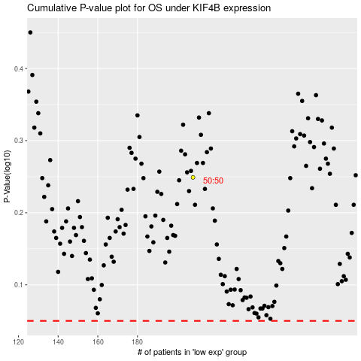

 |  |  |  |  |  | cases_OS | p_OS | rank | exp
 |  |  |  |  |  |  | cases_RFS | p_RFS | rank | exp

