KIF5B _multivariate
Reported by Tex Li-Hsing Chi. tex@gate.sinica.edu.tw 2019-08-18

Table 2. The clinicopathological features of HNSCC cohort and KIF5B expression. (Chi square test)
Cutoff at -0.155 (50.0%)
 |  | KIF5B expression |  | KIF5B expression |  | (Optimised)
 | Features | Low | (%) | High | (%) | Case no | P-value | Remark | Matthews
Gender | Female | 159 | 38.3 | 147 | 35.4 | 415 | 0.1905 | 0 | 0
2 | Male | 48 | 11.6 | 61 | 14.7
Age at diagnosis | <=65y | 141 | 34 | 133 | 32 | 415 | 0.4272 | 0 | 0
4 | >65y | 66 | 15.9 | 75 | 18.1
Clinical T Status | T1+T2 | 73 | 17.6 | 76 | 18.3 | 415 | 0.8666 | 0 | 0
6 | T3+T4 | 134 | 32.3 | 132 | 31.8
Clinical N Status | N0 | 105 | 25.3 | 111 | 26.7 | 415 | 0.6598 | 0 | 0
8 | N1-3 | 102 | 24.6 | 97 | 23.4
Clinical M Status | M0 | 204 | 49.2 | 208 | 50.1 | 415 | 0.1232 | 0 | 0
10 | M1 | 3 | 0.7 | 0 | 0
Clinical Stage | Stage I+II | 47 | 11.3 | 55 | 13.3 | 415 | 0.4413 | 0 | 0
12 | Stage III+IV | 160 | 38.6 | 153 | 36.9
Surgical Margin status | Negative | 156 | 37.6 | 162 | 39 | 415 | 0.5636 | 0 | 0
14 | Positive | 51 | 12.3 | 46 | 11.1
Tobacco Exposure | Low | 83 | 20 | 78 | 18.8 | 415 | 0.6152 | 0 | 0
16 | High | 124 | 29.9 | 130 | 31.3

Table 3. Univariate/Multivariate Cox's proportional hazards regression analyses on OS time of KIF5B gene expression in HNSCC

 |  | Univariate |  |  |  | Multivariate
 | Features | HR | CI95%(L) | CI95%(H) | P-value | HR | CI95%(L) | CI95%(H) | P-value
1 | Female | 1 |  |  |  | 1
Gender | Male | 1.157 | 0.843 | 1.587 | 0.367 | 1.191 | 0.852 | 1.665 | 0.307
11 | <=65y | 1 |  |  |  | 1
Age at diagnosis | >65y | 1.329 | 0.99 | 1.784 | 0.058 | 1.396 | 1.027 | 1.899 | 0.033
12 | T1+T2 | 1 |  |  |  | 1
Clinical T Status | T3+T4 | 1.409 | 1.028 | 1.931 | 0.033 | 2.212 | 1.169 | 4.184 | 0.015
13 | N0 | 1 |  |  |  | 1
Clinical N Status | N1-3 | 1.185 | 0.89 | 1.577 | 0.246 | 1.246 | 0.873 | 1.778 | 0.225
14 | M0 | 1 |  |  |  | 1
Clinical M Status | M1 | 4.097 | 1.009 | 16.644 | 0.049 | 9.926 | 2.149 | 45.844 | 0.003
15 | Stage I+II | 1 |  |  |  | 1
Clinical Stage | Stage III+IV | 1.245 | 0.882 | 1.759 | 0.213 | 0.505 | 0.235 | 1.084 | 0.08
16 | Negative | 1 |  |  |  | 1
Surgical Margin status | Positive | 1.591 | 1.155 | 2.191 | 0.004 | 1.685 | 1.219 | 2.331 | 0.002
17 | Low | 1 |  |  |  | 1
Tobacco Exposure | High | 1.364 | 1.008 | 1.844 | 0.044 | 1.438 | 1.042 | 1.984 | 0.027
18 | Low | 1 |  |  |  | 1
RNAseq(z-score) | High | 1.072 | 0.802 | 1.432 | 0.64 | 1.113 | 0.829 | 1.496 | 0.476

Table 4. Univariate/Multivariate Cox's proportional hazards regression analyses on RFS time of KIF5B gene expression in HNSCC

 |  | Univariate |  |  |  | Multivariate
 | Features | HR | CI95%(L) | CI95%(H) | P-value | HR | CI95%(L) | CI95%(H) | P-value
1 | Female | 1 |  |  |  | 1
Gender | Male | 1.157 | 0.843 | 1.587 | 0.367 | 1.191 | 0.852 | 1.665 | 0.307
11 | <=65y | 1 |  |  |  | 1
Age at diagnosis | >65y | 1.329 | 0.99 | 1.784 | 0.058 | 1.396 | 1.027 | 1.899 | 0.033
12 | T1+T2 | 1 |  |  |  | 1
Clinical T Status | T3+T4 | 1.409 | 1.028 | 1.931 | 0.033 | 2.212 | 1.169 | 4.184 | 0.015
13 | N0 | 1 |  |  |  | 1
Clinical N Status | N1-3 | 1.185 | 0.89 | 1.577 | 0.246 | 1.246 | 0.873 | 1.778 | 0.225
14 | M0 | 1 |  |  |  | 1
Clinical M Status | M1 | 4.097 | 1.009 | 16.644 | 0.049 | 9.926 | 2.149 | 45.844 | 0.003
15 | Stage I+II | 1 |  |  |  | 1
Clinical Stage | Stage III+IV | 1.245 | 0.882 | 1.759 | 0.213 | 0.505 | 0.235 | 1.084 | 0.08
16 | Negative | 1 |  |  |  | 1
Surgical Margin status | Positive | 1.591 | 1.155 | 2.191 | 0.004 | 1.685 | 1.219 | 2.331 | 0.002
17 | Low | 1 |  |  |  | 1
Tobacco Exposure | High | 1.364 | 1.008 | 1.844 | 0.044 | 1.438 | 1.042 | 1.984 | 0.027
18 | Low | 1 |  |  |  | 1
RNAseq(z-score) | High | 1.072 | 0.802 | 1.432 | 0.64 | 1.113 | 0.829 | 1.496 | 0.476

Kaplan-Meier survival estimate: Cutoff at -0.155 (50.0%)



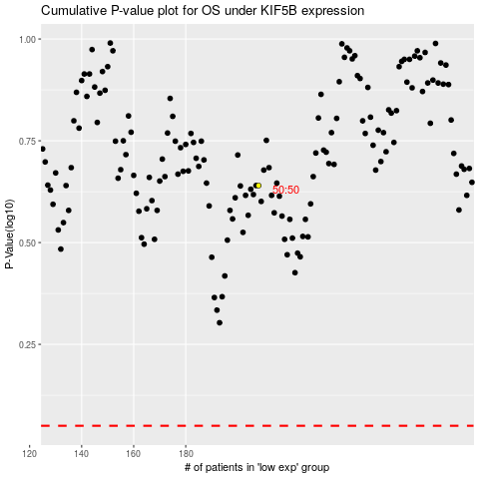

 |  |  |  |  |  | cases_OS | p_OS | rank | exp
 |  |  |  |  |  |  | cases_RFS | p_RFS | rank | exp

