KIF9 _multivariate
Reported by Tex Li-Hsing Chi. tex@gate.sinica.edu.tw 2019-08-18

Table 2. The clinicopathological features of HNSCC cohort and KIF9 expression. (Chi square test)
Cutoff at -0.305 (50.0%)
 |  | KIF9 expression |  | KIF9 expression |  | (Optimised)
 | Features | Low | (%) | High | (%) | Case no | P-value | Remark | Matthews
Gender | Female | 151 | 36.4 | 155 | 37.3 | 415 | 0.8007 | 0 | 0
2 | Male | 56 | 13.5 | 53 | 12.8
Age at diagnosis | <=65y | 139 | 33.5 | 135 | 32.5 | 415 | 0.7044 | 0 | 0
4 | >65y | 68 | 16.4 | 73 | 17.6
Clinical T Status | T1+T2 | 75 | 18.1 | 74 | 17.8 | 415 | 0.9707 | 0 | 0
6 | T3+T4 | 132 | 31.8 | 134 | 32.3
Clinical N Status | N0 | 110 | 26.5 | 106 | 25.5 | 415 | 0.7294 | 0 | 0
8 | N1-3 | 97 | 23.4 | 102 | 24.6
Clinical M Status | M0 | 206 | 49.6 | 206 | 49.6 | 415 | 1 | 0 | 0
10 | M1 | 1 | 0.2 | 2 | 0.5
Clinical Stage | Stage I+II | 53 | 12.8 | 49 | 11.8 | 415 | 0.7113 | 0 | 0
12 | Stage III+IV | 154 | 37.1 | 159 | 38.3
Surgical Margin status | Negative | 161 | 38.8 | 157 | 37.8 | 415 | 0.6429 | 0 | 0
14 | Positive | 46 | 11.1 | 51 | 12.3
Tobacco Exposure | Low | 80 | 19.3 | 81 | 19.5 | 415 | 1 | 0 | 0
16 | High | 127 | 30.6 | 127 | 30.6

Table 3. Univariate/Multivariate Cox's proportional hazards regression analyses on OS time of KIF9 gene expression in HNSCC

 |  | Univariate |  |  |  | Multivariate
 | Features | HR | CI95%(L) | CI95%(H) | P-value | HR | CI95%(L) | CI95%(H) | P-value
1 | Female | 1 |  |  |  | 1
Gender | Male | 1.157 | 0.843 | 1.587 | 0.367 | 1.21 | 0.867 | 1.689 | 0.262
11 | <=65y | 1 |  |  |  | 1
Age at diagnosis | >65y | 1.329 | 0.99 | 1.784 | 0.058 | 1.407 | 1.035 | 1.914 | 0.03
12 | T1+T2 | 1 |  |  |  | 1
Clinical T Status | T3+T4 | 1.409 | 1.028 | 1.931 | 0.033 | 2.214 | 1.171 | 4.186 | 0.014
13 | N0 | 1 |  |  |  | 1
Clinical N Status | N1-3 | 1.185 | 0.89 | 1.577 | 0.246 | 1.268 | 0.887 | 1.812 | 0.192
14 | M0 | 1 |  |  |  | 1
Clinical M Status | M1 | 4.097 | 1.009 | 16.644 | 0.049 | 9.64 | 2.101 | 44.228 | 0.004
15 | Stage I+II | 1 |  |  |  | 1
Clinical Stage | Stage III+IV | 1.245 | 0.882 | 1.759 | 0.213 | 0.497 | 0.232 | 1.067 | 0.073
16 | Negative | 1 |  |  |  | 1
Surgical Margin status | Positive | 1.591 | 1.155 | 2.191 | 0.004 | 1.672 | 1.209 | 2.312 | 0.002
17 | Low | 1 |  |  |  | 1
Tobacco Exposure | High | 1.364 | 1.008 | 1.844 | 0.044 | 1.47 | 1.065 | 2.027 | 0.019
18 | Low | 1 |  |  |  | 1
RNAseq(z-score) | High | 0.868 | 0.651 | 1.159 | 0.337 | 0.823 | 0.615 | 1.102 | 0.191

Table 4. Univariate/Multivariate Cox's proportional hazards regression analyses on RFS time of KIF9 gene expression in HNSCC

 |  | Univariate |  |  |  | Multivariate
 | Features | HR | CI95%(L) | CI95%(H) | P-value | HR | CI95%(L) | CI95%(H) | P-value
1 | Female | 1 |  |  |  | 1
Gender | Male | 1.157 | 0.843 | 1.587 | 0.367 | 1.21 | 0.867 | 1.689 | 0.262
11 | <=65y | 1 |  |  |  | 1
Age at diagnosis | >65y | 1.329 | 0.99 | 1.784 | 0.058 | 1.407 | 1.035 | 1.914 | 0.03
12 | T1+T2 | 1 |  |  |  | 1
Clinical T Status | T3+T4 | 1.409 | 1.028 | 1.931 | 0.033 | 2.214 | 1.171 | 4.186 | 0.014
13 | N0 | 1 |  |  |  | 1
Clinical N Status | N1-3 | 1.185 | 0.89 | 1.577 | 0.246 | 1.268 | 0.887 | 1.812 | 0.192
14 | M0 | 1 |  |  |  | 1
Clinical M Status | M1 | 4.097 | 1.009 | 16.644 | 0.049 | 9.64 | 2.101 | 44.228 | 0.004
15 | Stage I+II | 1 |  |  |  | 1
Clinical Stage | Stage III+IV | 1.245 | 0.882 | 1.759 | 0.213 | 0.497 | 0.232 | 1.067 | 0.073
16 | Negative | 1 |  |  |  | 1
Surgical Margin status | Positive | 1.591 | 1.155 | 2.191 | 0.004 | 1.672 | 1.209 | 2.312 | 0.002
17 | Low | 1 |  |  |  | 1
Tobacco Exposure | High | 1.364 | 1.008 | 1.844 | 0.044 | 1.47 | 1.065 | 2.027 | 0.019
18 | Low | 1 |  |  |  | 1
RNAseq(z-score) | High | 0.868 | 0.651 | 1.159 | 0.337 | 0.823 | 0.615 | 1.102 | 0.191

Kaplan-Meier survival estimate: Cutoff at -0.305 (50.0%)



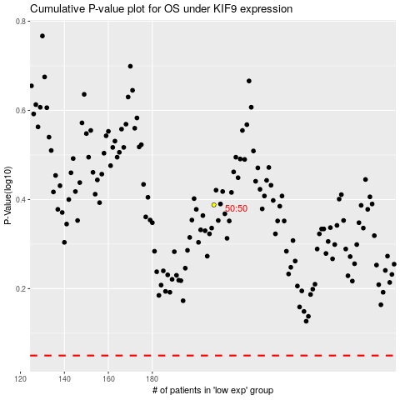

 |  |  |  |  |  | cases_OS | p_OS | rank | exp
 |  |  |  |  |  |  | cases_RFS | p_RFS | rank | exp

