KIFAP3 _multivariate
Reported by Tex Li-Hsing Chi. tex@gate.sinica.edu.tw 2019-08-18

Table 2. The clinicopathological features of HNSCC cohort and KIFAP3 expression. (Chi square test)
Cutoff at -0.064 (50.0%)
 |  | KIFAP3 expression |  | KIFAP3 expression |  | (Optimised)
 | Features | Low | (%) | High | (%) | Case no | P-value | Remark | Matthews
Gender | Female | 155 | 37.3 | 151 | 36.4 | 415 | 0.6768 | 0 | 0
2 | Male | 52 | 12.5 | 57 | 13.7
Age at diagnosis | <=65y | 127 | 30.6 | 147 | 35.4 | 415 | 0.0573 | 0 | 0
4 | >65y | 80 | 19.3 | 61 | 14.7
Clinical T Status | T1+T2 | 70 | 16.9 | 79 | 19 | 415 | 0.4343 | 0 | 0
6 | T3+T4 | 137 | 33 | 129 | 31.1
Clinical N Status | N0 | 107 | 25.8 | 109 | 26.3 | 415 | 0.9624 | 0 | 0
8 | N1-3 | 100 | 24.1 | 99 | 23.9
Clinical M Status | M0 | 206 | 49.6 | 206 | 49.6 | 415 | 1 | 0 | 0
10 | M1 | 1 | 0.2 | 2 | 0.5
Clinical Stage | Stage I+II | 49 | 11.8 | 53 | 12.8 | 415 | 0.7535 | 0 | 0
12 | Stage III+IV | 158 | 38.1 | 155 | 37.3
Surgical Margin status | Negative | 152 | 36.6 | 166 | 40 | 415 | 0.1329 | 0 | 0
14 | Positive | 55 | 13.3 | 42 | 10.1
Tobacco Exposure | Low | 80 | 19.3 | 81 | 19.5 | 415 | 1 | 0 | 0
16 | High | 127 | 30.6 | 127 | 30.6

Table 3. Univariate/Multivariate Cox's proportional hazards regression analyses on OS time of KIFAP3 gene expression in HNSCC

 |  | Univariate |  |  |  | Multivariate
 | Features | HR | CI95%(L) | CI95%(H) | P-value | HR | CI95%(L) | CI95%(H) | P-value
1 | Female | 1 |  |  |  | 1
Gender | Male | 1.157 | 0.843 | 1.587 | 0.367 | 1.194 | 0.855 | 1.667 | 0.299
11 | <=65y | 1 |  |  |  | 1
Age at diagnosis | >65y | 1.329 | 0.99 | 1.784 | 0.058 | 1.413 | 1.037 | 1.924 | 0.028
12 | T1+T2 | 1 |  |  |  | 1
Clinical T Status | T3+T4 | 1.409 | 1.028 | 1.931 | 0.033 | 2.23 | 1.179 | 4.219 | 0.014
13 | N0 | 1 |  |  |  | 1
Clinical N Status | N1-3 | 1.185 | 0.89 | 1.577 | 0.246 | 1.244 | 0.873 | 1.774 | 0.227
14 | M0 | 1 |  |  |  | 1
Clinical M Status | M1 | 4.097 | 1.009 | 16.644 | 0.049 | 9.135 | 1.991 | 41.924 | 0.004
15 | Stage I+II | 1 |  |  |  | 1
Clinical Stage | Stage III+IV | 1.245 | 0.882 | 1.759 | 0.213 | 0.504 | 0.235 | 1.081 | 0.078
16 | Negative | 1 |  |  |  | 1
Surgical Margin status | Positive | 1.591 | 1.155 | 2.191 | 0.004 | 1.706 | 1.231 | 2.364 | 0.001
17 | Low | 1 |  |  |  | 1
Tobacco Exposure | High | 1.364 | 1.008 | 1.844 | 0.044 | 1.457 | 1.057 | 2.007 | 0.021
18 | Low | 1 |  |  |  | 1
RNAseq(z-score) | High | 1.035 | 0.777 | 1.378 | 0.815 | 1.146 | 0.855 | 1.535 | 0.361

Table 4. Univariate/Multivariate Cox's proportional hazards regression analyses on RFS time of KIFAP3 gene expression in HNSCC

 |  | Univariate |  |  |  | Multivariate
 | Features | HR | CI95%(L) | CI95%(H) | P-value | HR | CI95%(L) | CI95%(H) | P-value
1 | Female | 1 |  |  |  | 1
Gender | Male | 1.157 | 0.843 | 1.587 | 0.367 | 1.194 | 0.855 | 1.667 | 0.299
11 | <=65y | 1 |  |  |  | 1
Age at diagnosis | >65y | 1.329 | 0.99 | 1.784 | 0.058 | 1.413 | 1.037 | 1.924 | 0.028
12 | T1+T2 | 1 |  |  |  | 1
Clinical T Status | T3+T4 | 1.409 | 1.028 | 1.931 | 0.033 | 2.23 | 1.179 | 4.219 | 0.014
13 | N0 | 1 |  |  |  | 1
Clinical N Status | N1-3 | 1.185 | 0.89 | 1.577 | 0.246 | 1.244 | 0.873 | 1.774 | 0.227
14 | M0 | 1 |  |  |  | 1
Clinical M Status | M1 | 4.097 | 1.009 | 16.644 | 0.049 | 9.135 | 1.991 | 41.924 | 0.004
15 | Stage I+II | 1 |  |  |  | 1
Clinical Stage | Stage III+IV | 1.245 | 0.882 | 1.759 | 0.213 | 0.504 | 0.235 | 1.081 | 0.078
16 | Negative | 1 |  |  |  | 1
Surgical Margin status | Positive | 1.591 | 1.155 | 2.191 | 0.004 | 1.706 | 1.231 | 2.364 | 0.001
17 | Low | 1 |  |  |  | 1
Tobacco Exposure | High | 1.364 | 1.008 | 1.844 | 0.044 | 1.457 | 1.057 | 2.007 | 0.021
18 | Low | 1 |  |  |  | 1
RNAseq(z-score) | High | 1.035 | 0.777 | 1.378 | 0.815 | 1.146 | 0.855 | 1.535 | 0.361

Kaplan-Meier survival estimate: Cutoff at -0.064 (50.0%)

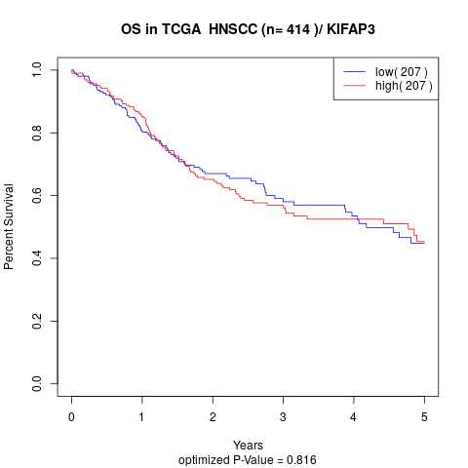

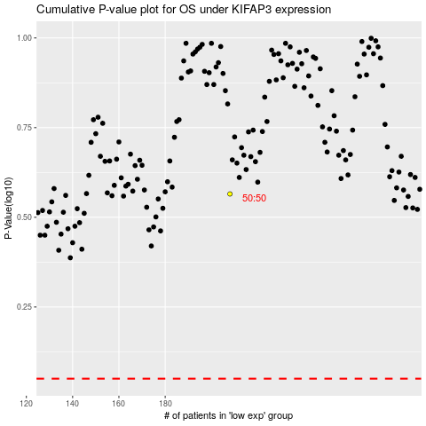

 |  |  |  |  |  | cases_OS | p_OS | rank | exp
 |  |  |  |  |  |  | cases_RFS | p_RFS | rank | exp

