KIFC1 _multivariate
Reported by Tex Li-Hsing Chi. tex@gate.sinica.edu.tw 2019-08-18

Table 2. The clinicopathological features of HNSCC cohort and KIFC1 expression. (Chi square test)
Cutoff at -0.172 (49.8%)
 |  | KIFC1 expression |  | KIFC1 expression |  | (Optimised)
 | Features | Low | (%) | High | (%) | Case no | P-value | Remark | Matthews
Gender | Female | 142 | 34.2 | 164 | 39.5 | 415 | 0.0238 | 1 | 0
2 | Male | 65 | 15.7 | 44 | 10.6
Age at diagnosis | <=65y | 134 | 32.3 | 140 | 33.7 | 415 | 0.6529 | 0 | 0
4 | >65y | 73 | 17.6 | 68 | 16.4
Clinical T Status | T1+T2 | 69 | 16.6 | 80 | 19.3 | 415 | 0.3239 | 0 | 0
6 | T3+T4 | 138 | 33.3 | 128 | 30.8
Clinical N Status | N0 | 118 | 28.4 | 98 | 23.6 | 415 | 0.0551 | 1 | 0
8 | N1-3 | 89 | 21.4 | 110 | 26.5
Clinical M Status | M0 | 207 | 49.9 | 205 | 49.4 | 415 | 0.2482 | 0 | 0
10 | M1 | 0 | 0 | 3 | 0.7
Clinical Stage | Stage I+II | 51 | 12.3 | 51 | 12.3 | 415 | 1 | 0 | 0
12 | Stage III+IV | 156 | 37.6 | 157 | 37.8
Surgical Margin status | Negative | 162 | 39 | 156 | 37.6 | 415 | 0.4867 | 0 | 0
14 | Positive | 45 | 10.8 | 52 | 12.5
Tobacco Exposure | Low | 86 | 20.7 | 75 | 18.1 | 415 | 0.2687 | 0 | 0
16 | High | 121 | 29.2 | 133 | 32

Table 3. Univariate/Multivariate Cox's proportional hazards regression analyses on OS time of KIFC1 gene expression in HNSCC

 |  | Univariate |  |  |  | Multivariate
 | Features | HR | CI95%(L) | CI95%(H) | P-value | HR | CI95%(L) | CI95%(H) | P-value
1 | Female | 1 |  |  |  | 1
Gender | Male | 1.157 | 0.843 | 1.587 | 0.367 | 1.216 | 0.868 | 1.702 | 0.255
11 | <=65y | 1 |  |  |  | 1
Age at diagnosis | >65y | 1.329 | 0.99 | 1.784 | 0.058 | 1.388 | 1.021 | 1.888 | 0.036
12 | T1+T2 | 1 |  |  |  | 1
Clinical T Status | T3+T4 | 1.409 | 1.028 | 1.931 | 0.033 | 2.234 | 1.18 | 4.23 | 0.014
13 | N0 | 1 |  |  |  | 1
Clinical N Status | N1-3 | 1.185 | 0.89 | 1.577 | 0.246 | 1.238 | 0.868 | 1.768 | 0.239
14 | M0 | 1 |  |  |  | 1
Clinical M Status | M1 | 4.097 | 1.009 | 16.644 | 0.049 | 9.069 | 1.971 | 41.716 | 0.005
15 | Stage I+II | 1 |  |  |  | 1
Clinical Stage | Stage III+IV | 1.245 | 0.882 | 1.759 | 0.213 | 0.501 | 0.233 | 1.076 | 0.076
16 | Negative | 1 |  |  |  | 1
Surgical Margin status | Positive | 1.591 | 1.155 | 2.191 | 0.004 | 1.66 | 1.2 | 2.294 | 0.002
17 | Low | 1 |  |  |  | 1
Tobacco Exposure | High | 1.364 | 1.008 | 1.844 | 0.044 | 1.45 | 1.052 | 1.999 | 0.023
18 | Low | 1 |  |  |  | 1
RNAseq(z-score) | High | 1.135 | 0.852 | 1.512 | 0.388 | 1.108 | 0.828 | 1.484 | 0.49

Table 4. Univariate/Multivariate Cox's proportional hazards regression analyses on RFS time of KIFC1 gene expression in HNSCC

 |  | Univariate |  |  |  | Multivariate
 | Features | HR | CI95%(L) | CI95%(H) | P-value | HR | CI95%(L) | CI95%(H) | P-value
1 | Female | 1 |  |  |  | 1
Gender | Male | 1.157 | 0.843 | 1.587 | 0.367 | 1.216 | 0.868 | 1.702 | 0.255
11 | <=65y | 1 |  |  |  | 1
Age at diagnosis | >65y | 1.329 | 0.99 | 1.784 | 0.058 | 1.388 | 1.021 | 1.888 | 0.036
12 | T1+T2 | 1 |  |  |  | 1
Clinical T Status | T3+T4 | 1.409 | 1.028 | 1.931 | 0.033 | 2.234 | 1.18 | 4.23 | 0.014
13 | N0 | 1 |  |  |  | 1
Clinical N Status | N1-3 | 1.185 | 0.89 | 1.577 | 0.246 | 1.238 | 0.868 | 1.768 | 0.239
14 | M0 | 1 |  |  |  | 1
Clinical M Status | M1 | 4.097 | 1.009 | 16.644 | 0.049 | 9.069 | 1.971 | 41.716 | 0.005
15 | Stage I+II | 1 |  |  |  | 1
Clinical Stage | Stage III+IV | 1.245 | 0.882 | 1.759 | 0.213 | 0.501 | 0.233 | 1.076 | 0.076
16 | Negative | 1 |  |  |  | 1
Surgical Margin status | Positive | 1.591 | 1.155 | 2.191 | 0.004 | 1.66 | 1.2 | 2.294 | 0.002
17 | Low | 1 |  |  |  | 1
Tobacco Exposure | High | 1.364 | 1.008 | 1.844 | 0.044 | 1.45 | 1.052 | 1.999 | 0.023
18 | Low | 1 |  |  |  | 1
RNAseq(z-score) | High | 1.135 | 0.852 | 1.512 | 0.388 | 1.108 | 0.828 | 1.484 | 0.49

Kaplan-Meier survival estimate: Cutoff at -0.172 (49.8%)



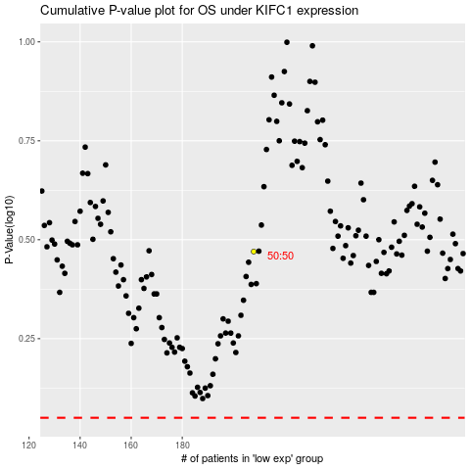

 |  |  |  |  |  | cases_OS | p_OS | rank | exp
 |  |  |  |  |  |  | cases_RFS | p_RFS | rank | exp

