KIFC2 _multivariate
Reported by Tex Li-Hsing Chi. tex@gate.sinica.edu.tw 2019-08-18

Table 2. The clinicopathological features of HNSCC cohort and KIFC2 expression. (Chi square test)
Cutoff at -0.215 (50.0%)
 |  | KIFC2 expression |  | KIFC2 expression |  | (Optimised)
 | Features | Low | (%) | High | (%) | Case no | P-value | Remark | Matthews
Gender | Female | 152 | 36.6 | 154 | 37.1 | 415 | 0.9766 | 0 | 0
2 | Male | 55 | 13.3 | 54 | 13
Age at diagnosis | <=65y | 138 | 33.3 | 136 | 32.8 | 415 | 0.8634 | 0 | 0
4 | >65y | 69 | 16.6 | 72 | 17.3
Clinical T Status | T1+T2 | 84 | 20.2 | 65 | 15.7 | 415 | 0.0603 | 0 | 0
6 | T3+T4 | 123 | 29.6 | 143 | 34.5
Clinical N Status | N0 | 104 | 25.1 | 112 | 27 | 415 | 0.5243 | 0 | 0
8 | N1-3 | 103 | 24.8 | 96 | 23.1
Clinical M Status | M0 | 207 | 49.9 | 205 | 49.4 | 415 | 0.2482 | 0 | 0
10 | M1 | 0 | 0 | 3 | 0.7
Clinical Stage | Stage I+II | 59 | 14.2 | 43 | 10.4 | 415 | 0.0822 | 0 | 0
12 | Stage III+IV | 148 | 35.7 | 165 | 39.8
Surgical Margin status | Negative | 162 | 39 | 156 | 37.6 | 415 | 0.4867 | 0 | 0
14 | Positive | 45 | 10.8 | 52 | 12.5
Tobacco Exposure | Low | 78 | 18.8 | 83 | 20 | 415 | 0.6873 | 0 | 0
16 | High | 129 | 31.1 | 125 | 30.1

Table 3. Univariate/Multivariate Cox's proportional hazards regression analyses on OS time of KIFC2 gene expression in HNSCC

 |  | Univariate |  |  |  | Multivariate
 | Features | HR | CI95%(L) | CI95%(H) | P-value | HR | CI95%(L) | CI95%(H) | P-value
1 | Female | 1 |  |  |  | 1
Gender | Male | 1.157 | 0.843 | 1.587 | 0.367 | 1.217 | 0.872 | 1.698 | 0.248
11 | <=65y | 1 |  |  |  | 1
Age at diagnosis | >65y | 1.329 | 0.99 | 1.784 | 0.058 | 1.409 | 1.035 | 1.916 | 0.029
12 | T1+T2 | 1 |  |  |  | 1
Clinical T Status | T3+T4 | 1.409 | 1.028 | 1.931 | 0.033 | 2.281 | 1.205 | 4.315 | 0.011
13 | N0 | 1 |  |  |  | 1
Clinical N Status | N1-3 | 1.185 | 0.89 | 1.577 | 0.246 | 1.22 | 0.855 | 1.743 | 0.273
14 | M0 | 1 |  |  |  | 1
Clinical M Status | M1 | 4.097 | 1.009 | 16.644 | 0.049 | 11.425 | 2.459 | 53.075 | 0.002
15 | Stage I+II | 1 |  |  |  | 1
Clinical Stage | Stage III+IV | 1.245 | 0.882 | 1.759 | 0.213 | 0.509 | 0.237 | 1.094 | 0.084
16 | Negative | 1 |  |  |  | 1
Surgical Margin status | Positive | 1.591 | 1.155 | 2.191 | 0.004 | 1.695 | 1.227 | 2.341 | 0.001
17 | Low | 1 |  |  |  | 1
Tobacco Exposure | High | 1.364 | 1.008 | 1.844 | 0.044 | 1.48 | 1.073 | 2.042 | 0.017
18 | Low | 1 |  |  |  | 1
RNAseq(z-score) | High | 0.829 | 0.622 | 1.105 | 0.201 | 0.746 | 0.556 | 1.001 | 0.05

Table 4. Univariate/Multivariate Cox's proportional hazards regression analyses on RFS time of KIFC2 gene expression in HNSCC

 |  | Univariate |  |  |  | Multivariate
 | Features | HR | CI95%(L) | CI95%(H) | P-value | HR | CI95%(L) | CI95%(H) | P-value
1 | Female | 1 |  |  |  | 1
Gender | Male | 1.157 | 0.843 | 1.587 | 0.367 | 1.217 | 0.872 | 1.698 | 0.248
11 | <=65y | 1 |  |  |  | 1
Age at diagnosis | >65y | 1.329 | 0.99 | 1.784 | 0.058 | 1.409 | 1.035 | 1.916 | 0.029
12 | T1+T2 | 1 |  |  |  | 1
Clinical T Status | T3+T4 | 1.409 | 1.028 | 1.931 | 0.033 | 2.281 | 1.205 | 4.315 | 0.011
13 | N0 | 1 |  |  |  | 1
Clinical N Status | N1-3 | 1.185 | 0.89 | 1.577 | 0.246 | 1.22 | 0.855 | 1.743 | 0.273
14 | M0 | 1 |  |  |  | 1
Clinical M Status | M1 | 4.097 | 1.009 | 16.644 | 0.049 | 11.425 | 2.459 | 53.075 | 0.002
15 | Stage I+II | 1 |  |  |  | 1
Clinical Stage | Stage III+IV | 1.245 | 0.882 | 1.759 | 0.213 | 0.509 | 0.237 | 1.094 | 0.084
16 | Negative | 1 |  |  |  | 1
Surgical Margin status | Positive | 1.591 | 1.155 | 2.191 | 0.004 | 1.695 | 1.227 | 2.341 | 0.001
17 | Low | 1 |  |  |  | 1
Tobacco Exposure | High | 1.364 | 1.008 | 1.844 | 0.044 | 1.48 | 1.073 | 2.042 | 0.017
18 | Low | 1 |  |  |  | 1
RNAseq(z-score) | High | 0.829 | 0.622 | 1.105 | 0.201 | 0.746 | 0.556 | 1.001 | 0.05

Kaplan-Meier survival estimate: Cutoff at -0.215 (50.0%)



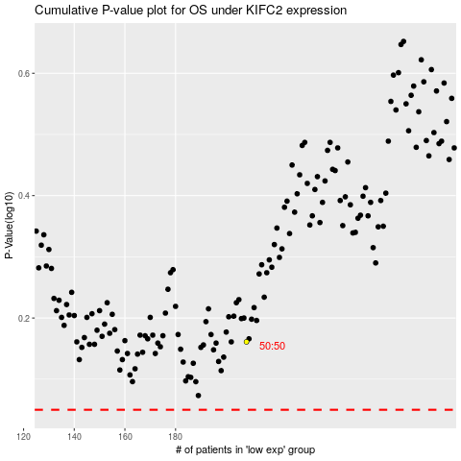

 |  |  |  |  |  | cases_OS | p_OS | rank | exp
 |  |  |  |  |  |  | cases_RFS | p_RFS | rank | exp

