KILLIN _multivariate
Reported by Tex Li-Hsing Chi. tex@gate.sinica.edu.tw 2019-08-18

Table 2. The clinicopathological features of HNSCC cohort and KILLIN expression. (Chi square test)
Cutoff at -0.218 (49.8%)
 |  | KILLIN expression |  | KILLIN expression |  | (Optimised)
 | Features | Low | (%) | High | (%) | Case no | P-value | Remark | Matthews
Gender | Female | 160 | 38.6 | 146 | 35.2 | 415 | 0.1254 | 0 | 0
2 | Male | 47 | 11.3 | 62 | 14.9
Age at diagnosis | <=65y | 144 | 34.7 | 130 | 31.3 | 415 | 0.1568 | 0 | 0
4 | >65y | 63 | 15.2 | 78 | 18.8
Clinical T Status | T1+T2 | 71 | 17.1 | 78 | 18.8 | 415 | 0.5638 | 0 | 0
6 | T3+T4 | 136 | 32.8 | 130 | 31.3
Clinical N Status | N0 | 99 | 23.9 | 117 | 28.2 | 415 | 0.1054 | 0 | 0
8 | N1-3 | 108 | 26 | 91 | 21.9
Clinical M Status | M0 | 205 | 49.4 | 207 | 49.9 | 415 | 0.6232 | 0 | 0
10 | M1 | 2 | 0.5 | 1 | 0.2
Clinical Stage | Stage I+II | 44 | 10.6 | 58 | 14 | 415 | 0.1459 | 0 | 0
12 | Stage III+IV | 163 | 39.3 | 150 | 36.1
Surgical Margin status | Negative | 157 | 37.8 | 161 | 38.8 | 415 | 0.729 | 0 | 0
14 | Positive | 50 | 12 | 47 | 11.3
Tobacco Exposure | Low | 77 | 18.6 | 84 | 20.2 | 415 | 0.5459 | 0 | 0
16 | High | 130 | 31.3 | 124 | 29.9

Table 3. Univariate/Multivariate Cox's proportional hazards regression analyses on OS time of KILLIN gene expression in HNSCC

 |  | Univariate |  |  |  | Multivariate
 | Features | HR | CI95%(L) | CI95%(H) | P-value | HR | CI95%(L) | CI95%(H) | P-value
1 | Female | 1 |  |  |  | 1
Gender | Male | 1.157 | 0.843 | 1.587 | 0.367 | 1.201 | 0.86 | 1.678 | 0.283
11 | <=65y | 1 |  |  |  | 1
Age at diagnosis | >65y | 1.329 | 0.99 | 1.784 | 0.058 | 1.389 | 1.023 | 1.888 | 0.035
12 | T1+T2 | 1 |  |  |  | 1
Clinical T Status | T3+T4 | 1.409 | 1.028 | 1.931 | 0.033 | 2.197 | 1.162 | 4.155 | 0.015
13 | N0 | 1 |  |  |  | 1
Clinical N Status | N1-3 | 1.185 | 0.89 | 1.577 | 0.246 | 1.234 | 0.865 | 1.761 | 0.246
14 | M0 | 1 |  |  |  | 1
Clinical M Status | M1 | 4.097 | 1.009 | 16.644 | 0.049 | 9.136 | 1.989 | 41.963 | 0.004
15 | Stage I+II | 1 |  |  |  | 1
Clinical Stage | Stage III+IV | 1.245 | 0.882 | 1.759 | 0.213 | 0.502 | 0.234 | 1.078 | 0.077
16 | Negative | 1 |  |  |  | 1
Surgical Margin status | Positive | 1.591 | 1.155 | 2.191 | 0.004 | 1.666 | 1.206 | 2.302 | 0.002
17 | Low | 1 |  |  |  | 1
Tobacco Exposure | High | 1.364 | 1.008 | 1.844 | 0.044 | 1.441 | 1.045 | 1.987 | 0.026
18 | Low | 1 |  |  |  | 1
RNAseq(z-score) | High | 0.861 | 0.646 | 1.148 | 0.308 | 0.903 | 0.675 | 1.207 | 0.491

Table 4. Univariate/Multivariate Cox's proportional hazards regression analyses on RFS time of KILLIN gene expression in HNSCC

 |  | Univariate |  |  |  | Multivariate
 | Features | HR | CI95%(L) | CI95%(H) | P-value | HR | CI95%(L) | CI95%(H) | P-value
1 | Female | 1 |  |  |  | 1
Gender | Male | 1.157 | 0.843 | 1.587 | 0.367 | 1.201 | 0.86 | 1.678 | 0.283
11 | <=65y | 1 |  |  |  | 1
Age at diagnosis | >65y | 1.329 | 0.99 | 1.784 | 0.058 | 1.389 | 1.023 | 1.888 | 0.035
12 | T1+T2 | 1 |  |  |  | 1
Clinical T Status | T3+T4 | 1.409 | 1.028 | 1.931 | 0.033 | 2.197 | 1.162 | 4.155 | 0.015
13 | N0 | 1 |  |  |  | 1
Clinical N Status | N1-3 | 1.185 | 0.89 | 1.577 | 0.246 | 1.234 | 0.865 | 1.761 | 0.246
14 | M0 | 1 |  |  |  | 1
Clinical M Status | M1 | 4.097 | 1.009 | 16.644 | 0.049 | 9.136 | 1.989 | 41.963 | 0.004
15 | Stage I+II | 1 |  |  |  | 1
Clinical Stage | Stage III+IV | 1.245 | 0.882 | 1.759 | 0.213 | 0.502 | 0.234 | 1.078 | 0.077
16 | Negative | 1 |  |  |  | 1
Surgical Margin status | Positive | 1.591 | 1.155 | 2.191 | 0.004 | 1.666 | 1.206 | 2.302 | 0.002
17 | Low | 1 |  |  |  | 1
Tobacco Exposure | High | 1.364 | 1.008 | 1.844 | 0.044 | 1.441 | 1.045 | 1.987 | 0.026
18 | Low | 1 |  |  |  | 1
RNAseq(z-score) | High | 0.861 | 0.646 | 1.148 | 0.308 | 0.903 | 0.675 | 1.207 | 0.491

Kaplan-Meier survival estimate: Cutoff at -0.218 (49.8%)



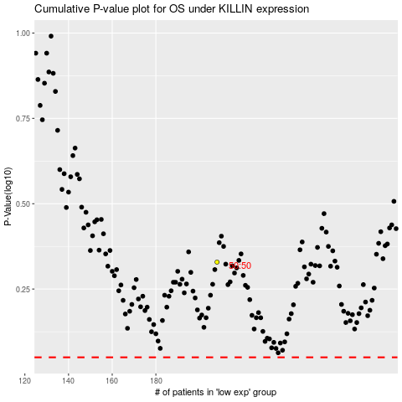

 |  |  |  |  |  | cases_OS | p_OS | rank | exp
 |  |  |  |  |  |  | cases_RFS | p_RFS | rank | exp

