KIR2DL4 _multivariate
Reported by Tex Li-Hsing Chi. tex@gate.sinica.edu.tw 2019-08-18

Table 2. The clinicopathological features of HNSCC cohort and KIR2DL4 expression. (Chi square test)
Cutoff at -0.501 (36.0%)
 |  | KIR2DL4 expression |  | KIR2DL4 expression |  | (Optimised)
 | Features | Low | (%) | High | (%) | Case no | P-value | Remark | Matthews
Gender | Female | 115 | 27.7 | 191 | 46 | 415 | 0.2812 | 0 | 0
2 | Male | 34 | 8.2 | 75 | 18.1
Age at diagnosis | <=65y | 106 | 25.5 | 168 | 40.5 | 415 | 0.1238 | 0 | 0
4 | >65y | 43 | 10.4 | 98 | 23.6
Clinical T Status | T1+T2 | 49 | 11.8 | 100 | 24.1 | 415 | 0.394 | 0 | 0
6 | T3+T4 | 100 | 24.1 | 166 | 40
Clinical N Status | N0 | 79 | 19 | 137 | 33 | 415 | 0.846 | 0 | 0
8 | N1-3 | 70 | 16.9 | 129 | 31.1
Clinical M Status | M0 | 148 | 35.7 | 264 | 63.6 | 415 | 1 | 0 | 0
10 | M1 | 1 | 0.2 | 2 | 0.5
Clinical Stage | Stage I+II | 33 | 8 | 69 | 16.6 | 415 | 0.4581 | 0 | 0
12 | Stage III+IV | 116 | 28 | 197 | 47.5
Surgical Margin status | Negative | 105 | 25.3 | 213 | 51.3 | 415 | 0.0298 | 1 | 0
14 | Positive | 44 | 10.6 | 53 | 12.8
Tobacco Exposure | Low | 57 | 13.7 | 104 | 25.1 | 415 | 0.9165 | 0 | 0
16 | High | 92 | 22.2 | 162 | 39

Table 3. Univariate/Multivariate Cox's proportional hazards regression analyses on OS time of KIR2DL4 gene expression in HNSCC

 |  | Univariate |  |  |  | Multivariate
 | Features | HR | CI95%(L) | CI95%(H) | P-value | HR | CI95%(L) | CI95%(H) | P-value
1 | Female | 1 |  |  |  | 1
Gender | Male | 1.157 | 0.843 | 1.587 | 0.367 | 1.219 | 0.872 | 1.704 | 0.246
11 | <=65y | 1 |  |  |  | 1
Age at diagnosis | >65y | 1.329 | 0.99 | 1.784 | 0.058 | 1.452 | 1.068 | 1.972 | 0.017
12 | T1+T2 | 1 |  |  |  | 1
Clinical T Status | T3+T4 | 1.409 | 1.028 | 1.931 | 0.033 | 2.287 | 1.209 | 4.326 | 0.011
13 | N0 | 1 |  |  |  | 1
Clinical N Status | N1-3 | 1.185 | 0.89 | 1.577 | 0.246 | 1.271 | 0.891 | 1.813 | 0.186
14 | M0 | 1 |  |  |  | 1
Clinical M Status | M1 | 4.097 | 1.009 | 16.644 | 0.049 | 10.466 | 2.276 | 48.128 | 0.003
15 | Stage I+II | 1 |  |  |  | 1
Clinical Stage | Stage III+IV | 1.245 | 0.882 | 1.759 | 0.213 | 0.469 | 0.218 | 1.008 | 0.052
16 | Negative | 1 |  |  |  | 1
Surgical Margin status | Positive | 1.591 | 1.155 | 2.191 | 0.004 | 1.64 | 1.186 | 2.269 | 0.003
17 | Low | 1 |  |  |  | 1
Tobacco Exposure | High | 1.364 | 1.008 | 1.844 | 0.044 | 1.478 | 1.073 | 2.036 | 0.017
18 | Low | 1 |  |  |  | 1
RNAseq(z-score) | High | 0.725 | 0.542 | 0.97 | 0.03 | 0.679 | 0.505 | 0.912 | 0.01

Table 4. Univariate/Multivariate Cox's proportional hazards regression analyses on RFS time of KIR2DL4 gene expression in HNSCC

 |  | Univariate |  |  |  | Multivariate
 | Features | HR | CI95%(L) | CI95%(H) | P-value | HR | CI95%(L) | CI95%(H) | P-value
1 | Female | 1 |  |  |  | 1
Gender | Male | 1.157 | 0.843 | 1.587 | 0.367 | 1.219 | 0.872 | 1.704 | 0.246
11 | <=65y | 1 |  |  |  | 1
Age at diagnosis | >65y | 1.329 | 0.99 | 1.784 | 0.058 | 1.452 | 1.068 | 1.972 | 0.017
12 | T1+T2 | 1 |  |  |  | 1
Clinical T Status | T3+T4 | 1.409 | 1.028 | 1.931 | 0.033 | 2.287 | 1.209 | 4.326 | 0.011
13 | N0 | 1 |  |  |  | 1
Clinical N Status | N1-3 | 1.185 | 0.89 | 1.577 | 0.246 | 1.271 | 0.891 | 1.813 | 0.186
14 | M0 | 1 |  |  |  | 1
Clinical M Status | M1 | 4.097 | 1.009 | 16.644 | 0.049 | 10.466 | 2.276 | 48.128 | 0.003
15 | Stage I+II | 1 |  |  |  | 1
Clinical Stage | Stage III+IV | 1.245 | 0.882 | 1.759 | 0.213 | 0.469 | 0.218 | 1.008 | 0.052
16 | Negative | 1 |  |  |  | 1
Surgical Margin status | Positive | 1.591 | 1.155 | 2.191 | 0.004 | 1.64 | 1.186 | 2.269 | 0.003
17 | Low | 1 |  |  |  | 1
Tobacco Exposure | High | 1.364 | 1.008 | 1.844 | 0.044 | 1.478 | 1.073 | 2.036 | 0.017
18 | Low | 1 |  |  |  | 1
RNAseq(z-score) | High | 0.725 | 0.542 | 0.97 | 0.03 | 0.679 | 0.505 | 0.912 | 0.01

Kaplan-Meier survival estimate: Cutoff at -0.501 (36.0%)

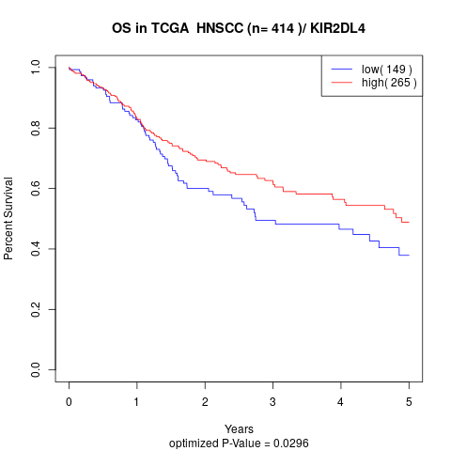

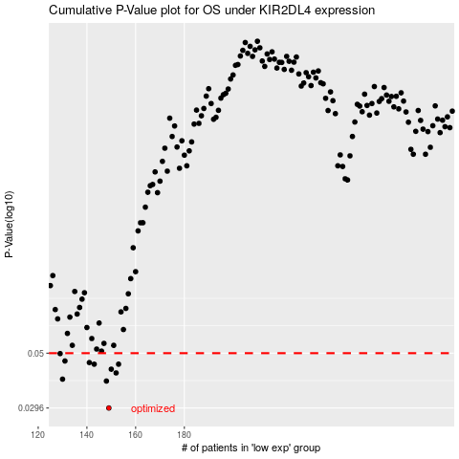

 |  |  |  |  |  | cases_OS | p_OS | rank | exp
 |  |  |  |  |  | 149 | 0.0296 | 110 | -0.50138607976
 |  |  |  |  |  | 148 | 0.0383 | 176 | -0.50434348994
 |  |  |  |  |  | 130 | 0.039 | 171 | -0.53788792499
 |  |  |  |  |  | 152 | 0.0414 | 46 | -0.49498717165
 |  |  |  |  |  | 150 | 0.0429 | 262 | -0.49726929972
 |  |  |  |  |  | 143 | 0.045 | 16 | -0.5180199865
 |  |  |  |  |  | 153 | 0.045 | 177 | -0.49495055997
 |  |  |  |  |  | 141 | 0.0457 | 347 | -0.51915494858
 |  |  |  |  |  | 131 | 0.0464 | 399 | -0.53740790518
 |  |  |  |  |  | 129 | 0.0498 | 143 | -0.53865677027
 |  |  |  |  |  |  | cases_RFS | p_RFS | rank | exp
 |  |  |  |  |  |  | 148 | 0.0296 | 176 | -0.50434348994
 |  |  |  |  |  |  | 147 | 0.0383 | 370 | -0.50810635707
 |  |  |  |  |  |  | 129 | 0.039 | 143 | -0.53865677027
 |  |  |  |  |  |  | 151 | 0.0414 | 385 | -0.4960000948
 |  |  |  |  |  |  | 149 | 0.0429 | 110 | -0.50138607976
 |  |  |  |  |  |  | 152 | 0.045 | 46 | -0.49498717165
 |  |  |  |  |  |  | 142 | 0.045 | 237 | -0.51805253021
 |  |  |  |  |  |  | 140 | 0.0457 | 285 | -0.52146962037
 |  |  |  |  |  |  | 130 | 0.0464 | 171 | -0.53788792499
 |  |  |  |  |  |  | 128 | 0.0498 | 276 | -0.5395232467

