KIR3DL2 _multivariate
Reported by Tex Li-Hsing Chi. tex@gate.sinica.edu.tw 2019-08-18

Table 2. The clinicopathological features of HNSCC cohort and KIR3DL2 expression. (Chi square test)
Cutoff at -0.205 (50.0%)
 |  | KIR3DL2 expression |  | KIR3DL2 expression |  | (Optimised)
 | Features | Low | (%) | High | (%) | Case no | P-value | Remark | Matthews
Gender | Female | 160 | 38.6 | 146 | 35.2 | 415 | 0.1254 | 0 | 0
2 | Male | 47 | 11.3 | 62 | 14.9
Age at diagnosis | <=65y | 134 | 32.3 | 140 | 33.7 | 415 | 0.6529 | 0 | 0
4 | >65y | 73 | 17.6 | 68 | 16.4
Clinical T Status | T1+T2 | 75 | 18.1 | 74 | 17.8 | 415 | 0.9707 | 0 | 0
6 | T3+T4 | 132 | 31.8 | 134 | 32.3
Clinical N Status | N0 | 113 | 27.2 | 103 | 24.8 | 415 | 0.3495 | 1 | 0
8 | N1-3 | 94 | 22.7 | 105 | 25.3
Clinical M Status | M0 | 205 | 49.4 | 207 | 49.9 | 415 | 0.6232 | 0 | 0
10 | M1 | 2 | 0.5 | 1 | 0.2
Clinical Stage | Stage I+II | 54 | 13 | 48 | 11.6 | 415 | 0.5498 | 0 | 0
12 | Stage III+IV | 153 | 36.9 | 160 | 38.6
Surgical Margin status | Negative | 153 | 36.9 | 165 | 39.8 | 415 | 0.2036 | 0 | 0
14 | Positive | 54 | 13 | 43 | 10.4
Tobacco Exposure | Low | 84 | 20.2 | 77 | 18.6 | 415 | 0.4816 | 0 | 0
16 | High | 123 | 29.6 | 131 | 31.6

Table 3. Univariate/Multivariate Cox's proportional hazards regression analyses on OS time of KIR3DL2 gene expression in HNSCC

 |  | Univariate |  |  |  | Multivariate
 | Features | HR | CI95%(L) | CI95%(H) | P-value | HR | CI95%(L) | CI95%(H) | P-value
1 | Female | 1 |  |  |  | 1
Gender | Male | 1.157 | 0.843 | 1.587 | 0.367 | 1.203 | 0.861 | 1.681 | 0.279
11 | <=65y | 1 |  |  |  | 1
Age at diagnosis | >65y | 1.329 | 0.99 | 1.784 | 0.058 | 1.391 | 1.023 | 1.89 | 0.035
12 | T1+T2 | 1 |  |  |  | 1
Clinical T Status | T3+T4 | 1.409 | 1.028 | 1.931 | 0.033 | 2.2 | 1.163 | 4.16 | 0.015
13 | N0 | 1 |  |  |  | 1
Clinical N Status | N1-3 | 1.185 | 0.89 | 1.577 | 0.246 | 1.242 | 0.87 | 1.772 | 0.232
14 | M0 | 1 |  |  |  | 1
Clinical M Status | M1 | 4.097 | 1.009 | 16.644 | 0.049 | 9.372 | 2.044 | 42.977 | 0.004
15 | Stage I+II | 1 |  |  |  | 1
Clinical Stage | Stage III+IV | 1.245 | 0.882 | 1.759 | 0.213 | 0.504 | 0.235 | 1.082 | 0.079
16 | Negative | 1 |  |  |  | 1
Surgical Margin status | Positive | 1.591 | 1.155 | 2.191 | 0.004 | 1.669 | 1.207 | 2.307 | 0.002
17 | Low | 1 |  |  |  | 1
Tobacco Exposure | High | 1.364 | 1.008 | 1.844 | 0.044 | 1.451 | 1.053 | 2 | 0.023
18 | Low | 1 |  |  |  | 1
RNAseq(z-score) | High | 0.94 | 0.706 | 1.251 | 0.67 | 0.97 | 0.727 | 1.293 | 0.833

Table 4. Univariate/Multivariate Cox's proportional hazards regression analyses on RFS time of KIR3DL2 gene expression in HNSCC

 |  | Univariate |  |  |  | Multivariate
 | Features | HR | CI95%(L) | CI95%(H) | P-value | HR | CI95%(L) | CI95%(H) | P-value
1 | Female | 1 |  |  |  | 1
Gender | Male | 1.157 | 0.843 | 1.587 | 0.367 | 1.203 | 0.861 | 1.681 | 0.279
11 | <=65y | 1 |  |  |  | 1
Age at diagnosis | >65y | 1.329 | 0.99 | 1.784 | 0.058 | 1.391 | 1.023 | 1.89 | 0.035
12 | T1+T2 | 1 |  |  |  | 1
Clinical T Status | T3+T4 | 1.409 | 1.028 | 1.931 | 0.033 | 2.2 | 1.163 | 4.16 | 0.015
13 | N0 | 1 |  |  |  | 1
Clinical N Status | N1-3 | 1.185 | 0.89 | 1.577 | 0.246 | 1.242 | 0.87 | 1.772 | 0.232
14 | M0 | 1 |  |  |  | 1
Clinical M Status | M1 | 4.097 | 1.009 | 16.644 | 0.049 | 9.372 | 2.044 | 42.977 | 0.004
15 | Stage I+II | 1 |  |  |  | 1
Clinical Stage | Stage III+IV | 1.245 | 0.882 | 1.759 | 0.213 | 0.504 | 0.235 | 1.082 | 0.079
16 | Negative | 1 |  |  |  | 1
Surgical Margin status | Positive | 1.591 | 1.155 | 2.191 | 0.004 | 1.669 | 1.207 | 2.307 | 0.002
17 | Low | 1 |  |  |  | 1
Tobacco Exposure | High | 1.364 | 1.008 | 1.844 | 0.044 | 1.451 | 1.053 | 2 | 0.023
18 | Low | 1 |  |  |  | 1
RNAseq(z-score) | High | 0.94 | 0.706 | 1.251 | 0.67 | 0.97 | 0.727 | 1.293 | 0.833

Kaplan-Meier survival estimate: Cutoff at -0.205 (50.0%)



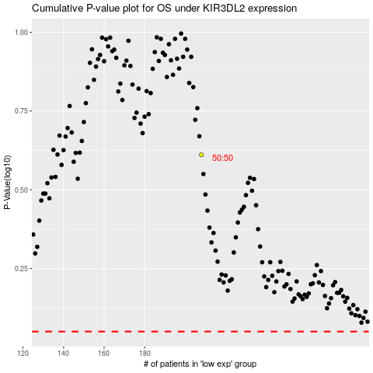

 |  |  |  |  |  | cases_OS | p_OS | rank | exp
 |  |  |  |  |  |  | cases_RFS | p_RFS | rank | exp

