KIRREL _multivariate
Reported by Tex Li-Hsing Chi. tex@gate.sinica.edu.tw 2019-08-18

Table 2. The clinicopathological features of HNSCC cohort and KIRREL expression. (Chi square test)
Cutoff at -0.122 (49.8%)
 |  | KIRREL expression |  | KIRREL expression |  | (Optimised)
 | Features | Low | (%) | High | (%) | Case no | P-value | Remark | Matthews
Gender | Female | 152 | 36.6 | 154 | 37.1 | 415 | 0.9766 | 0 | 0
2 | Male | 55 | 13.3 | 54 | 13
Age at diagnosis | <=65y | 135 | 32.5 | 139 | 33.5 | 415 | 0.8084 | 0 | 0
4 | >65y | 72 | 17.3 | 69 | 16.6
Clinical T Status | T1+T2 | 75 | 18.1 | 74 | 17.8 | 415 | 0.9707 | 0 | 0
6 | T3+T4 | 132 | 31.8 | 134 | 32.3
Clinical N Status | N0 | 101 | 24.3 | 115 | 27.7 | 415 | 0.2201 | 0 | 0
8 | N1-3 | 106 | 25.5 | 93 | 22.4
Clinical M Status | M0 | 204 | 49.2 | 208 | 50.1 | 415 | 0.1232 | 0 | 0
10 | M1 | 3 | 0.7 | 0 | 0
Clinical Stage | Stage I+II | 44 | 10.6 | 58 | 14 | 415 | 0.1459 | 0 | 0
12 | Stage III+IV | 163 | 39.3 | 150 | 36.1
Surgical Margin status | Negative | 150 | 36.1 | 168 | 40.5 | 415 | 0.0492 | 1 | 0
14 | Positive | 57 | 13.7 | 40 | 9.6
Tobacco Exposure | Low | 89 | 21.4 | 72 | 17.3 | 415 | 0.0872 | 0 | 0
16 | High | 118 | 28.4 | 136 | 32.8

Table 3. Univariate/Multivariate Cox's proportional hazards regression analyses on OS time of KIRREL gene expression in HNSCC

 |  | Univariate |  |  |  | Multivariate
 | Features | HR | CI95%(L) | CI95%(H) | P-value | HR | CI95%(L) | CI95%(H) | P-value
1 | Female | 1 |  |  |  | 1
Gender | Male | 1.157 | 0.843 | 1.587 | 0.367 | 1.207 | 0.863 | 1.687 | 0.272
11 | <=65y | 1 |  |  |  | 1
Age at diagnosis | >65y | 1.329 | 0.99 | 1.784 | 0.058 | 1.403 | 1.031 | 1.909 | 0.031
12 | T1+T2 | 1 |  |  |  | 1
Clinical T Status | T3+T4 | 1.409 | 1.028 | 1.931 | 0.033 | 2.162 | 1.142 | 4.092 | 0.018
13 | N0 | 1 |  |  |  | 1
Clinical N Status | N1-3 | 1.185 | 0.89 | 1.577 | 0.246 | 1.248 | 0.875 | 1.782 | 0.222
14 | M0 | 1 |  |  |  | 1
Clinical M Status | M1 | 4.097 | 1.009 | 16.644 | 0.049 | 9.84 | 2.138 | 45.284 | 0.003
15 | Stage I+II | 1 |  |  |  | 1
Clinical Stage | Stage III+IV | 1.245 | 0.882 | 1.759 | 0.213 | 0.519 | 0.241 | 1.117 | 0.093
16 | Negative | 1 |  |  |  | 1
Surgical Margin status | Positive | 1.591 | 1.155 | 2.191 | 0.004 | 1.695 | 1.225 | 2.346 | 0.001
17 | Low | 1 |  |  |  | 1
Tobacco Exposure | High | 1.364 | 1.008 | 1.844 | 0.044 | 1.45 | 1.052 | 1.999 | 0.023
18 | Low | 1 |  |  |  | 1
RNAseq(z-score) | High | 1.063 | 0.797 | 1.419 | 0.676 | 1.13 | 0.841 | 1.519 | 0.417

Table 4. Univariate/Multivariate Cox's proportional hazards regression analyses on RFS time of KIRREL gene expression in HNSCC

 |  | Univariate |  |  |  | Multivariate
 | Features | HR | CI95%(L) | CI95%(H) | P-value | HR | CI95%(L) | CI95%(H) | P-value
1 | Female | 1 |  |  |  | 1
Gender | Male | 1.157 | 0.843 | 1.587 | 0.367 | 1.207 | 0.863 | 1.687 | 0.272
11 | <=65y | 1 |  |  |  | 1
Age at diagnosis | >65y | 1.329 | 0.99 | 1.784 | 0.058 | 1.403 | 1.031 | 1.909 | 0.031
12 | T1+T2 | 1 |  |  |  | 1
Clinical T Status | T3+T4 | 1.409 | 1.028 | 1.931 | 0.033 | 2.162 | 1.142 | 4.092 | 0.018
13 | N0 | 1 |  |  |  | 1
Clinical N Status | N1-3 | 1.185 | 0.89 | 1.577 | 0.246 | 1.248 | 0.875 | 1.782 | 0.222
14 | M0 | 1 |  |  |  | 1
Clinical M Status | M1 | 4.097 | 1.009 | 16.644 | 0.049 | 9.84 | 2.138 | 45.284 | 0.003
15 | Stage I+II | 1 |  |  |  | 1
Clinical Stage | Stage III+IV | 1.245 | 0.882 | 1.759 | 0.213 | 0.519 | 0.241 | 1.117 | 0.093
16 | Negative | 1 |  |  |  | 1
Surgical Margin status | Positive | 1.591 | 1.155 | 2.191 | 0.004 | 1.695 | 1.225 | 2.346 | 0.001
17 | Low | 1 |  |  |  | 1
Tobacco Exposure | High | 1.364 | 1.008 | 1.844 | 0.044 | 1.45 | 1.052 | 1.999 | 0.023
18 | Low | 1 |  |  |  | 1
RNAseq(z-score) | High | 1.063 | 0.797 | 1.419 | 0.676 | 1.13 | 0.841 | 1.519 | 0.417

Kaplan-Meier survival estimate: Cutoff at -0.122 (49.8%)



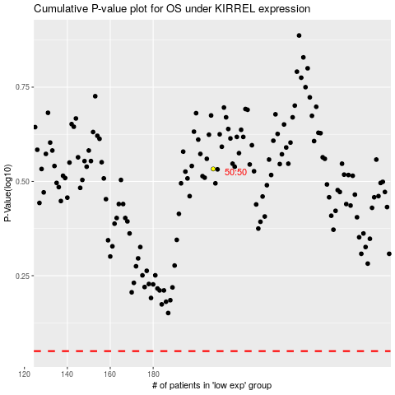

 |  |  |  |  |  | cases_OS | p_OS | rank | exp
 |  |  |  |  |  |  | cases_RFS | p_RFS | rank | exp

