KIRREL3 _multivariate
Reported by Tex Li-Hsing Chi. tex@gate.sinica.edu.tw 2019-08-18

Table 2. The clinicopathological features of HNSCC cohort and KIRREL3 expression. (Chi square test)
Cutoff at -0.183 (54.3%)
 |  | KIRREL3 expression |  | KIRREL3 expression |  | (Optimised)
 | Features | Low | (%) | High | (%) | Case no | P-value | Remark | Matthews
Gender | Female | 168 | 40.5 | 138 | 33.3 | 415 | 0.7208 | 0 | 0
2 | Male | 57 | 13.7 | 52 | 12.5
Age at diagnosis | <=65y | 136 | 32.8 | 138 | 33.3 | 415 | 0.0122 | 1 | 0
4 | >65y | 89 | 21.4 | 52 | 12.5
Clinical T Status | T1+T2 | 71 | 17.1 | 78 | 18.8 | 415 | 0.0566 | 0 | 0
6 | T3+T4 | 154 | 37.1 | 112 | 27
Clinical N Status | N0 | 117 | 28.2 | 99 | 23.9 | 415 | 1 | 0 | 0
8 | N1-3 | 108 | 26 | 91 | 21.9
Clinical M Status | M0 | 223 | 53.7 | 189 | 45.5 | 415 | 1 | 0 | 0
10 | M1 | 2 | 0.5 | 1 | 0.2
Clinical Stage | Stage I+II | 48 | 11.6 | 54 | 13 | 415 | 0.1196 | 0 | 0
12 | Stage III+IV | 177 | 42.7 | 136 | 32.8
Surgical Margin status | Negative | 170 | 41 | 148 | 35.7 | 415 | 0.6417 | 0 | 0
14 | Positive | 55 | 13.3 | 42 | 10.1
Tobacco Exposure | Low | 91 | 21.9 | 70 | 16.9 | 415 | 0.48 | 0 | 0
16 | High | 134 | 32.3 | 120 | 28.9

Table 3. Univariate/Multivariate Cox's proportional hazards regression analyses on OS time of KIRREL3 gene expression in HNSCC

 |  | Univariate |  |  |  | Multivariate
 | Features | HR | CI95%(L) | CI95%(H) | P-value | HR | CI95%(L) | CI95%(H) | P-value
1 | Female | 1 |  |  |  | 1
Gender | Male | 1.157 | 0.843 | 1.587 | 0.367 | 1.223 | 0.874 | 1.712 | 0.24
11 | <=65y | 1 |  |  |  | 1
Age at diagnosis | >65y | 1.329 | 0.99 | 1.784 | 0.058 | 1.348 | 0.989 | 1.838 | 0.059
12 | T1+T2 | 1 |  |  |  | 1
Clinical T Status | T3+T4 | 1.409 | 1.028 | 1.931 | 0.033 | 2.139 | 1.131 | 4.046 | 0.019
13 | N0 | 1 |  |  |  | 1
Clinical N Status | N1-3 | 1.185 | 0.89 | 1.577 | 0.246 | 1.229 | 0.861 | 1.756 | 0.257
14 | M0 | 1 |  |  |  | 1
Clinical M Status | M1 | 4.097 | 1.009 | 16.644 | 0.049 | 9.179 | 2.002 | 42.085 | 0.004
15 | Stage I+II | 1 |  |  |  | 1
Clinical Stage | Stage III+IV | 1.245 | 0.882 | 1.759 | 0.213 | 0.504 | 0.235 | 1.083 | 0.079
16 | Negative | 1 |  |  |  | 1
Surgical Margin status | Positive | 1.591 | 1.155 | 2.191 | 0.004 | 1.675 | 1.212 | 2.315 | 0.002
17 | Low | 1 |  |  |  | 1
Tobacco Exposure | High | 1.364 | 1.008 | 1.844 | 0.044 | 1.484 | 1.075 | 2.048 | 0.016
18 | Low | 1 |  |  |  | 1
RNAseq(z-score) | High | 0.731 | 0.546 | 0.98 | 0.036 | 0.763 | 0.566 | 1.028 | 0.075

Table 4. Univariate/Multivariate Cox's proportional hazards regression analyses on RFS time of KIRREL3 gene expression in HNSCC

 |  | Univariate |  |  |  | Multivariate
 | Features | HR | CI95%(L) | CI95%(H) | P-value | HR | CI95%(L) | CI95%(H) | P-value
1 | Female | 1 |  |  |  | 1
Gender | Male | 1.157 | 0.843 | 1.587 | 0.367 | 1.223 | 0.874 | 1.712 | 0.24
11 | <=65y | 1 |  |  |  | 1
Age at diagnosis | >65y | 1.329 | 0.99 | 1.784 | 0.058 | 1.348 | 0.989 | 1.838 | 0.059
12 | T1+T2 | 1 |  |  |  | 1
Clinical T Status | T3+T4 | 1.409 | 1.028 | 1.931 | 0.033 | 2.139 | 1.131 | 4.046 | 0.019
13 | N0 | 1 |  |  |  | 1
Clinical N Status | N1-3 | 1.185 | 0.89 | 1.577 | 0.246 | 1.229 | 0.861 | 1.756 | 0.257
14 | M0 | 1 |  |  |  | 1
Clinical M Status | M1 | 4.097 | 1.009 | 16.644 | 0.049 | 9.179 | 2.002 | 42.085 | 0.004
15 | Stage I+II | 1 |  |  |  | 1
Clinical Stage | Stage III+IV | 1.245 | 0.882 | 1.759 | 0.213 | 0.504 | 0.235 | 1.083 | 0.079
16 | Negative | 1 |  |  |  | 1
Surgical Margin status | Positive | 1.591 | 1.155 | 2.191 | 0.004 | 1.675 | 1.212 | 2.315 | 0.002
17 | Low | 1 |  |  |  | 1
Tobacco Exposure | High | 1.364 | 1.008 | 1.844 | 0.044 | 1.484 | 1.075 | 2.048 | 0.016
18 | Low | 1 |  |  |  | 1
RNAseq(z-score) | High | 0.731 | 0.546 | 0.98 | 0.036 | 0.763 | 0.566 | 1.028 | 0.075

Kaplan-Meier survival estimate: Cutoff at -0.183 (54.3%)



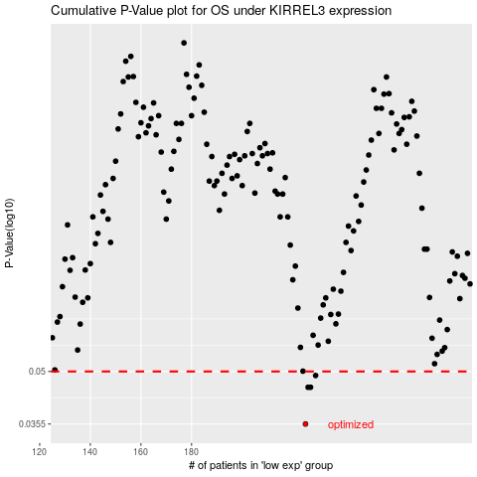

 |  |  |  |  |  | cases_OS | p_OS | rank | exp
 |  |  |  |  |  | 225 | 0.0355 | 127 | -0.1825570544
 |  |  |  |  |  | 226 | 0.0451 | 314 | -0.1818967768
 |  |  |  |  |  | 227 | 0.0451 | 350 | -0.1818967768
 |  |  |  |  |  | 229 | 0.0487 | 139 | -0.18154633333
 |  |  |  |  |  |  | cases_RFS | p_RFS | rank | exp
 |  |  |  |  |  |  | 224 | 0.0355 | 225 | -0.18329403851
 |  |  |  |  |  |  | 225 | 0.0451 | 127 | -0.1825570544
 |  |  |  |  |  |  | 226 | 0.0451 | 314 | -0.1818967768
 |  |  |  |  |  |  | 228 | 0.0487 | 52 | -0.18174787593

