KISS1 _multivariate
Reported by Tex Li-Hsing Chi. tex@gate.sinica.edu.tw 2019-08-18

Table 2. The clinicopathological features of HNSCC cohort and KISS1 expression. (Chi square test)
Cutoff at -0.106 (50.0%)
 |  | KISS1 expression |  | KISS1 expression |  | (Optimised)
 | Features | Low | (%) | High | (%) | Case no | P-value | Remark | Matthews
Gender | Female | 147 | 35.4 | 159 | 38.3 | 415 | 0.2523 | 0 | 0
2 | Male | 60 | 14.5 | 49 | 11.8
Age at diagnosis | <=65y | 123 | 29.6 | 151 | 36.4 | 415 | 0.0063 | 1 | 0
4 | >65y | 84 | 20.2 | 57 | 13.7
Clinical T Status | T1+T2 | 64 | 15.4 | 85 | 20.5 | 415 | 0.0445 | 1 | 0
6 | T3+T4 | 143 | 34.5 | 123 | 29.6
Clinical N Status | N0 | 115 | 27.7 | 101 | 24.3 | 415 | 0.184 | 1 | 0
8 | N1-3 | 92 | 22.2 | 107 | 25.8
Clinical M Status | M0 | 205 | 49.4 | 207 | 49.9 | 415 | 0.6232 | 0 | 0
10 | M1 | 2 | 0.5 | 1 | 0.2
Clinical Stage | Stage I+II | 47 | 11.3 | 55 | 13.3 | 415 | 0.4413 | 0 | 0
12 | Stage III+IV | 160 | 38.6 | 153 | 36.9
Surgical Margin status | Negative | 160 | 38.6 | 158 | 38.1 | 415 | 0.8167 | 0 | 0
14 | Positive | 47 | 11.3 | 50 | 12
Tobacco Exposure | Low | 84 | 20.2 | 77 | 18.6 | 415 | 0.4816 | 0 | 0
16 | High | 123 | 29.6 | 131 | 31.6

Table 3. Univariate/Multivariate Cox's proportional hazards regression analyses on OS time of KISS1 gene expression in HNSCC

 |  | Univariate |  |  |  | Multivariate
 | Features | HR | CI95%(L) | CI95%(H) | P-value | HR | CI95%(L) | CI95%(H) | P-value
1 | Female | 1 |  |  |  | 1
Gender | Male | 1.157 | 0.843 | 1.587 | 0.367 | 1.202 | 0.86 | 1.681 | 0.281
11 | <=65y | 1 |  |  |  | 1
Age at diagnosis | >65y | 1.329 | 0.99 | 1.784 | 0.058 | 1.429 | 1.048 | 1.947 | 0.024
12 | T1+T2 | 1 |  |  |  | 1
Clinical T Status | T3+T4 | 1.409 | 1.028 | 1.931 | 0.033 | 2.245 | 1.186 | 4.247 | 0.013
13 | N0 | 1 |  |  |  | 1
Clinical N Status | N1-3 | 1.185 | 0.89 | 1.577 | 0.246 | 1.221 | 0.855 | 1.743 | 0.272
14 | M0 | 1 |  |  |  | 1
Clinical M Status | M1 | 4.097 | 1.009 | 16.644 | 0.049 | 9.822 | 2.14 | 45.075 | 0.003
15 | Stage I+II | 1 |  |  |  | 1
Clinical Stage | Stage III+IV | 1.245 | 0.882 | 1.759 | 0.213 | 0.503 | 0.234 | 1.081 | 0.078
16 | Negative | 1 |  |  |  | 1
Surgical Margin status | Positive | 1.591 | 1.155 | 2.191 | 0.004 | 1.645 | 1.189 | 2.274 | 0.003
17 | Low | 1 |  |  |  | 1
Tobacco Exposure | High | 1.364 | 1.008 | 1.844 | 0.044 | 1.438 | 1.043 | 1.981 | 0.026
18 | Low | 1 |  |  |  | 1
RNAseq(z-score) | High | 1.161 | 0.872 | 1.546 | 0.306 | 1.211 | 0.904 | 1.623 | 0.199

Table 4. Univariate/Multivariate Cox's proportional hazards regression analyses on RFS time of KISS1 gene expression in HNSCC

 |  | Univariate |  |  |  | Multivariate
 | Features | HR | CI95%(L) | CI95%(H) | P-value | HR | CI95%(L) | CI95%(H) | P-value
1 | Female | 1 |  |  |  | 1
Gender | Male | 1.157 | 0.843 | 1.587 | 0.367 | 1.202 | 0.86 | 1.681 | 0.281
11 | <=65y | 1 |  |  |  | 1
Age at diagnosis | >65y | 1.329 | 0.99 | 1.784 | 0.058 | 1.429 | 1.048 | 1.947 | 0.024
12 | T1+T2 | 1 |  |  |  | 1
Clinical T Status | T3+T4 | 1.409 | 1.028 | 1.931 | 0.033 | 2.245 | 1.186 | 4.247 | 0.013
13 | N0 | 1 |  |  |  | 1
Clinical N Status | N1-3 | 1.185 | 0.89 | 1.577 | 0.246 | 1.221 | 0.855 | 1.743 | 0.272
14 | M0 | 1 |  |  |  | 1
Clinical M Status | M1 | 4.097 | 1.009 | 16.644 | 0.049 | 9.822 | 2.14 | 45.075 | 0.003
15 | Stage I+II | 1 |  |  |  | 1
Clinical Stage | Stage III+IV | 1.245 | 0.882 | 1.759 | 0.213 | 0.503 | 0.234 | 1.081 | 0.078
16 | Negative | 1 |  |  |  | 1
Surgical Margin status | Positive | 1.591 | 1.155 | 2.191 | 0.004 | 1.645 | 1.189 | 2.274 | 0.003
17 | Low | 1 |  |  |  | 1
Tobacco Exposure | High | 1.364 | 1.008 | 1.844 | 0.044 | 1.438 | 1.043 | 1.981 | 0.026
18 | Low | 1 |  |  |  | 1
RNAseq(z-score) | High | 1.161 | 0.872 | 1.546 | 0.306 | 1.211 | 0.904 | 1.623 | 0.199

Kaplan-Meier survival estimate: Cutoff at -0.106 (50.0%)



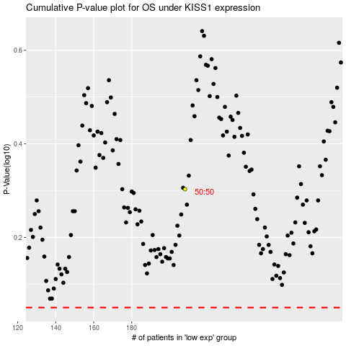

 |  |  |  |  |  | cases_OS | p_OS | rank | exp
 |  |  |  |  |  |  | cases_RFS | p_RFS | rank | exp

