KISS1R _multivariate
Reported by Tex Li-Hsing Chi. tex@gate.sinica.edu.tw 2019-08-18

Table 2. The clinicopathological features of HNSCC cohort and KISS1R expression. (Chi square test)
Cutoff at -0.344 (49.8%)
 |  | KISS1R expression |  | KISS1R expression |  | (Optimised)
 | Features | Low | (%) | High | (%) | Case no | P-value | Remark | Matthews
Gender | Female | 144 | 34.7 | 162 | 39 | 415 | 0.0697 | 0 | 0
2 | Male | 63 | 15.2 | 46 | 11.1
Age at diagnosis | <=65y | 138 | 33.3 | 136 | 32.8 | 415 | 0.8634 | 0 | 0
4 | >65y | 69 | 16.6 | 72 | 17.3
Clinical T Status | T1+T2 | 87 | 21 | 62 | 14.9 | 415 | 0.0127 | 1 | 0
6 | T3+T4 | 120 | 28.9 | 146 | 35.2
Clinical N Status | N0 | 113 | 27.2 | 103 | 24.8 | 415 | 0.3495 | 1 | 0
8 | N1-3 | 94 | 22.7 | 105 | 25.3
Clinical M Status | M0 | 206 | 49.6 | 206 | 49.6 | 415 | 1 | 0 | 0
10 | M1 | 1 | 0.2 | 2 | 0.5
Clinical Stage | Stage I+II | 63 | 15.2 | 39 | 9.4 | 415 | 0.008 | 1 | 0
12 | Stage III+IV | 144 | 34.7 | 169 | 40.7
Surgical Margin status | Negative | 158 | 38.1 | 160 | 38.6 | 415 | 0.9081 | 0 | 0
14 | Positive | 49 | 11.8 | 48 | 11.6
Tobacco Exposure | Low | 91 | 21.9 | 70 | 16.9 | 415 | 0.0346 | 1 | 0
16 | High | 116 | 28 | 138 | 33.3

Table 3. Univariate/Multivariate Cox's proportional hazards regression analyses on OS time of KISS1R gene expression in HNSCC

 |  | Univariate |  |  |  | Multivariate
 | Features | HR | CI95%(L) | CI95%(H) | P-value | HR | CI95%(L) | CI95%(H) | P-value
1 | Female | 1 |  |  |  | 1
Gender | Male | 1.157 | 0.843 | 1.587 | 0.367 | 1.184 | 0.847 | 1.657 | 0.323
11 | <=65y | 1 |  |  |  | 1
Age at diagnosis | >65y | 1.329 | 0.99 | 1.784 | 0.058 | 1.411 | 1.036 | 1.92 | 0.029
12 | T1+T2 | 1 |  |  |  | 1
Clinical T Status | T3+T4 | 1.409 | 1.028 | 1.931 | 0.033 | 2.248 | 1.187 | 4.258 | 0.013
13 | N0 | 1 |  |  |  | 1
Clinical N Status | N1-3 | 1.185 | 0.89 | 1.577 | 0.246 | 1.257 | 0.88 | 1.795 | 0.208
14 | M0 | 1 |  |  |  | 1
Clinical M Status | M1 | 4.097 | 1.009 | 16.644 | 0.049 | 9.647 | 2.103 | 44.254 | 0.004
15 | Stage I+II | 1 |  |  |  | 1
Clinical Stage | Stage III+IV | 1.245 | 0.882 | 1.759 | 0.213 | 0.507 | 0.236 | 1.088 | 0.081
16 | Negative | 1 |  |  |  | 1
Surgical Margin status | Positive | 1.591 | 1.155 | 2.191 | 0.004 | 1.682 | 1.217 | 2.324 | 0.002
17 | Low | 1 |  |  |  | 1
Tobacco Exposure | High | 1.364 | 1.008 | 1.844 | 0.044 | 1.482 | 1.074 | 2.046 | 0.017
18 | Low | 1 |  |  |  | 1
RNAseq(z-score) | High | 0.941 | 0.707 | 1.253 | 0.678 | 0.845 | 0.629 | 1.136 | 0.264

Table 4. Univariate/Multivariate Cox's proportional hazards regression analyses on RFS time of KISS1R gene expression in HNSCC

 |  | Univariate |  |  |  | Multivariate
 | Features | HR | CI95%(L) | CI95%(H) | P-value | HR | CI95%(L) | CI95%(H) | P-value
1 | Female | 1 |  |  |  | 1
Gender | Male | 1.157 | 0.843 | 1.587 | 0.367 | 1.184 | 0.847 | 1.657 | 0.323
11 | <=65y | 1 |  |  |  | 1
Age at diagnosis | >65y | 1.329 | 0.99 | 1.784 | 0.058 | 1.411 | 1.036 | 1.92 | 0.029
12 | T1+T2 | 1 |  |  |  | 1
Clinical T Status | T3+T4 | 1.409 | 1.028 | 1.931 | 0.033 | 2.248 | 1.187 | 4.258 | 0.013
13 | N0 | 1 |  |  |  | 1
Clinical N Status | N1-3 | 1.185 | 0.89 | 1.577 | 0.246 | 1.257 | 0.88 | 1.795 | 0.208
14 | M0 | 1 |  |  |  | 1
Clinical M Status | M1 | 4.097 | 1.009 | 16.644 | 0.049 | 9.647 | 2.103 | 44.254 | 0.004
15 | Stage I+II | 1 |  |  |  | 1
Clinical Stage | Stage III+IV | 1.245 | 0.882 | 1.759 | 0.213 | 0.507 | 0.236 | 1.088 | 0.081
16 | Negative | 1 |  |  |  | 1
Surgical Margin status | Positive | 1.591 | 1.155 | 2.191 | 0.004 | 1.682 | 1.217 | 2.324 | 0.002
17 | Low | 1 |  |  |  | 1
Tobacco Exposure | High | 1.364 | 1.008 | 1.844 | 0.044 | 1.482 | 1.074 | 2.046 | 0.017
18 | Low | 1 |  |  |  | 1
RNAseq(z-score) | High | 0.941 | 0.707 | 1.253 | 0.678 | 0.845 | 0.629 | 1.136 | 0.264

Kaplan-Meier survival estimate: Cutoff at -0.344 (49.8%)



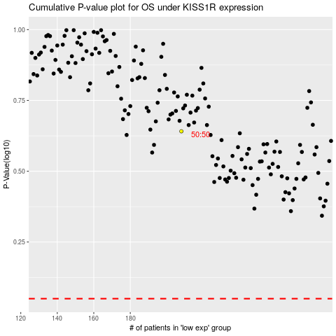

 |  |  |  |  |  | cases_OS | p_OS | rank | exp
 |  |  |  |  |  |  | cases_RFS | p_RFS | rank | exp

