KLB _multivariate
Reported by Tex Li-Hsing Chi. tex@gate.sinica.edu.tw 2019-08-18

Table 2. The clinicopathological features of HNSCC cohort and KLB expression. (Chi square test)
Cutoff at -0.187 (69.8%)
 |  | KLB expression |  | KLB expression |  | (Optimised)
 | Features | Low | (%) | High | (%) | Case no | P-value | Remark | Matthews
Gender | Female | 209 | 50.4 | 97 | 23.4 | 415 | 0.2923 | 0 | 0
2 | Male | 81 | 19.5 | 28 | 6.7
Age at diagnosis | <=65y | 193 | 46.5 | 81 | 19.5 | 415 | 0.816 | 0 | 0
4 | >65y | 97 | 23.4 | 44 | 10.6
Clinical T Status | T1+T2 | 98 | 23.6 | 51 | 12.3 | 415 | 0.21 | 0 | 0
6 | T3+T4 | 192 | 46.3 | 74 | 17.8
Clinical N Status | N0 | 151 | 36.4 | 65 | 15.7 | 415 | 1 | 0 | 0
8 | N1-3 | 139 | 33.5 | 60 | 14.5
Clinical M Status | M0 | 288 | 69.4 | 124 | 29.9 | 415 | 1 | 0 | 0
10 | M1 | 2 | 0.5 | 1 | 0.2
Clinical Stage | Stage I+II | 72 | 17.3 | 30 | 7.2 | 415 | 0.9558 | 0 | 0
12 | Stage III+IV | 218 | 52.5 | 95 | 22.9
Surgical Margin status | Negative | 221 | 53.3 | 97 | 23.4 | 415 | 0.8014 | 0 | 0
14 | Positive | 69 | 16.6 | 28 | 6.7
Tobacco Exposure | Low | 109 | 26.3 | 52 | 12.5 | 415 | 0.4445 | 0 | 0
16 | High | 181 | 43.6 | 73 | 17.6

Table 3. Univariate/Multivariate Cox's proportional hazards regression analyses on OS time of KLB gene expression in HNSCC

 |  | Univariate |  |  |  | Multivariate
 | Features | HR | CI95%(L) | CI95%(H) | P-value | HR | CI95%(L) | CI95%(H) | P-value
1 | Female | 1 |  |  |  | 1
Gender | Male | 1.157 | 0.843 | 1.587 | 0.367 | 1.202 | 0.86 | 1.68 | 0.282
11 | <=65y | 1 |  |  |  | 1
Age at diagnosis | >65y | 1.329 | 0.99 | 1.784 | 0.058 | 1.394 | 1.025 | 1.895 | 0.034
12 | T1+T2 | 1 |  |  |  | 1
Clinical T Status | T3+T4 | 1.409 | 1.028 | 1.931 | 0.033 | 2.044 | 1.077 | 3.879 | 0.029
13 | N0 | 1 |  |  |  | 1
Clinical N Status | N1-3 | 1.185 | 0.89 | 1.577 | 0.246 | 1.227 | 0.859 | 1.752 | 0.26
14 | M0 | 1 |  |  |  | 1
Clinical M Status | M1 | 4.097 | 1.009 | 16.644 | 0.049 | 9.186 | 2.004 | 42.103 | 0.004
15 | Stage I+II | 1 |  |  |  | 1
Clinical Stage | Stage III+IV | 1.245 | 0.882 | 1.759 | 0.213 | 0.539 | 0.251 | 1.159 | 0.114
16 | Negative | 1 |  |  |  | 1
Surgical Margin status | Positive | 1.591 | 1.155 | 2.191 | 0.004 | 1.692 | 1.224 | 2.34 | 0.001
17 | Low | 1 |  |  |  | 1
Tobacco Exposure | High | 1.364 | 1.008 | 1.844 | 0.044 | 1.446 | 1.048 | 1.996 | 0.025
18 | Low | 1 |  |  |  | 1
RNAseq(z-score) | High | 0.696 | 0.5 | 0.969 | 0.032 | 0.711 | 0.509 | 0.992 | 0.045

Table 4. Univariate/Multivariate Cox's proportional hazards regression analyses on RFS time of KLB gene expression in HNSCC

 |  | Univariate |  |  |  | Multivariate
 | Features | HR | CI95%(L) | CI95%(H) | P-value | HR | CI95%(L) | CI95%(H) | P-value
1 | Female | 1 |  |  |  | 1
Gender | Male | 1.157 | 0.843 | 1.587 | 0.367 | 1.202 | 0.86 | 1.68 | 0.282
11 | <=65y | 1 |  |  |  | 1
Age at diagnosis | >65y | 1.329 | 0.99 | 1.784 | 0.058 | 1.394 | 1.025 | 1.895 | 0.034
12 | T1+T2 | 1 |  |  |  | 1
Clinical T Status | T3+T4 | 1.409 | 1.028 | 1.931 | 0.033 | 2.044 | 1.077 | 3.879 | 0.029
13 | N0 | 1 |  |  |  | 1
Clinical N Status | N1-3 | 1.185 | 0.89 | 1.577 | 0.246 | 1.227 | 0.859 | 1.752 | 0.26
14 | M0 | 1 |  |  |  | 1
Clinical M Status | M1 | 4.097 | 1.009 | 16.644 | 0.049 | 9.186 | 2.004 | 42.103 | 0.004
15 | Stage I+II | 1 |  |  |  | 1
Clinical Stage | Stage III+IV | 1.245 | 0.882 | 1.759 | 0.213 | 0.539 | 0.251 | 1.159 | 0.114
16 | Negative | 1 |  |  |  | 1
Surgical Margin status | Positive | 1.591 | 1.155 | 2.191 | 0.004 | 1.692 | 1.224 | 2.34 | 0.001
17 | Low | 1 |  |  |  | 1
Tobacco Exposure | High | 1.364 | 1.008 | 1.844 | 0.044 | 1.446 | 1.048 | 1.996 | 0.025
18 | Low | 1 |  |  |  | 1
RNAseq(z-score) | High | 0.696 | 0.5 | 0.969 | 0.032 | 0.711 | 0.509 | 0.992 | 0.045

Kaplan-Meier survival estimate: Cutoff at -0.187 (69.8%)

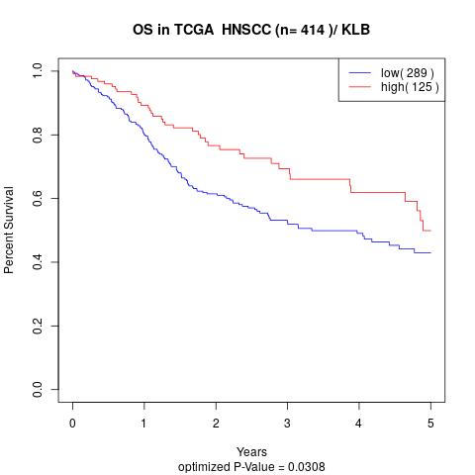

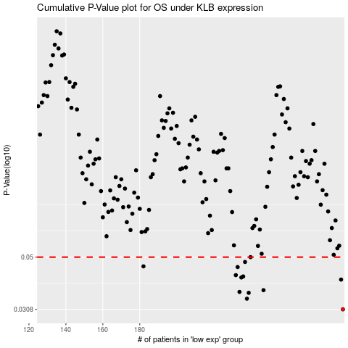

 |  |  |  |  |  | cases_OS | p_OS | rank | exp
 |  |  |  |  |  | 290 | 0.0308 | 395 | -0.18699340798
 |  |  |  |  |  | 238 | 0.034 | 298 | -0.31109661284
 |  |  |  |  |  | 239 | 0.0359 | 368 | -0.30973835615
 |  |  |  |  |  | 234 | 0.0362 | 178 | -0.32312454861
 |  |  |  |  |  | 247 | 0.0368 | 271 | -0.29723039392
 |  |  |  |  |  | 289 | 0.0406 | 258 | -0.18856440367
 |  |  |  |  |  | 235 | 0.0414 | 306 | -0.31364948084
 |  |  |  |  |  | 236 | 0.0418 | 269 | -0.313218548
 |  |  |  |  |  | 232 | 0.0423 | 384 | -0.326195627
 |  |  |  |  |  | 233 | 0.0456 | 236 | -0.32325546492
 |  |  |  |  |  | 182 | 0.0459 | 35 | -0.42316097225
 |  |  |  |  |  | 237 | 0.0478 | 394 | -0.31202393669
 |  |  |  |  |  | 240 | 0.05 | 396 | -0.30799826023
 |  |  |  |  |  |  | cases_RFS | p_RFS | rank | exp
 |  |  |  |  |  |  | 289 | 0.0308 | 258 | -0.18856440367
 |  |  |  |  |  |  | 237 | 0.034 | 394 | -0.31202393669
 |  |  |  |  |  |  | 238 | 0.0359 | 298 | -0.31109661284
 |  |  |  |  |  |  | 233 | 0.0362 | 236 | -0.32325546492
 |  |  |  |  |  |  | 246 | 0.0368 | 85 | -0.29939596784
 |  |  |  |  |  |  | 288 | 0.0406 | 355 | -0.19185913075
 |  |  |  |  |  |  | 234 | 0.0414 | 178 | -0.32312454861
 |  |  |  |  |  |  | 235 | 0.0418 | 306 | -0.31364948084
 |  |  |  |  |  |  | 231 | 0.0423 | 138 | -0.32880304346
 |  |  |  |  |  |  | 232 | 0.0456 | 384 | -0.326195627
 |  |  |  |  |  |  | 181 | 0.0459 | 285 | -0.42363554386
 |  |  |  |  |  |  | 236 | 0.0478 | 269 | -0.313218548
 |  |  |  |  |  |  | 239 | 0.05 | 368 | -0.30973835615

