KLC1 _multivariate
Reported by Tex Li-Hsing Chi. tex@gate.sinica.edu.tw 2019-08-18

Table 2. The clinicopathological features of HNSCC cohort and KLC1 expression. (Chi square test)
Cutoff at -0.033 (50.0%)
 |  | KLC1 expression |  | KLC1 expression |  | (Optimised)
 | Features | Low | (%) | High | (%) | Case no | P-value | Remark | Matthews
Gender | Female | 160 | 38.6 | 146 | 35.2 | 415 | 0.1254 | 0 | 0
2 | Male | 47 | 11.3 | 62 | 14.9
Age at diagnosis | <=65y | 142 | 34.2 | 132 | 31.8 | 415 | 0.3167 | 0 | 0
4 | >65y | 65 | 15.7 | 76 | 18.3
Clinical T Status | T1+T2 | 79 | 19 | 70 | 16.9 | 415 | 0.3924 | 0 | 0
6 | T3+T4 | 128 | 30.8 | 138 | 33.3
Clinical N Status | N0 | 101 | 24.3 | 115 | 27.7 | 415 | 0.2201 | 0 | 0
8 | N1-3 | 106 | 25.5 | 93 | 22.4
Clinical M Status | M0 | 205 | 49.4 | 207 | 49.9 | 415 | 0.6232 | 0 | 0
10 | M1 | 2 | 0.5 | 1 | 0.2
Clinical Stage | Stage I+II | 50 | 12 | 52 | 12.5 | 415 | 0.9315 | 0 | 0
12 | Stage III+IV | 157 | 37.8 | 156 | 37.6
Surgical Margin status | Negative | 156 | 37.6 | 162 | 39 | 415 | 0.5636 | 0 | 0
14 | Positive | 51 | 12.3 | 46 | 11.1
Tobacco Exposure | Low | 79 | 19 | 82 | 19.8 | 415 | 0.8405 | 0 | 0
16 | High | 128 | 30.8 | 126 | 30.4

Table 3. Univariate/Multivariate Cox's proportional hazards regression analyses on OS time of KLC1 gene expression in HNSCC

 |  | Univariate |  |  |  | Multivariate
 | Features | HR | CI95%(L) | CI95%(H) | P-value | HR | CI95%(L) | CI95%(H) | P-value
1 | Female | 1 |  |  |  | 1
Gender | Male | 1.157 | 0.843 | 1.587 | 0.367 | 1.193 | 0.853 | 1.67 | 0.303
11 | <=65y | 1 |  |  |  | 1
Age at diagnosis | >65y | 1.329 | 0.99 | 1.784 | 0.058 | 1.373 | 1.007 | 1.873 | 0.045
12 | T1+T2 | 1 |  |  |  | 1
Clinical T Status | T3+T4 | 1.409 | 1.028 | 1.931 | 0.033 | 2.165 | 1.142 | 4.103 | 0.018
13 | N0 | 1 |  |  |  | 1
Clinical N Status | N1-3 | 1.185 | 0.89 | 1.577 | 0.246 | 1.25 | 0.876 | 1.785 | 0.219
14 | M0 | 1 |  |  |  | 1
Clinical M Status | M1 | 4.097 | 1.009 | 16.644 | 0.049 | 9.315 | 2.032 | 42.707 | 0.004
15 | Stage I+II | 1 |  |  |  | 1
Clinical Stage | Stage III+IV | 1.245 | 0.882 | 1.759 | 0.213 | 0.508 | 0.236 | 1.09 | 0.082
16 | Negative | 1 |  |  |  | 1
Surgical Margin status | Positive | 1.591 | 1.155 | 2.191 | 0.004 | 1.669 | 1.208 | 2.307 | 0.002
17 | Low | 1 |  |  |  | 1
Tobacco Exposure | High | 1.364 | 1.008 | 1.844 | 0.044 | 1.451 | 1.052 | 2.001 | 0.023
18 | Low | 1 |  |  |  | 1
RNAseq(z-score) | High | 1.187 | 0.89 | 1.584 | 0.244 | 1.101 | 0.821 | 1.478 | 0.52

Table 4. Univariate/Multivariate Cox's proportional hazards regression analyses on RFS time of KLC1 gene expression in HNSCC

 |  | Univariate |  |  |  | Multivariate
 | Features | HR | CI95%(L) | CI95%(H) | P-value | HR | CI95%(L) | CI95%(H) | P-value
1 | Female | 1 |  |  |  | 1
Gender | Male | 1.157 | 0.843 | 1.587 | 0.367 | 1.193 | 0.853 | 1.67 | 0.303
11 | <=65y | 1 |  |  |  | 1
Age at diagnosis | >65y | 1.329 | 0.99 | 1.784 | 0.058 | 1.373 | 1.007 | 1.873 | 0.045
12 | T1+T2 | 1 |  |  |  | 1
Clinical T Status | T3+T4 | 1.409 | 1.028 | 1.931 | 0.033 | 2.165 | 1.142 | 4.103 | 0.018
13 | N0 | 1 |  |  |  | 1
Clinical N Status | N1-3 | 1.185 | 0.89 | 1.577 | 0.246 | 1.25 | 0.876 | 1.785 | 0.219
14 | M0 | 1 |  |  |  | 1
Clinical M Status | M1 | 4.097 | 1.009 | 16.644 | 0.049 | 9.315 | 2.032 | 42.707 | 0.004
15 | Stage I+II | 1 |  |  |  | 1
Clinical Stage | Stage III+IV | 1.245 | 0.882 | 1.759 | 0.213 | 0.508 | 0.236 | 1.09 | 0.082
16 | Negative | 1 |  |  |  | 1
Surgical Margin status | Positive | 1.591 | 1.155 | 2.191 | 0.004 | 1.669 | 1.208 | 2.307 | 0.002
17 | Low | 1 |  |  |  | 1
Tobacco Exposure | High | 1.364 | 1.008 | 1.844 | 0.044 | 1.451 | 1.052 | 2.001 | 0.023
18 | Low | 1 |  |  |  | 1
RNAseq(z-score) | High | 1.187 | 0.89 | 1.584 | 0.244 | 1.101 | 0.821 | 1.478 | 0.52

Kaplan-Meier survival estimate: Cutoff at -0.033 (50.0%)



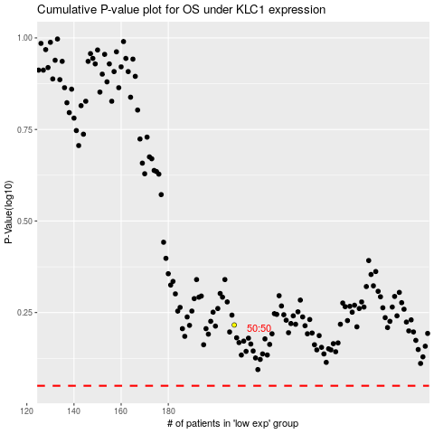

 |  |  |  |  |  | cases_OS | p_OS | rank | exp
 |  |  |  |  |  |  | cases_RFS | p_RFS | rank | exp

