KLC3 _multivariate
Reported by Tex Li-Hsing Chi. tex@gate.sinica.edu.tw 2019-08-18

Table 2. The clinicopathological features of HNSCC cohort and KLC3 expression. (Chi square test)
Cutoff at -0.155 (50.0%)
 |  | KLC3 expression |  | KLC3 expression |  | (Optimised)
 | Features | Low | (%) | High | (%) | Case no | P-value | Remark | Matthews
Gender | Female | 147 | 35.4 | 159 | 38.3 | 415 | 0.2523 | 0 | 0
2 | Male | 60 | 14.5 | 49 | 11.8
Age at diagnosis | <=65y | 134 | 32.3 | 140 | 33.7 | 415 | 0.6529 | 0 | 0
4 | >65y | 73 | 17.6 | 68 | 16.4
Clinical T Status | T1+T2 | 83 | 20 | 66 | 15.9 | 415 | 0.0941 | 0 | 0
6 | T3+T4 | 124 | 29.9 | 142 | 34.2
Clinical N Status | N0 | 104 | 25.1 | 112 | 27 | 415 | 0.5243 | 0 | 0
8 | N1-3 | 103 | 24.8 | 96 | 23.1
Clinical M Status | M0 | 206 | 49.6 | 206 | 49.6 | 415 | 1 | 0 | 0
10 | M1 | 1 | 0.2 | 2 | 0.5
Clinical Stage | Stage I+II | 54 | 13 | 48 | 11.6 | 415 | 0.5498 | 0 | 0
12 | Stage III+IV | 153 | 36.9 | 160 | 38.6
Surgical Margin status | Negative | 160 | 38.6 | 158 | 38.1 | 415 | 0.8167 | 0 | 0
14 | Positive | 47 | 11.3 | 50 | 12
Tobacco Exposure | Low | 84 | 20.2 | 77 | 18.6 | 415 | 0.4816 | 0 | 0
16 | High | 123 | 29.6 | 131 | 31.6

Table 3. Univariate/Multivariate Cox's proportional hazards regression analyses on OS time of KLC3 gene expression in HNSCC

 |  | Univariate |  |  |  | Multivariate
 | Features | HR | CI95%(L) | CI95%(H) | P-value | HR | CI95%(L) | CI95%(H) | P-value
1 | Female | 1 |  |  |  | 1
Gender | Male | 1.157 | 0.843 | 1.587 | 0.367 | 1.206 | 0.863 | 1.685 | 0.273
11 | <=65y | 1 |  |  |  | 1
Age at diagnosis | >65y | 1.329 | 0.99 | 1.784 | 0.058 | 1.385 | 1.018 | 1.884 | 0.038
12 | T1+T2 | 1 |  |  |  | 1
Clinical T Status | T3+T4 | 1.409 | 1.028 | 1.931 | 0.033 | 2.219 | 1.173 | 4.2 | 0.014
13 | N0 | 1 |  |  |  | 1
Clinical N Status | N1-3 | 1.185 | 0.89 | 1.577 | 0.246 | 1.234 | 0.864 | 1.762 | 0.247
14 | M0 | 1 |  |  |  | 1
Clinical M Status | M1 | 4.097 | 1.009 | 16.644 | 0.049 | 9.683 | 2.101 | 44.616 | 0.004
15 | Stage I+II | 1 |  |  |  | 1
Clinical Stage | Stage III+IV | 1.245 | 0.882 | 1.759 | 0.213 | 0.504 | 0.235 | 1.083 | 0.079
16 | Negative | 1 |  |  |  | 1
Surgical Margin status | Positive | 1.591 | 1.155 | 2.191 | 0.004 | 1.668 | 1.207 | 2.306 | 0.002
17 | Low | 1 |  |  |  | 1
Tobacco Exposure | High | 1.364 | 1.008 | 1.844 | 0.044 | 1.462 | 1.06 | 2.017 | 0.021
18 | Low | 1 |  |  |  | 1
RNAseq(z-score) | High | 0.973 | 0.73 | 1.296 | 0.85 | 0.934 | 0.698 | 1.251 | 0.648

Table 4. Univariate/Multivariate Cox's proportional hazards regression analyses on RFS time of KLC3 gene expression in HNSCC

 |  | Univariate |  |  |  | Multivariate
 | Features | HR | CI95%(L) | CI95%(H) | P-value | HR | CI95%(L) | CI95%(H) | P-value
1 | Female | 1 |  |  |  | 1
Gender | Male | 1.157 | 0.843 | 1.587 | 0.367 | 1.206 | 0.863 | 1.685 | 0.273
11 | <=65y | 1 |  |  |  | 1
Age at diagnosis | >65y | 1.329 | 0.99 | 1.784 | 0.058 | 1.385 | 1.018 | 1.884 | 0.038
12 | T1+T2 | 1 |  |  |  | 1
Clinical T Status | T3+T4 | 1.409 | 1.028 | 1.931 | 0.033 | 2.219 | 1.173 | 4.2 | 0.014
13 | N0 | 1 |  |  |  | 1
Clinical N Status | N1-3 | 1.185 | 0.89 | 1.577 | 0.246 | 1.234 | 0.864 | 1.762 | 0.247
14 | M0 | 1 |  |  |  | 1
Clinical M Status | M1 | 4.097 | 1.009 | 16.644 | 0.049 | 9.683 | 2.101 | 44.616 | 0.004
15 | Stage I+II | 1 |  |  |  | 1
Clinical Stage | Stage III+IV | 1.245 | 0.882 | 1.759 | 0.213 | 0.504 | 0.235 | 1.083 | 0.079
16 | Negative | 1 |  |  |  | 1
Surgical Margin status | Positive | 1.591 | 1.155 | 2.191 | 0.004 | 1.668 | 1.207 | 2.306 | 0.002
17 | Low | 1 |  |  |  | 1
Tobacco Exposure | High | 1.364 | 1.008 | 1.844 | 0.044 | 1.462 | 1.06 | 2.017 | 0.021
18 | Low | 1 |  |  |  | 1
RNAseq(z-score) | High | 0.973 | 0.73 | 1.296 | 0.85 | 0.934 | 0.698 | 1.251 | 0.648

Kaplan-Meier survival estimate: Cutoff at -0.155 (50.0%)



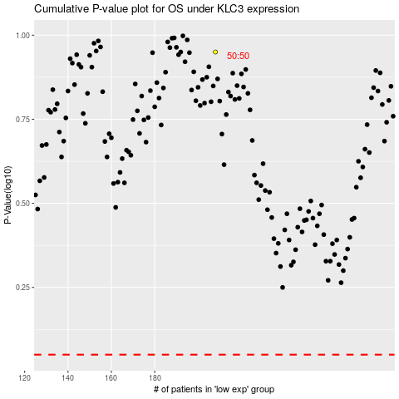

 |  |  |  |  |  | cases_OS | p_OS | rank | exp
 |  |  |  |  |  |  | cases_RFS | p_RFS | rank | exp

