KLF10 _multivariate
Reported by Tex Li-Hsing Chi. tex@gate.sinica.edu.tw 2019-08-18

Table 2. The clinicopathological features of HNSCC cohort and KLF10 expression. (Chi square test)
Cutoff at -0.537 (30.2%)
 |  | KLF10 expression |  | KLF10 expression |  | (Optimised)
 | Features | Low | (%) | High | (%) | Case no | P-value | Remark | Matthews
Gender | Female | 99 | 23.9 | 207 | 49.9 | 415 | 0.1237 | 0 | 0
2 | Male | 26 | 6.3 | 83 | 20
Age at diagnosis | <=65y | 92 | 22.2 | 182 | 43.9 | 415 | 0.0427 | 1 | 0
4 | >65y | 33 | 8 | 108 | 26
Clinical T Status | T1+T2 | 50 | 12 | 99 | 23.9 | 415 | 0.3027 | 0 | 0
6 | T3+T4 | 75 | 18.1 | 191 | 46
Clinical N Status | N0 | 62 | 14.9 | 154 | 37.1 | 415 | 0.5835 | 0 | 0
8 | N1-3 | 63 | 15.2 | 136 | 32.8
Clinical M Status | M0 | 124 | 29.9 | 288 | 69.4 | 415 | 1 | 0 | 0
10 | M1 | 1 | 0.2 | 2 | 0.5
Clinical Stage | Stage I+II | 28 | 6.7 | 74 | 17.8 | 415 | 0.5807 | 0 | 0
12 | Stage III+IV | 97 | 23.4 | 216 | 52
Surgical Margin status | Negative | 91 | 21.9 | 227 | 54.7 | 415 | 0.2554 | 0 | 0
14 | Positive | 34 | 8.2 | 63 | 15.2
Tobacco Exposure | Low | 46 | 11.1 | 115 | 27.7 | 415 | 0.6607 | 0 | 0
16 | High | 79 | 19 | 175 | 42.2

Table 3. Univariate/Multivariate Cox's proportional hazards regression analyses on OS time of KLF10 gene expression in HNSCC

 |  | Univariate |  |  |  | Multivariate
 | Features | HR | CI95%(L) | CI95%(H) | P-value | HR | CI95%(L) | CI95%(H) | P-value
1 | Female | 1 |  |  |  | 1
Gender | Male | 1.157 | 0.843 | 1.587 | 0.367 | 1.183 | 0.847 | 1.654 | 0.324
11 | <=65y | 1 |  |  |  | 1
Age at diagnosis | >65y | 1.329 | 0.99 | 1.784 | 0.058 | 1.332 | 0.977 | 1.816 | 0.07
12 | T1+T2 | 1 |  |  |  | 1
Clinical T Status | T3+T4 | 1.409 | 1.028 | 1.931 | 0.033 | 2.074 | 1.094 | 3.93 | 0.025
13 | N0 | 1 |  |  |  | 1
Clinical N Status | N1-3 | 1.185 | 0.89 | 1.577 | 0.246 | 1.232 | 0.863 | 1.758 | 0.25
14 | M0 | 1 |  |  |  | 1
Clinical M Status | M1 | 4.097 | 1.009 | 16.644 | 0.049 | 9.189 | 2.005 | 42.114 | 0.004
15 | Stage I+II | 1 |  |  |  | 1
Clinical Stage | Stage III+IV | 1.245 | 0.882 | 1.759 | 0.213 | 0.54 | 0.251 | 1.163 | 0.115
16 | Negative | 1 |  |  |  | 1
Surgical Margin status | Positive | 1.591 | 1.155 | 2.191 | 0.004 | 1.714 | 1.239 | 2.371 | 0.001
17 | Low | 1 |  |  |  | 1
Tobacco Exposure | High | 1.364 | 1.008 | 1.844 | 0.044 | 1.423 | 1.031 | 1.965 | 0.032
18 | Low | 1 |  |  |  | 1
RNAseq(z-score) | High | 1.444 | 1.04 | 2.006 | 0.028 | 1.392 | 0.995 | 1.947 | 0.053

Table 4. Univariate/Multivariate Cox's proportional hazards regression analyses on RFS time of KLF10 gene expression in HNSCC

 |  | Univariate |  |  |  | Multivariate
 | Features | HR | CI95%(L) | CI95%(H) | P-value | HR | CI95%(L) | CI95%(H) | P-value
1 | Female | 1 |  |  |  | 1
Gender | Male | 1.157 | 0.843 | 1.587 | 0.367 | 1.183 | 0.847 | 1.654 | 0.324
11 | <=65y | 1 |  |  |  | 1
Age at diagnosis | >65y | 1.329 | 0.99 | 1.784 | 0.058 | 1.332 | 0.977 | 1.816 | 0.07
12 | T1+T2 | 1 |  |  |  | 1
Clinical T Status | T3+T4 | 1.409 | 1.028 | 1.931 | 0.033 | 2.074 | 1.094 | 3.93 | 0.025
13 | N0 | 1 |  |  |  | 1
Clinical N Status | N1-3 | 1.185 | 0.89 | 1.577 | 0.246 | 1.232 | 0.863 | 1.758 | 0.25
14 | M0 | 1 |  |  |  | 1
Clinical M Status | M1 | 4.097 | 1.009 | 16.644 | 0.049 | 9.189 | 2.005 | 42.114 | 0.004
15 | Stage I+II | 1 |  |  |  | 1
Clinical Stage | Stage III+IV | 1.245 | 0.882 | 1.759 | 0.213 | 0.54 | 0.251 | 1.163 | 0.115
16 | Negative | 1 |  |  |  | 1
Surgical Margin status | Positive | 1.591 | 1.155 | 2.191 | 0.004 | 1.714 | 1.239 | 2.371 | 0.001
17 | Low | 1 |  |  |  | 1
Tobacco Exposure | High | 1.364 | 1.008 | 1.844 | 0.044 | 1.423 | 1.031 | 1.965 | 0.032
18 | Low | 1 |  |  |  | 1
RNAseq(z-score) | High | 1.444 | 1.04 | 2.006 | 0.028 | 1.392 | 0.995 | 1.947 | 0.053

Kaplan-Meier survival estimate: Cutoff at -0.537 (30.2%)

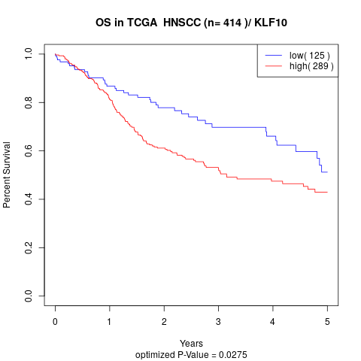

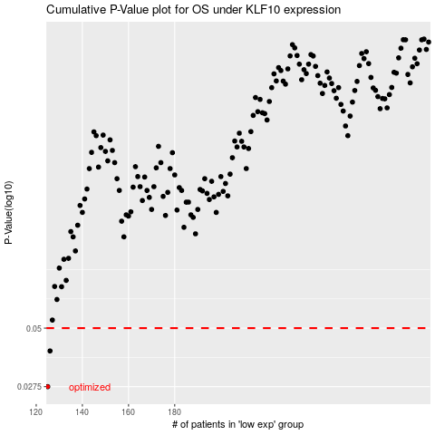

 |  |  |  |  |  | cases_OS | p_OS | rank | exp
 |  |  |  |  |  | 125 | 0.0275 | 201 | -0.53663641043
 |  |  |  |  |  | 126 | 0.0396 | 296 | -0.5345669328
 |  |  |  |  |  |  | cases_RFS | p_RFS | rank | exp
 |  |  |  |  |  |  |  | 0.0275 | 155 | -0.54727979982
 |  |  |  |  |  |  | 125 | 0.0396 | 201 | -0.53663641043

