KLF11 _multivariate
Reported by Tex Li-Hsing Chi. tex@gate.sinica.edu.tw 2019-08-18

Table 2. The clinicopathological features of HNSCC cohort and KLF11 expression. (Chi square test)
Cutoff at 0.077 (68.1%)
 |  | KLF11 expression |  | KLF11 expression |  | (Optimised)
 | Features | Low | (%) | High | (%) | Case no | P-value | Remark | Matthews
Gender | Female | 208 | 50.1 | 98 | 23.6 | 415 | 0.9675 | 0 | 0
2 | Male | 75 | 18.1 | 34 | 8.2
Age at diagnosis | <=65y | 176 | 42.4 | 98 | 23.6 | 415 | 0.0213 | 1 | 0
4 | >65y | 107 | 25.8 | 34 | 8.2
Clinical T Status | T1+T2 | 97 | 23.4 | 52 | 12.5 | 415 | 0.3668 | 0 | 0
6 | T3+T4 | 186 | 44.8 | 80 | 19.3
Clinical N Status | N0 | 153 | 36.9 | 63 | 15.2 | 415 | 0.2723 | 0 | 0
8 | N1-3 | 130 | 31.3 | 69 | 16.6
Clinical M Status | M0 | 280 | 67.5 | 132 | 31.8 | 415 | 0.5546 | 0 | 0
10 | M1 | 3 | 0.7 | 0 | 0
Clinical Stage | Stage I+II | 72 | 17.3 | 30 | 7.2 | 415 | 0.6343 | 0 | 0
12 | Stage III+IV | 211 | 50.8 | 102 | 24.6
Surgical Margin status | Negative | 224 | 54 | 94 | 22.7 | 415 | 0.082 | 0 | 0
14 | Positive | 59 | 14.2 | 38 | 9.2
Tobacco Exposure | Low | 116 | 28 | 45 | 10.8 | 415 | 0.1952 | 0 | 0
16 | High | 167 | 40.2 | 87 | 21

Table 3. Univariate/Multivariate Cox's proportional hazards regression analyses on OS time of KLF11 gene expression in HNSCC

 |  | Univariate |  |  |  | Multivariate
 | Features | HR | CI95%(L) | CI95%(H) | P-value | HR | CI95%(L) | CI95%(H) | P-value
1 | Female | 1 |  |  |  | 1
Gender | Male | 1.157 | 0.843 | 1.587 | 0.367 | 1.189 | 0.848 | 1.667 | 0.316
11 | <=65y | 1 |  |  |  | 1
Age at diagnosis | >65y | 1.329 | 0.99 | 1.784 | 0.058 | 1.341 | 0.986 | 1.824 | 0.062
12 | T1+T2 | 1 |  |  |  | 1
Clinical T Status | T3+T4 | 1.409 | 1.028 | 1.931 | 0.033 | 2.059 | 1.087 | 3.898 | 0.027
13 | N0 | 1 |  |  |  | 1
Clinical N Status | N1-3 | 1.185 | 0.89 | 1.577 | 0.246 | 1.271 | 0.891 | 1.813 | 0.186
14 | M0 | 1 |  |  |  | 1
Clinical M Status | M1 | 4.097 | 1.009 | 16.644 | 0.049 | 7.671 | 1.663 | 35.384 | 0.009
15 | Stage I+II | 1 |  |  |  | 1
Clinical Stage | Stage III+IV | 1.245 | 0.882 | 1.759 | 0.213 | 0.542 | 0.252 | 1.167 | 0.117
16 | Negative | 1 |  |  |  | 1
Surgical Margin status | Positive | 1.591 | 1.155 | 2.191 | 0.004 | 1.733 | 1.253 | 2.396 | 0.001
17 | Low | 1 |  |  |  | 1
Tobacco Exposure | High | 1.364 | 1.008 | 1.844 | 0.044 | 1.466 | 1.062 | 2.025 | 0.02
18 | Low | 1 |  |  |  | 1
RNAseq(z-score) | High | 0.65 | 0.471 | 0.897 | 0.009 | 0.653 | 0.469 | 0.908 | 0.011

Table 4. Univariate/Multivariate Cox's proportional hazards regression analyses on RFS time of KLF11 gene expression in HNSCC

 |  | Univariate |  |  |  | Multivariate
 | Features | HR | CI95%(L) | CI95%(H) | P-value | HR | CI95%(L) | CI95%(H) | P-value
1 | Female | 1 |  |  |  | 1
Gender | Male | 1.157 | 0.843 | 1.587 | 0.367 | 1.189 | 0.848 | 1.667 | 0.316
11 | <=65y | 1 |  |  |  | 1
Age at diagnosis | >65y | 1.329 | 0.99 | 1.784 | 0.058 | 1.341 | 0.986 | 1.824 | 0.062
12 | T1+T2 | 1 |  |  |  | 1
Clinical T Status | T3+T4 | 1.409 | 1.028 | 1.931 | 0.033 | 2.059 | 1.087 | 3.898 | 0.027
13 | N0 | 1 |  |  |  | 1
Clinical N Status | N1-3 | 1.185 | 0.89 | 1.577 | 0.246 | 1.271 | 0.891 | 1.813 | 0.186
14 | M0 | 1 |  |  |  | 1
Clinical M Status | M1 | 4.097 | 1.009 | 16.644 | 0.049 | 7.671 | 1.663 | 35.384 | 0.009
15 | Stage I+II | 1 |  |  |  | 1
Clinical Stage | Stage III+IV | 1.245 | 0.882 | 1.759 | 0.213 | 0.542 | 0.252 | 1.167 | 0.117
16 | Negative | 1 |  |  |  | 1
Surgical Margin status | Positive | 1.591 | 1.155 | 2.191 | 0.004 | 1.733 | 1.253 | 2.396 | 0.001
17 | Low | 1 |  |  |  | 1
Tobacco Exposure | High | 1.364 | 1.008 | 1.844 | 0.044 | 1.466 | 1.062 | 2.025 | 0.02
18 | Low | 1 |  |  |  | 1
RNAseq(z-score) | High | 0.65 | 0.471 | 0.897 | 0.009 | 0.653 | 0.469 | 0.908 | 0.011

Kaplan-Meier survival estimate: Cutoff at 0.077 (68.1%)

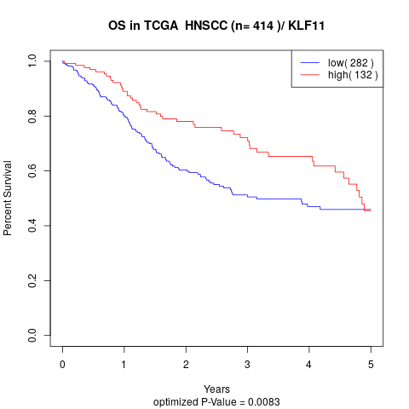

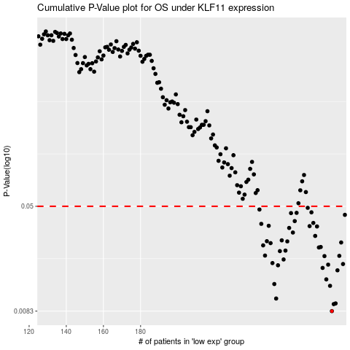

 |  |  |  |  |  | cases_OS | p_OS | rank | exp
 |  |  |  |  |  | 283 | 0.0083 | 346 | 0.076884876299
 |  |  |  |  |  | 284 | 0.00936 | 306 | 0.081129630761
 |  |  |  |  |  | 285 | 0.00947 | 219 | 0.086593065886
 |  |  |  |  |  | 253 | 0.0103 | 205 | -0.059370628688
 |  |  |  |  |  | 282 | 0.0128 | 250 | 0.075836129882
 |  |  |  |  |  | 252 | 0.0132 | 405 | -0.061803406045
 |  |  |  |  |  | 280 | 0.0143 | 165 | 0.066322431513
 |  |  |  |  |  | 286 | 0.0167 | 75 | 0.091042134355
 |  |  |  |  |  | 278 | 0.0174 | 262 | 0.054196198753
 |  |  |  |  |  | 254 | 0.0182 | 149 | -0.058687290015
 |  |  |  |  |  | 281 | 0.0184 | 113 | 0.072144071003
 |  |  |  |  |  | 289 | 0.0186 | 245 | 0.1088256386
 |  |  |  |  |  | 251 | 0.0189 | 70 | -0.068314605307
 |  |  |  |  |  | 257 | 0.0201 | 96 | -0.046939562049
 |  |  |  |  |  | 279 | 0.0213 | 108 | 0.055636547016
 |  |  |  |  |  | 287 | 0.0214 | 6 | 0.091293270321
 |  |  |  |  |  | 247 | 0.0215 | 40 | -0.071823305463
 |  |  |  |  |  | 255 | 0.0232 | 95 | -0.052370581971
 |  |  |  |  |  | 258 | 0.0234 | 310 | -0.044380070717
 |  |  |  |  |  | 276 | 0.0247 | 358 | 0.048760922289
 |  |  |  |  |  | 277 | 0.0249 | 61 | 0.050090927892
 |  |  |  |  |  | 246 | 0.0256 | 273 | -0.082220072544
 |  |  |  |  |  | 250 | 0.0266 | 223 | -0.070197633918
 |  |  |  |  |  | 288 | 0.0269 | 264 | 0.091733003833
 |  |  |  |  |  | 259 | 0.0274 | 151 | -0.040441787265
 |  |  |  |  |  | 248 | 0.0275 | 41 | -0.070915679779
 |  |  |  |  |  | 256 | 0.0279 | 296 | -0.051266173085
 |  |  |  |  |  | 274 | 0.0301 | 337 | 0.036728006023
 |  |  |  |  |  | 262 | 0.0319 | 300 | -0.02092128653
 |  |  |  |  |  | 260 | 0.0345 | 50 | -0.03748414556
 |  |  |  |  |  | 275 | 0.0354 | 43 | 0.038567814363
 |  |  |  |  |  | 271 | 0.0356 | 71 | 0.024810998663
 |  |  |  |  |  | 249 | 0.0358 | 221 | -0.070877043476
 |  |  |  |  |  | 245 | 0.037 | 349 | -0.092709828692
 |  |  |  |  |  | 273 | 0.0376 | 74 | 0.035964447907
 |  |  |  |  |  | 263 | 0.0388 | 91 | -0.015489611756
 |  |  |  |  |  | 290 | 0.0432 | 240 | 0.11455330675
 |  |  |  |  |  | 261 | 0.0445 | 78 | -0.025719391427
 |  |  |  |  |  | 264 | 0.0447 | 157 | -0.01475879627
 |  |  |  |  |  | 272 | 0.0451 | 87 | 0.032259291976
 |  |  |  |  |  | 244 | 0.0473 | 176 | -0.094674713876
 |  |  |  |  |  | 270 | 0.0487 | 196 | 0.016279579173
 |  |  |  |  |  |  | cases_RFS | p_RFS | rank | exp
 |  |  |  |  |  |  | 282 | 0.0083 | 250 | 0.075836129882
 |  |  |  |  |  |  | 283 | 0.00936 | 346 | 0.076884876299
 |  |  |  |  |  |  | 284 | 0.00947 | 306 | 0.081129630761
 |  |  |  |  |  |  | 252 | 0.0103 | 405 | -0.061803406045
 |  |  |  |  |  |  | 281 | 0.0128 | 113 | 0.072144071003
 |  |  |  |  |  |  | 251 | 0.0132 | 70 | -0.068314605307
 |  |  |  |  |  |  | 279 | 0.0143 | 108 | 0.055636547016
 |  |  |  |  |  |  | 285 | 0.0167 | 219 | 0.086593065886
 |  |  |  |  |  |  | 277 | 0.0174 | 61 | 0.050090927892
 |  |  |  |  |  |  | 253 | 0.0182 | 205 | -0.059370628688
 |  |  |  |  |  |  | 280 | 0.0184 | 165 | 0.066322431513
 |  |  |  |  |  |  | 288 | 0.0186 | 264 | 0.091733003833
 |  |  |  |  |  |  | 250 | 0.0189 | 223 | -0.070197633918
 |  |  |  |  |  |  | 256 | 0.0201 | 296 | -0.051266173085
 |  |  |  |  |  |  | 278 | 0.0213 | 262 | 0.054196198753
 |  |  |  |  |  |  | 286 | 0.0214 | 75 | 0.091042134355
 |  |  |  |  |  |  | 246 | 0.0215 | 273 | -0.082220072544
 |  |  |  |  |  |  | 254 | 0.0232 | 149 | -0.058687290015
 |  |  |  |  |  |  | 257 | 0.0234 | 96 | -0.046939562049
 |  |  |  |  |  |  | 275 | 0.0247 | 43 | 0.038567814363
 |  |  |  |  |  |  | 276 | 0.0249 | 358 | 0.048760922289
 |  |  |  |  |  |  | 245 | 0.0256 | 349 | -0.092709828692
 |  |  |  |  |  |  | 249 | 0.0266 | 221 | -0.070877043476
 |  |  |  |  |  |  | 287 | 0.0269 | 6 | 0.091293270321
 |  |  |  |  |  |  | 258 | 0.0274 | 310 | -0.044380070717
 |  |  |  |  |  |  | 247 | 0.0275 | 40 | -0.071823305463
 |  |  |  |  |  |  | 255 | 0.0279 | 95 | -0.052370581971
 |  |  |  |  |  |  | 273 | 0.0301 | 74 | 0.035964447907
 |  |  |  |  |  |  | 261 | 0.0319 | 78 | -0.025719391427
 |  |  |  |  |  |  | 259 | 0.0345 | 151 | -0.040441787265
 |  |  |  |  |  |  | 274 | 0.0354 | 337 | 0.036728006023
 |  |  |  |  |  |  | 270 | 0.0356 | 196 | 0.016279579173
 |  |  |  |  |  |  | 248 | 0.0358 | 41 | -0.070915679779
 |  |  |  |  |  |  | 244 | 0.037 | 176 | -0.094674713876
 |  |  |  |  |  |  | 272 | 0.0376 | 87 | 0.032259291976
 |  |  |  |  |  |  | 262 | 0.0388 | 300 | -0.02092128653
 |  |  |  |  |  |  | 289 | 0.0432 | 245 | 0.1088256386
 |  |  |  |  |  |  | 260 | 0.0445 | 50 | -0.03748414556
 |  |  |  |  |  |  | 263 | 0.0447 | 91 | -0.015489611756
 |  |  |  |  |  |  | 271 | 0.0451 | 71 | 0.024810998663
 |  |  |  |  |  |  | 243 | 0.0473 | 370 | -0.094737252298
 |  |  |  |  |  |  | 269 | 0.0487 | 52 | 0.008427241815

