KLF14 _multivariate
Reported by Tex Li-Hsing Chi. tex@gate.sinica.edu.tw 2019-08-18

Table 2. The clinicopathological features of HNSCC cohort and KLF14 expression. (Chi square test)
Cutoff at -0.278 (49.8%)
 |  | KLF14 expression |  | KLF14 expression |  | (Optimised)
 | Features | Low | (%) | High | (%) | Case no | P-value | Remark | Matthews
Gender | Female | 148 | 35.7 | 158 | 38.1 | 415 | 0.3567 | 0 | 0
2 | Male | 59 | 14.2 | 50 | 12
Age at diagnosis | <=65y | 125 | 30.1 | 149 | 35.9 | 415 | 0.0206 | 1 | 0
4 | >65y | 82 | 19.8 | 59 | 14.2
Clinical T Status | T1+T2 | 88 | 21.2 | 61 | 14.7 | 415 | 0.007 | 1 | 0
6 | T3+T4 | 119 | 28.7 | 147 | 35.4
Clinical N Status | N0 | 115 | 27.7 | 101 | 24.3 | 415 | 0.184 | 1 | 0
8 | N1-3 | 92 | 22.2 | 107 | 25.8
Clinical M Status | M0 | 207 | 49.9 | 205 | 49.4 | 415 | 0.2482 | 0 | 0
10 | M1 | 0 | 0 | 3 | 0.7
Clinical Stage | Stage I+II | 63 | 15.2 | 39 | 9.4 | 415 | 0.008 | 1 | 0
12 | Stage III+IV | 144 | 34.7 | 169 | 40.7
Surgical Margin status | Negative | 155 | 37.3 | 163 | 39.3 | 415 | 0.4187 | 0 | 0
14 | Positive | 52 | 12.5 | 45 | 10.8
Tobacco Exposure | Low | 85 | 20.5 | 76 | 18.3 | 415 | 0.3655 | 0 | 0
16 | High | 122 | 29.4 | 132 | 31.8

Table 3. Univariate/Multivariate Cox's proportional hazards regression analyses on OS time of KLF14 gene expression in HNSCC

 |  | Univariate |  |  |  | Multivariate
 | Features | HR | CI95%(L) | CI95%(H) | P-value | HR | CI95%(L) | CI95%(H) | P-value
1 | Female | 1 |  |  |  | 1
Gender | Male | 1.157 | 0.843 | 1.587 | 0.367 | 1.203 | 0.86 | 1.681 | 0.281
11 | <=65y | 1 |  |  |  | 1
Age at diagnosis | >65y | 1.329 | 0.99 | 1.784 | 0.058 | 1.393 | 1.023 | 1.897 | 0.035
12 | T1+T2 | 1 |  |  |  | 1
Clinical T Status | T3+T4 | 1.409 | 1.028 | 1.931 | 0.033 | 2.199 | 1.161 | 4.165 | 0.016
13 | N0 | 1 |  |  |  | 1
Clinical N Status | N1-3 | 1.185 | 0.89 | 1.577 | 0.246 | 1.241 | 0.87 | 1.771 | 0.234
14 | M0 | 1 |  |  |  | 1
Clinical M Status | M1 | 4.097 | 1.009 | 16.644 | 0.049 | 9.353 | 2.022 | 43.263 | 0.004
15 | Stage I+II | 1 |  |  |  | 1
Clinical Stage | Stage III+IV | 1.245 | 0.882 | 1.759 | 0.213 | 0.504 | 0.235 | 1.083 | 0.079
16 | Negative | 1 |  |  |  | 1
Surgical Margin status | Positive | 1.591 | 1.155 | 2.191 | 0.004 | 1.673 | 1.21 | 2.312 | 0.002
17 | Low | 1 |  |  |  | 1
Tobacco Exposure | High | 1.364 | 1.008 | 1.844 | 0.044 | 1.453 | 1.055 | 2.003 | 0.022
18 | Low | 1 |  |  |  | 1
RNAseq(z-score) | High | 1.019 | 0.765 | 1.357 | 0.898 | 1.01 | 0.75 | 1.36 | 0.947

Table 4. Univariate/Multivariate Cox's proportional hazards regression analyses on RFS time of KLF14 gene expression in HNSCC

 |  | Univariate |  |  |  | Multivariate
 | Features | HR | CI95%(L) | CI95%(H) | P-value | HR | CI95%(L) | CI95%(H) | P-value
1 | Female | 1 |  |  |  | 1
Gender | Male | 1.157 | 0.843 | 1.587 | 0.367 | 1.203 | 0.86 | 1.681 | 0.281
11 | <=65y | 1 |  |  |  | 1
Age at diagnosis | >65y | 1.329 | 0.99 | 1.784 | 0.058 | 1.393 | 1.023 | 1.897 | 0.035
12 | T1+T2 | 1 |  |  |  | 1
Clinical T Status | T3+T4 | 1.409 | 1.028 | 1.931 | 0.033 | 2.199 | 1.161 | 4.165 | 0.016
13 | N0 | 1 |  |  |  | 1
Clinical N Status | N1-3 | 1.185 | 0.89 | 1.577 | 0.246 | 1.241 | 0.87 | 1.771 | 0.234
14 | M0 | 1 |  |  |  | 1
Clinical M Status | M1 | 4.097 | 1.009 | 16.644 | 0.049 | 9.353 | 2.022 | 43.263 | 0.004
15 | Stage I+II | 1 |  |  |  | 1
Clinical Stage | Stage III+IV | 1.245 | 0.882 | 1.759 | 0.213 | 0.504 | 0.235 | 1.083 | 0.079
16 | Negative | 1 |  |  |  | 1
Surgical Margin status | Positive | 1.591 | 1.155 | 2.191 | 0.004 | 1.673 | 1.21 | 2.312 | 0.002
17 | Low | 1 |  |  |  | 1
Tobacco Exposure | High | 1.364 | 1.008 | 1.844 | 0.044 | 1.453 | 1.055 | 2.003 | 0.022
18 | Low | 1 |  |  |  | 1
RNAseq(z-score) | High | 1.019 | 0.765 | 1.357 | 0.898 | 1.01 | 0.75 | 1.36 | 0.947

Kaplan-Meier survival estimate: Cutoff at -0.278 (49.8%)

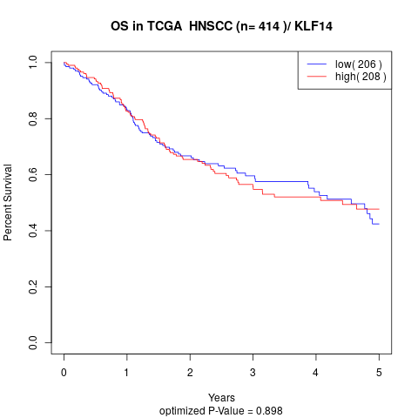

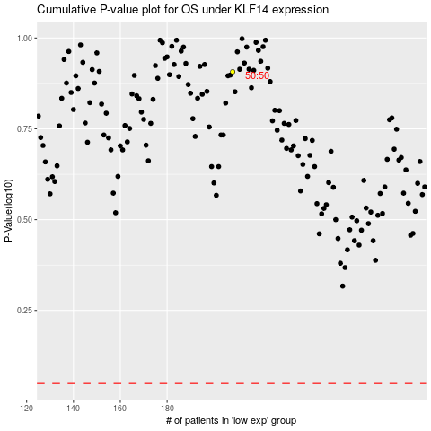

 |  |  |  |  |  | cases_OS | p_OS | rank | exp
 |  |  |  |  |  |  | cases_RFS | p_RFS | rank | exp

