KLF16 _multivariate
Reported by Tex Li-Hsing Chi. tex@gate.sinica.edu.tw 2019-08-18

Table 2. The clinicopathological features of HNSCC cohort and KLF16 expression. (Chi square test)
Cutoff at -0.175 (50.0%)
 |  | KLF16 expression |  | KLF16 expression |  | (Optimised)
 | Features | Low | (%) | High | (%) | Case no | P-value | Remark | Matthews
Gender | Female | 152 | 36.6 | 154 | 37.1 | 415 | 0.9766 | 0 | 0
2 | Male | 55 | 13.3 | 54 | 13
Age at diagnosis | <=65y | 144 | 34.7 | 130 | 31.3 | 415 | 0.1568 | 0 | 0
4 | >65y | 63 | 15.2 | 78 | 18.8
Clinical T Status | T1+T2 | 84 | 20.2 | 65 | 15.7 | 415 | 0.0603 | 0 | 0
6 | T3+T4 | 123 | 29.6 | 143 | 34.5
Clinical N Status | N0 | 115 | 27.7 | 101 | 24.3 | 415 | 0.184 | 1 | 0
8 | N1-3 | 92 | 22.2 | 107 | 25.8
Clinical M Status | M0 | 206 | 49.6 | 206 | 49.6 | 415 | 1 | 0 | 0
10 | M1 | 1 | 0.2 | 2 | 0.5
Clinical Stage | Stage I+II | 58 | 14 | 44 | 10.6 | 415 | 0.131 | 0 | 0
12 | Stage III+IV | 149 | 35.9 | 164 | 39.5
Surgical Margin status | Negative | 163 | 39.3 | 155 | 37.3 | 415 | 0.3537 | 0 | 0
14 | Positive | 44 | 10.6 | 53 | 12.8
Tobacco Exposure | Low | 83 | 20 | 78 | 18.8 | 415 | 0.6152 | 0 | 0
16 | High | 124 | 29.9 | 130 | 31.3

Table 3. Univariate/Multivariate Cox's proportional hazards regression analyses on OS time of KLF16 gene expression in HNSCC

 |  | Univariate |  |  |  | Multivariate
 | Features | HR | CI95%(L) | CI95%(H) | P-value | HR | CI95%(L) | CI95%(H) | P-value
1 | Female | 1 |  |  |  | 1
Gender | Male | 1.157 | 0.843 | 1.587 | 0.367 | 1.202 | 0.86 | 1.679 | 0.282
11 | <=65y | 1 |  |  |  | 1
Age at diagnosis | >65y | 1.329 | 0.99 | 1.784 | 0.058 | 1.385 | 1.017 | 1.885 | 0.039
12 | T1+T2 | 1 |  |  |  | 1
Clinical T Status | T3+T4 | 1.409 | 1.028 | 1.931 | 0.033 | 2.186 | 1.155 | 4.14 | 0.016
13 | N0 | 1 |  |  |  | 1
Clinical N Status | N1-3 | 1.185 | 0.89 | 1.577 | 0.246 | 1.233 | 0.862 | 1.763 | 0.251
14 | M0 | 1 |  |  |  | 1
Clinical M Status | M1 | 4.097 | 1.009 | 16.644 | 0.049 | 9.32 | 2.031 | 42.763 | 0.004
15 | Stage I+II | 1 |  |  |  | 1
Clinical Stage | Stage III+IV | 1.245 | 0.882 | 1.759 | 0.213 | 0.507 | 0.236 | 1.089 | 0.082
16 | Negative | 1 |  |  |  | 1
Surgical Margin status | Positive | 1.591 | 1.155 | 2.191 | 0.004 | 1.67 | 1.209 | 2.308 | 0.002
17 | Low | 1 |  |  |  | 1
Tobacco Exposure | High | 1.364 | 1.008 | 1.844 | 0.044 | 1.452 | 1.054 | 2.001 | 0.023
18 | Low | 1 |  |  |  | 1
RNAseq(z-score) | High | 1.151 | 0.863 | 1.536 | 0.338 | 1.05 | 0.783 | 1.409 | 0.742

Table 4. Univariate/Multivariate Cox's proportional hazards regression analyses on RFS time of KLF16 gene expression in HNSCC

 |  | Univariate |  |  |  | Multivariate
 | Features | HR | CI95%(L) | CI95%(H) | P-value | HR | CI95%(L) | CI95%(H) | P-value
1 | Female | 1 |  |  |  | 1
Gender | Male | 1.157 | 0.843 | 1.587 | 0.367 | 1.202 | 0.86 | 1.679 | 0.282
11 | <=65y | 1 |  |  |  | 1
Age at diagnosis | >65y | 1.329 | 0.99 | 1.784 | 0.058 | 1.385 | 1.017 | 1.885 | 0.039
12 | T1+T2 | 1 |  |  |  | 1
Clinical T Status | T3+T4 | 1.409 | 1.028 | 1.931 | 0.033 | 2.186 | 1.155 | 4.14 | 0.016
13 | N0 | 1 |  |  |  | 1
Clinical N Status | N1-3 | 1.185 | 0.89 | 1.577 | 0.246 | 1.233 | 0.862 | 1.763 | 0.251
14 | M0 | 1 |  |  |  | 1
Clinical M Status | M1 | 4.097 | 1.009 | 16.644 | 0.049 | 9.32 | 2.031 | 42.763 | 0.004
15 | Stage I+II | 1 |  |  |  | 1
Clinical Stage | Stage III+IV | 1.245 | 0.882 | 1.759 | 0.213 | 0.507 | 0.236 | 1.089 | 0.082
16 | Negative | 1 |  |  |  | 1
Surgical Margin status | Positive | 1.591 | 1.155 | 2.191 | 0.004 | 1.67 | 1.209 | 2.308 | 0.002
17 | Low | 1 |  |  |  | 1
Tobacco Exposure | High | 1.364 | 1.008 | 1.844 | 0.044 | 1.452 | 1.054 | 2.001 | 0.023
18 | Low | 1 |  |  |  | 1
RNAseq(z-score) | High | 1.151 | 0.863 | 1.536 | 0.338 | 1.05 | 0.783 | 1.409 | 0.742

Kaplan-Meier survival estimate: Cutoff at -0.175 (50.0%)



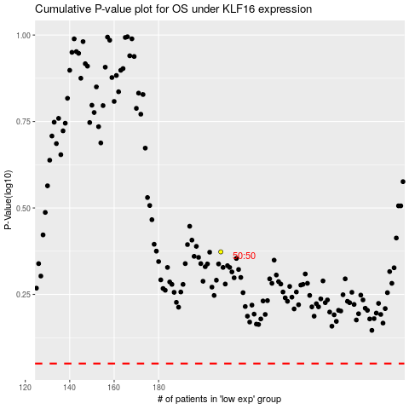

 |  |  |  |  |  | cases_OS | p_OS | rank | exp
 |  |  |  |  |  |  | cases_RFS | p_RFS | rank | exp

