KLF17 _multivariate
Reported by Tex Li-Hsing Chi. tex@gate.sinica.edu.tw 2019-08-18

Table 2. The clinicopathological features of HNSCC cohort and KLF17 expression. (Chi square test)
Cutoff at -0.268 (30.0%)
 |  | KLF17 expression |  | KLF17 expression |  | (Optimised)
 | Features | Low | (%) | High | (%) | Case no | P-value | Remark | Matthews
Gender | Female | 96 | 23.1 | 210 | 50.6 | 415 | 0.418 | 0 | 0
2 | Male | 29 | 7 | 80 | 19.3
Age at diagnosis | <=65y | 80 | 19.3 | 194 | 46.7 | 415 | 0.6465 | 0 | 0
4 | >65y | 45 | 10.8 | 96 | 23.1
Clinical T Status | T1+T2 | 53 | 12.8 | 96 | 23.1 | 415 | 0.0892 | 0 | 0
6 | T3+T4 | 72 | 17.3 | 194 | 46.7
Clinical N Status | N0 | 78 | 18.8 | 138 | 33.3 | 415 | 0.0077 | 1 | 0
8 | N1-3 | 47 | 11.3 | 152 | 36.6
Clinical M Status | M0 | 125 | 30.1 | 287 | 69.2 | 415 | 0.5571 | 0 | 0
10 | M1 | 0 | 0 | 3 | 0.7
Clinical Stage | Stage I+II | 35 | 8.4 | 67 | 16.1 | 415 | 0.3479 | 0 | 0
12 | Stage III+IV | 90 | 21.7 | 223 | 53.7
Surgical Margin status | Negative | 104 | 25.1 | 214 | 51.6 | 415 | 0.043 | 1 | 0
14 | Positive | 21 | 5.1 | 76 | 18.3
Tobacco Exposure | Low | 53 | 12.8 | 108 | 26 | 415 | 0.3256 | 0 | 0
16 | High | 72 | 17.3 | 182 | 43.9

Table 3. Univariate/Multivariate Cox's proportional hazards regression analyses on OS time of KLF17 gene expression in HNSCC

 |  | Univariate |  |  |  | Multivariate
 | Features | HR | CI95%(L) | CI95%(H) | P-value | HR | CI95%(L) | CI95%(H) | P-value
1 | Female | 1 |  |  |  | 1
Gender | Male | 1.157 | 0.843 | 1.587 | 0.367 | 1.189 | 0.851 | 1.659 | 0.31
11 | <=65y | 1 |  |  |  | 1
Age at diagnosis | >65y | 1.329 | 0.99 | 1.784 | 0.058 | 1.409 | 1.036 | 1.916 | 0.029
12 | T1+T2 | 1 |  |  |  | 1
Clinical T Status | T3+T4 | 1.409 | 1.028 | 1.931 | 0.033 | 2.119 | 1.119 | 4.01 | 0.021
13 | N0 | 1 |  |  |  | 1
Clinical N Status | N1-3 | 1.185 | 0.89 | 1.577 | 0.246 | 1.191 | 0.833 | 1.703 | 0.339
14 | M0 | 1 |  |  |  | 1
Clinical M Status | M1 | 4.097 | 1.009 | 16.644 | 0.049 | 8.529 | 1.853 | 39.258 | 0.006
15 | Stage I+II | 1 |  |  |  | 1
Clinical Stage | Stage III+IV | 1.245 | 0.882 | 1.759 | 0.213 | 0.534 | 0.248 | 1.15 | 0.109
16 | Negative | 1 |  |  |  | 1
Surgical Margin status | Positive | 1.591 | 1.155 | 2.191 | 0.004 | 1.636 | 1.183 | 2.262 | 0.003
17 | Low | 1 |  |  |  | 1
Tobacco Exposure | High | 1.364 | 1.008 | 1.844 | 0.044 | 1.44 | 1.046 | 1.983 | 0.025
18 | Low | 1 |  |  |  | 1
RNAseq(z-score) | High | 1.456 | 1.032 | 2.054 | 0.032 | 1.331 | 0.937 | 1.889 | 0.11

Table 4. Univariate/Multivariate Cox's proportional hazards regression analyses on RFS time of KLF17 gene expression in HNSCC

 |  | Univariate |  |  |  | Multivariate
 | Features | HR | CI95%(L) | CI95%(H) | P-value | HR | CI95%(L) | CI95%(H) | P-value
1 | Female | 1 |  |  |  | 1
Gender | Male | 1.157 | 0.843 | 1.587 | 0.367 | 1.189 | 0.851 | 1.659 | 0.31
11 | <=65y | 1 |  |  |  | 1
Age at diagnosis | >65y | 1.329 | 0.99 | 1.784 | 0.058 | 1.409 | 1.036 | 1.916 | 0.029
12 | T1+T2 | 1 |  |  |  | 1
Clinical T Status | T3+T4 | 1.409 | 1.028 | 1.931 | 0.033 | 2.119 | 1.119 | 4.01 | 0.021
13 | N0 | 1 |  |  |  | 1
Clinical N Status | N1-3 | 1.185 | 0.89 | 1.577 | 0.246 | 1.191 | 0.833 | 1.703 | 0.339
14 | M0 | 1 |  |  |  | 1
Clinical M Status | M1 | 4.097 | 1.009 | 16.644 | 0.049 | 8.529 | 1.853 | 39.258 | 0.006
15 | Stage I+II | 1 |  |  |  | 1
Clinical Stage | Stage III+IV | 1.245 | 0.882 | 1.759 | 0.213 | 0.534 | 0.248 | 1.15 | 0.109
16 | Negative | 1 |  |  |  | 1
Surgical Margin status | Positive | 1.591 | 1.155 | 2.191 | 0.004 | 1.636 | 1.183 | 2.262 | 0.003
17 | Low | 1 |  |  |  | 1
Tobacco Exposure | High | 1.364 | 1.008 | 1.844 | 0.044 | 1.44 | 1.046 | 1.983 | 0.025
18 | Low | 1 |  |  |  | 1
RNAseq(z-score) | High | 1.456 | 1.032 | 2.054 | 0.032 | 1.331 | 0.937 | 1.889 | 0.11

Kaplan-Meier survival estimate: Cutoff at -0.268 (30.0%)

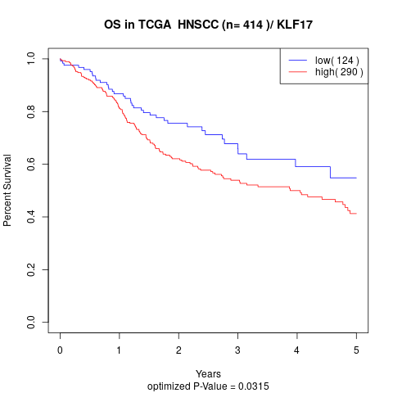

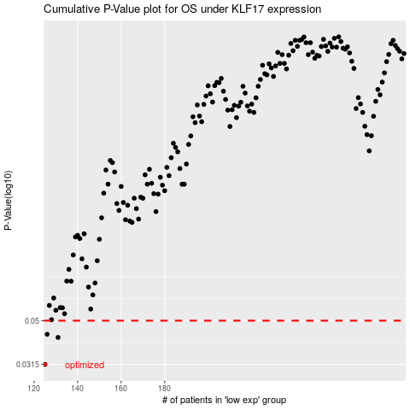

 |  |  |  |  |  | cases_OS | p_OS | rank | exp
 |  |  |  |  |  | 125 | 0.0315 | 138 | -0.26765804798
 |  |  |  |  |  | 131 | 0.0419 | 80 | -0.26298066999
 |  |  |  |  |  | 126 | 0.0433 | 97 | -0.26664760396
 |  |  |  |  |  |  | cases_RFS | p_RFS | rank | exp
 |  |  |  |  |  |  |  | 0.0315 | 354 | -0.26772323792
 |  |  |  |  |  |  | 130 | 0.0419 | 396 | -0.26320883477
 |  |  |  |  |  |  | 125 | 0.0433 | 138 | -0.26765804798

